0. General
 | Item | Type | EN | TC | Screenshot (for layout reference only)
Error messages
1 | Pop up reminder | Text | [Dynamic] | [Dynamic] | 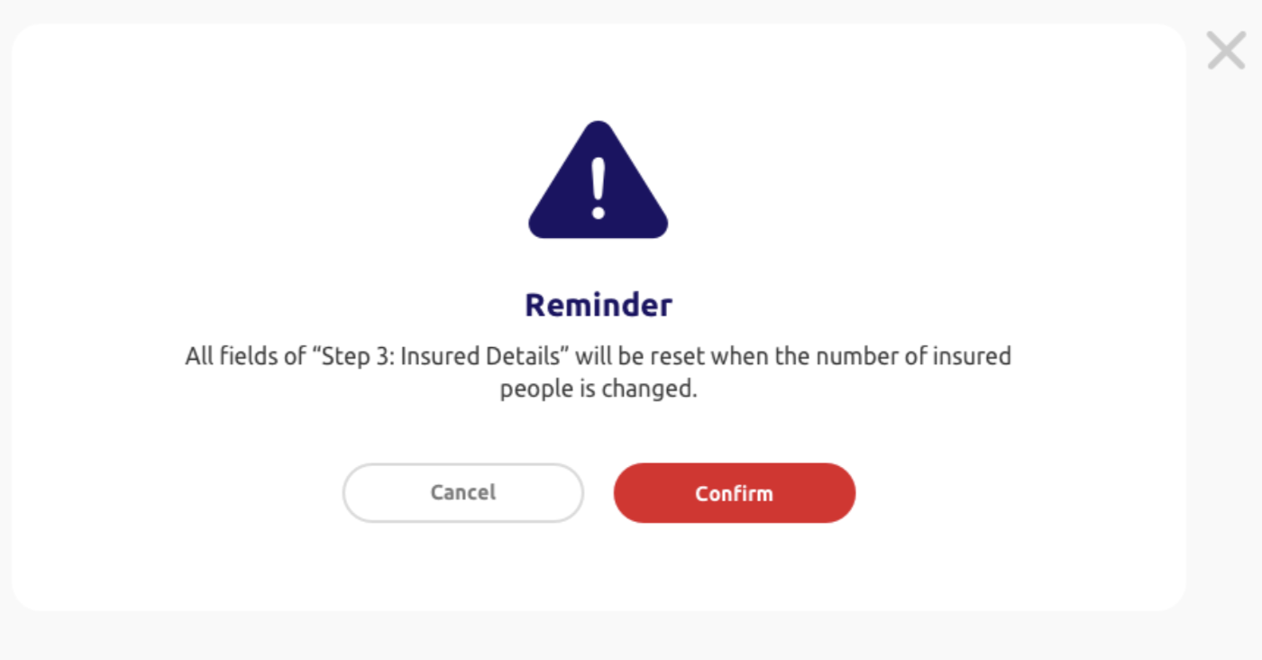 | 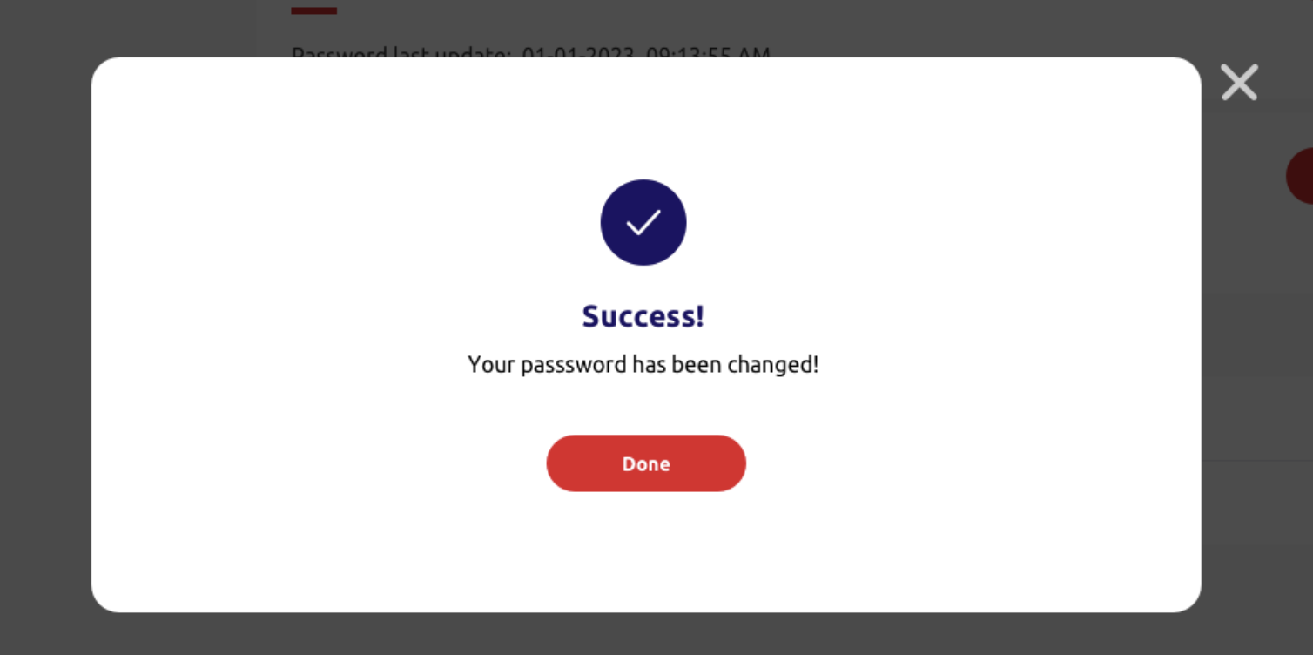
 |  | Text | [Dynamic] | [Dynamic]
 |  | NEW | All fields of "Step 3: Insured Details" will be reset when the number of insured person is changed. | 受保人數目如有更改，「步驟三：受保人資料」之所有項目需重新填寫。
 |  | Action button | [Dynamic] | [Dynamic]
 |  | Action button | [Dynamic] | [Dynamic]
2 | Top bar reminder | Text | [Dynamic] | [Dynamic]
 |  | Text | [Dynamic] | [Dynamic]
3 | Input text | Text | [Dynamic] | [Dynamic] | 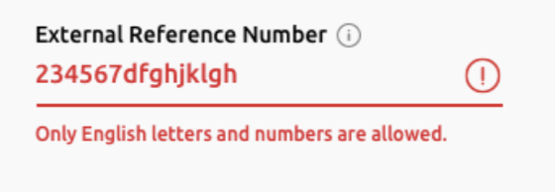
4 | Single date picker | Text | [Dynamic] | [Dynamic] | 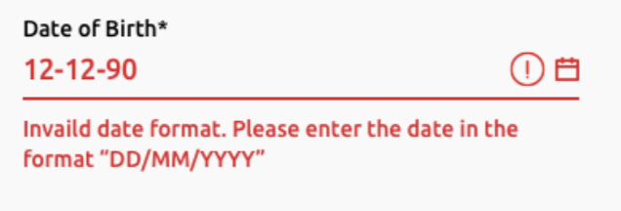
5 | Drop down list | Text | [Dynamic] | [Dynamic]
6 | Signed Numeric Input | Text | [Dynamic] | [Dynamic]

Top Bar
7 | User name | Text button | [Dynamic] | [Dynamic]
8 | Drop down option | Text button | Profile | 個人資料
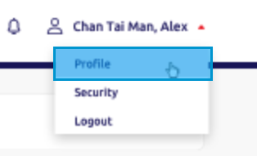
9 | Drop down option | Text button | Security | 安全設定
10 | Drop down option | Text button | Logout | 登出

Footer
11 | Terms of use button | Text Button | Terms of Use | 使用條款
12 | Privacy policy button | Text Button | Privacy Policy | 私隱政策
13 | Copyright sentence | Text | All rights reserved. Copyright @ 2024 MSIG Insurance (Hong Kong) Limited | 版權 © 2024 三井住友海上火災保險（香港）有限公司 版權所有 不得轉載
14 | Version no. | Text | Version [Dynamic] | 版本 [Dynamic]
15 | Last update date | Text | Last Update: [Dynamic] | 最後更新：[Dynamic]

1. Login Page
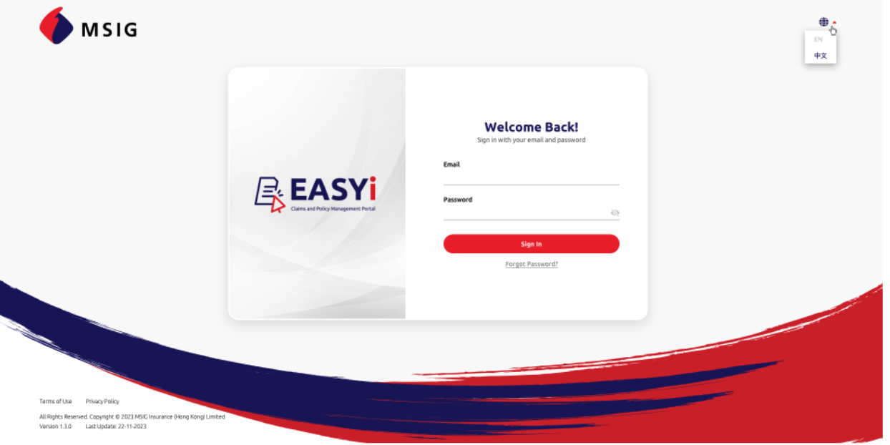
ID | Item | Type | EN | TC | Required input? | Placeholder EN Option EN | Placeholder TC Option TC | Max. Length | Default value | Validation | Error message EN | Error message TC | Screenshot (for layout reference only)
1.1 | Login direction | Text | Welcome back! Sign in with your email and password. | 歡迎回來！ 請輸入電郵及密碼登入。 | N.A. | N.A. | N.A. | N.A. | N.A. | N.A. | N.A. | N.A.
1.2 | Credential column name | Text input | Email | 電郵 | Required | N.A. | N.A. | 50 | N.A. | [Backend] | Incorrect {field name}. Please enter again. | {field name} 不正確，請重新輸入。
1.3 | Credential column name | Text input | Password | 密碼 | Required | N.A. | N.A. | 25 | N.A. | [Backend] | Incorrect {field name}. Please enter again. | {field name} 不正確，請重新輸入。
 |  |  |  |  |  |  |  |  |  | [Backend] | [Behavior to be confirmed by MSIG] PreAuthentication failed with error: Your password has been expired after being used for 60 days. Please click Forgot Password to reset. We recommend enabling multi-factor authentication for security. | [Behavior to be confirmed by MSIG] 認證錯誤：閣下之密碼已使用60天並過期，請按「忘記密碼」重設。我們建議使用多重身份認證之安全設定。
1.4 | Sign in button | Action Button | Sign in | 登入 | N.A. | N.A. | N.A. | N.A. | N.A. | N.A. | N.A. | N.A.
1.5 | Forgot password button | Text Button | Forgot password? | 忘記密碼？ | N.A. | N.A. | N.A. | N.A. | N.A. | N.A. | N.A. | N.A.

1.6 | Switch language button | Dropdown | N.A. | N.A. | N.A. | EN 中文 | EN 中文 | N.A. | [Acccroding to browser] | [Dim the current language option] | N.A. | N.A.

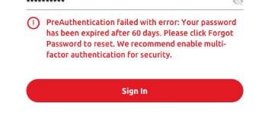

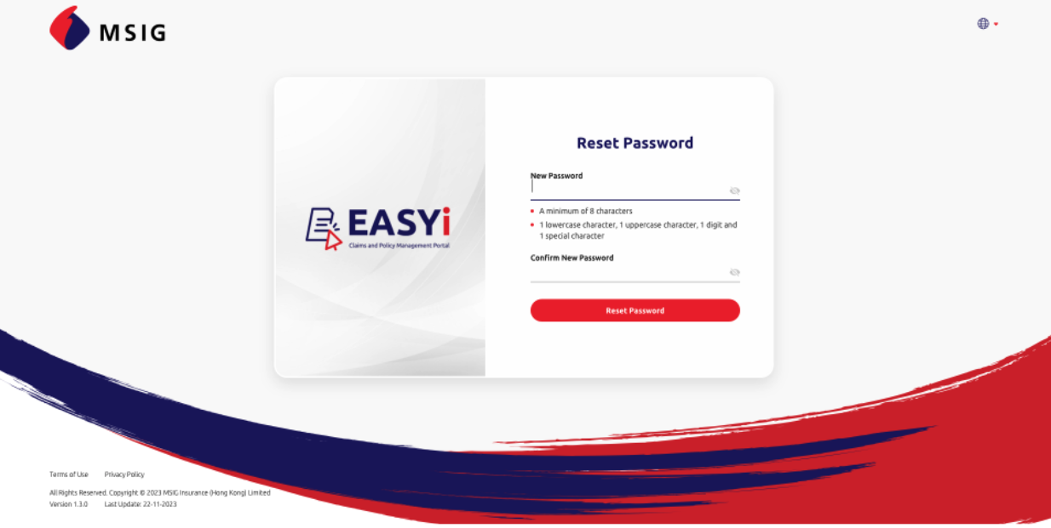
1.7 | Reset password direction | Text | Reset Password | 重設密碼 | N.A. | N.A. | N.A. | N.A. | N.A. | N.A. | N.A. | N.A.
1.8 | Credential column name | Text input | New Password | 新密碼 | Required | N.A. | N.A. | 25 | N.A. | [Backend] | The password you typed does not meet the password requirements. Please enter again. | 您所輸入的密碼並不符合密碼要求，請重新輸入。
1.9 | Credential column name | Text input | Confirm New Password | 確認新密碼 | Required | N.A. | N.A. | 25 | N.A. | [Backend] | The passwords do not match. Please enter again. | 密碼不一致，請重新輸入。
1.10 | New Password description | Text | The password should contain: • A minimum of 8 characters • 1 lowercase letter, 1 uppercase letter, 1 number and 1 special character | 密碼要求： • 最少8個字元 • 1個小楷英文字母、1個大楷英文字母、1個數字及1個符號 |  | N.A. | N.A. | N.A. | N.A. | N.A. | N.A. | N.A.
1.11 | Reset password button | Action Button | Reset password | 重設密碼 | N.A. | N.A. | N.A. | N.A. | N.A. | N.A. | N.A. | N.A.

1.12 | Send Email Instruction | Text input | Enter your email and we will send a password reset code to your email | 請輸入電郵，我們會發送密碼重設代碼至您的電郵 | Required | N.A. | N.A. | N.A. | N.A. | N.A. | Please enter your email. | 請輸入電郵。
1.13 | Send Email Button | Action Button | Get reset code | 索取密碼重設代碼 | N.A. | N.A. | N.A. | N.A. | N.A. | N.A. | N.A. | N.A.

1.14 | Reset Password Instruction | Text | We have sent a password reset code to [Email]. Enter the code to reset your password. | 我們已發送密碼重設代碼至 [Email]，請輸入代碼以重設密碼。 |  |  |  |  |  |  |  |  | 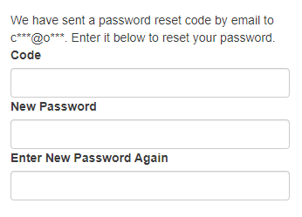
1.15 | Credential column name | Text input | Code | 代碼 | Required |  |  |  |  |  | Please enter the code. | 請輸入代碼。

1.16 | Update password direction | Text | Update password |  | N.A. | N.A. | N.A. | N.A. | N.A. | N.A. | N.A. | N.A.
1.17 | Update password instruction | Text | Your password has been expired after being used for 60 days. Please update your password. We recommend enabling multi-factor authentication for security. |  | N.A. | N.A. | N.A. | N.A. | N.A. | N.A. | N.A. | N.A.
1.19 | Update password button | Action Button | Update password | 重設密碼 | N.A. | N.A. | N.A. | N.A. | N.A. | N.A. | N.A. | N.A.

2. Navigation
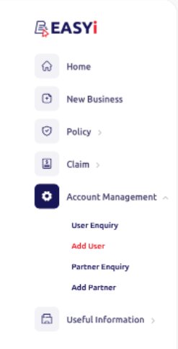
ID | Item | Type | EN | TC | Screenshot (for layout reference only)
2.1 | Menu item | Text Button | Home | 主頁

2.2 | Menu item | Text Button | New business | 新業務

2.3 | Menu item | Text Button | Policy management | 保單管理
2.4 | Menu sub level item | Text Button | Policy renewal | 保單續保
2.5 | Menu sub level item | Text Button | Policy search | 搜尋保單
2.6 | Menu sub level item | Text Button | Document search | 搜尋文件

2.7 | Menu item | Text Button | Claim management | 索償管理
2.8 | Menu sub level item | Text Button | Claim search | 搜尋索償
2.9 | Menu sub level item | Text Button | Claim report | 索償報告

2.10 | Menu item | Text Button | Account management | 帳戶管理
2.11 | Menu sub level item | Text Button | User enquiry | 用戶查詢
2.12 | Menu sub level item | Text Button | Add user | 新增用戶
2.13 | Menu sub level item | Text Button | Partner enquiry | 合作夥伴查詢
2.14 | Menu sub level item | Text Button | Add partner | 新增合作夥伴

2.15 | Menu item | Text Button | Useful information | 實用資訊
2.16 | Menu sub level item | Text Button | User guide | 用戶指南
2.17 | Menu sub level item | Text Button | Product brochure | 產品資料

3. Dashboard
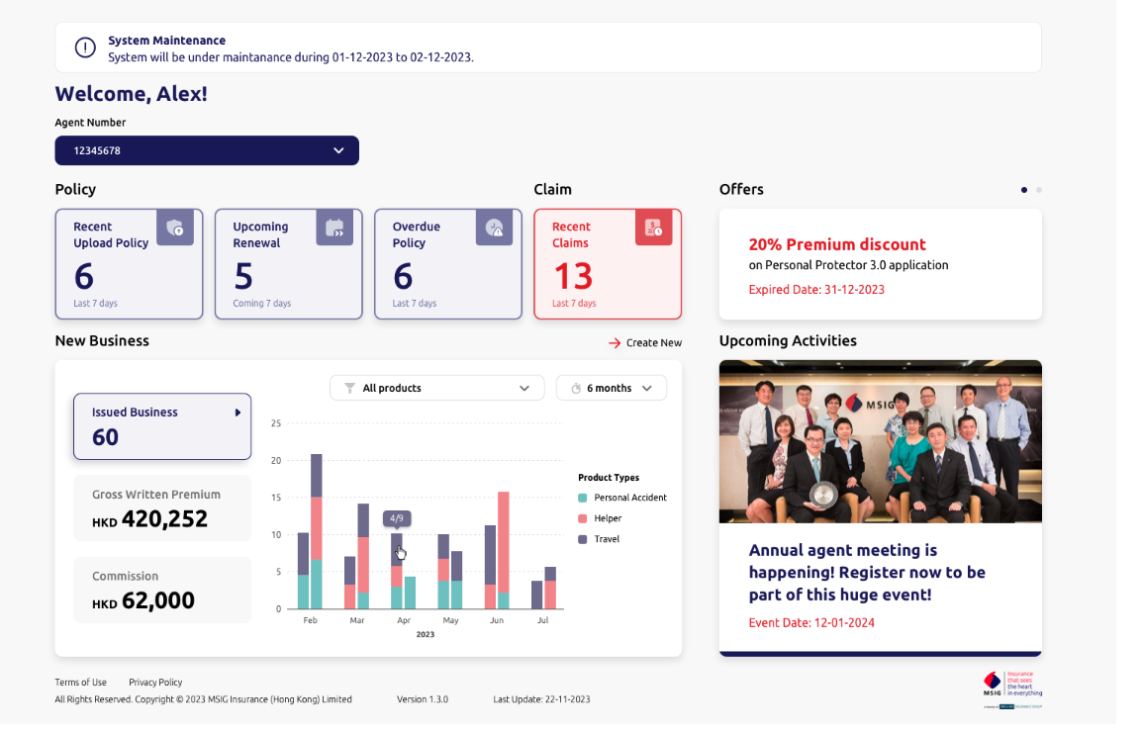
ID | Item | Type | EN | TC | Screenshot (for layout reference only)
3.1 | Maintenance title | Text | System maintenance | 系統維護
3.2 | Maintenance message | Text | System will be under maintenance during [Dynamic] to [Dynamic]. | 系統將於[ ]至[ ]進行維護。

3.3 | Greeting message | Text | Welcome, [Dynamic Text]! | 歡迎，[Dynamic Text]！
3.4 | Agent number header | Text | Agent number | 代理帳號
3.5 | Agent Number dropdown options | Dropdown | [Dynamic] | [Dynamic]

3.6 | Section header | Text | Policy | 保單
3.7 | Policy figure title | Text button | Latest uploaded policy | 最新上載保單
3.8 | Figure | Text | [Dynamic] | [Dynamic]
3.9 | Figure period | Text | Last [Dynamic] days | 最近[Dynamic]日
3.10 | Policy figure title | Text button | Upcoming renewal | 即將續保保單
3.11 | Figure | Text | [Dynamic] | [Dynamic]
3.12 | Figure period | Text | Coming [Dynamic] days | 未來[Dynamic]日
3.13 | Policy figure title | Text button | Expired policy | 逾期保單
3.14 | Figure | Text | [Dynamic] | [Dynamic]
3.15 | Figure period | Text | Last [Dynamic] days | 最近[Dynamic]日
3.16 | Section header | Text | Claim | 索償
3.17 | Policy figure title | Text button | Latest reported claims | 最新索償申請
3.18 | Figure | Text | [Dynamic] | [Dynamic]
3.19 | Figure period | Text | Last [Dynamic] days | 最近[Dynamic]日

3.20 | Section header | Text | My business | 我的業務
3.21 | New Business figure title | Text button | Policy issued | 已發出保單
3.22 | Figure | Text | [Dynamic] | [Dynamic]
3.23 | New Business figure title | Text button | Gross written premium | 總保費
3.24 | Figure | Text | HKD[Dynamic] | 港幣 [Dynamic] 元
3.25 | New Business figure title | Text button | Commission | 佣金
3.26 | Figure | Text | HKD[Dynamic] | 港幣 [Dynamic] 元
3.27 | Product dropdown options | Text | [Dynamic] | [Dynamic]
3.28 | Time period dropdown options | Text | • 1 month • 3 months • 6 months • 12 months | • 1個月 • 3個月 • 6個月 • 12個月
3.29 | Product typr title | Text | Product types | 產品類別
3.30 | Product type value | Text | [Dynamic]
3.31 | No new business message | Text | There is no business yet. | 現時尚無業務。
3.32 | New business redirection | Text button | Create new business | 創建新業務

3.33 | Section header | Text | News | 最新消息
3.34 | Title | Text | Offer | 優惠
3.35 | Description | Text | [Dynamic] | [Dynamic]
3.36 | Expired Date | Text | Expired date: [Dynamic] | 到期日：[Dynamic]

3.37 | Section header | Text | Upcoming activities | 最新動態
3.38 | Title | Text | [Dynamic] | [Dynamic]
3.39 | Event Date | Text | Event date: [Dynamic] | 活動日期：[Dynamic]

4. New Business
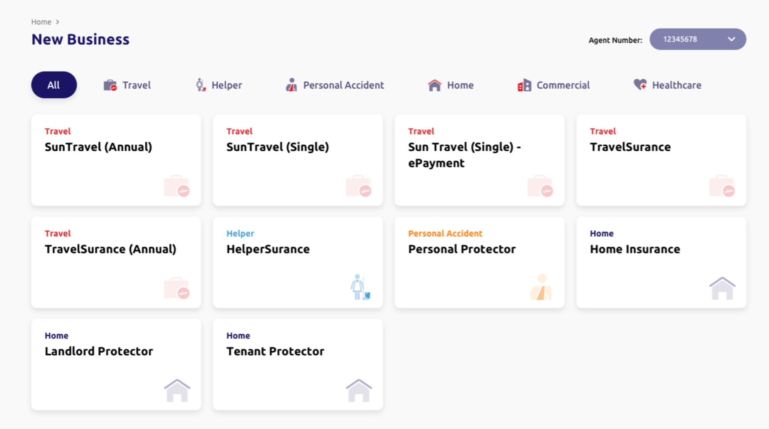
# | Item | Type | EN | TC | Screenshot (for layout reference only)
4.1 | Level 1 | Text button | Home | 主頁
4.2 | Section Name | Label | New business | 新業務
4.3 | Agent number header | Label | Agent number | 代理帳號
4.4 | Agent number dropdown options | Dropdown | [Dynamic] | [Dynamic]

4.5 | Product type | Button | All | 所有
4.6 | Product type | Button | Travel | 旅遊
4.7 | Product type | Button | Helper | 家傭
4.8 | Product type | Button | Personal Accident | 個人意外
4.9 | Product type | Button | Home | 家居
4.10 | Product type | Button | Commercial | 商業
4.11 | Product type | Button | Healthcare | 醫療

4.12 | Product type | Label | Travel | 旅遊
4.13 | Product | Label | SunTravel 2.0 Annual | 永明旅遊保障2.0（全年旅程）
4.14 | Product type | Label | Travel | 旅遊
4.15 | Product | Label | SunTravel 2.0 (Single) | 永明旅遊保障2.0（單次旅程）
4.16 | Product type | Label | Travel | 旅遊
4.17 | Product | Label | SunTravel 2.0 (Single) - ePayment | 永明旅遊保障2.0（單次旅程）－網上支付
4.18 | Product type | Label | Travel | 旅遊
4.19 | Product | Label | [HK] TravelSurance 7.0 [Macau] TravelSurance 7.0 - Macau | [HK] 逍遙遊7.0 [Macau] 逍遙遊7.0（澳門）
4.20 | Product type | Label | Travel | 旅遊
4.21 | Product | Label | [HK] Annual TravelSurance 7.0 [Macau] Annual TravelSurance 7.0 - Macau | [HK] 全年旅遊保險4.0 [Macau] 全年旅遊保險4.0（澳門） | [For MSIG]*Noticed that the name of HK and Macau Insurances might be different for Travel Insurances, please help to cross-check the product name in both Chinese and English

4.22 | Product type | Label | Helper | 家傭
4.23 | Product | Label | [HK] HelperSurance 4.0 [Macau] HelperSurance 4.0 - Macau | [HK] 家傭寶4.0 [Macau] 家傭寶4.0（澳門）

4.23 | Product type | Label | Personal Accident | 個人意外
4.24 | Product | Label | [HK] Personal Protector 3.0 [Macau] Personal Protector 3.0 - Macau | [HK] 平安寶3.0 [Macau] 平安寶3.0（澳門）

4.25 | Product type | Label | Home | 家居
4.26 | Product | Label | [HK] Home Insurance [Macau] Home Insurance - Macau | [HK] 家居保險 [Macau] 家居保險（澳門）
4.27 | Product type | Label | Home | 家居
4.28 | Product | Label | [HK] Landlord Protector [Macau] Landlord Protector - Macau | [HK] 住宅出租保障計劃 [Macau] 住宅出租保障計劃（澳門）
4.28 | Product type | Label | Home | 家居
4.29 | Product | Label | [HK] Tenant Protector [Macau] Tenant Protector - Macau | [HK] 租客家居保障計劃 [Macau] 租客家居保障計劃（澳門）

4.1 NB-SunTravel 2.0 Annual
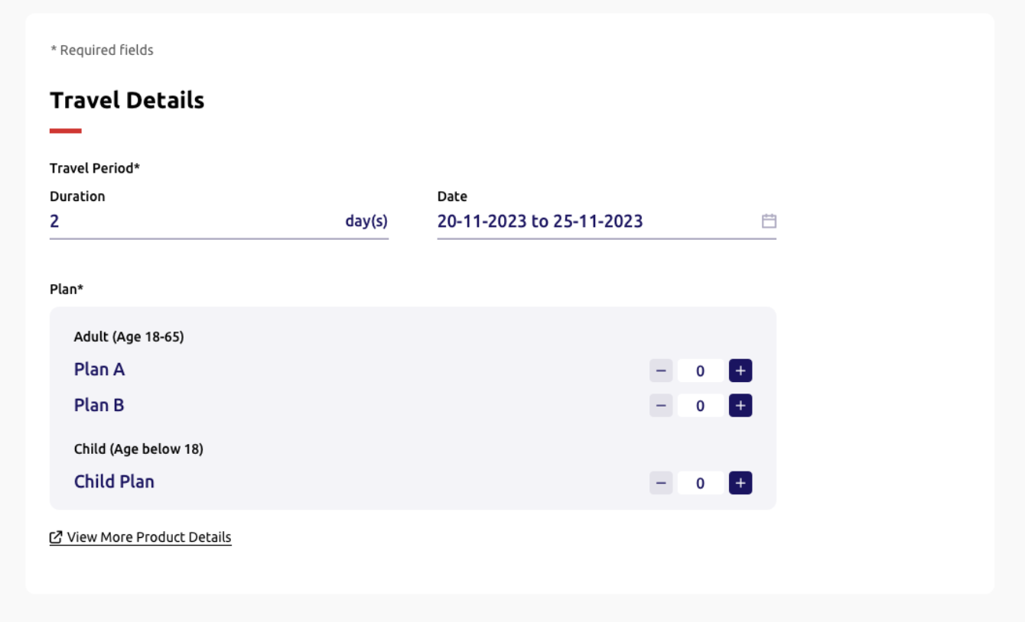
____ | Item | Type | EN | TC | Required input? | Placeholder EN /Option EN | Placeholder TC /Option TC | Max. Length | Default value | Validation | Error message EN | Error message TC | Screenshot (for layout reference only)
 |  |  | (Header, quotation, reference number and footer component refer to 4.3 New Business - SunTravel (Single) - ePayment)

4.1.1 | Description | Label | *Required | *必須填寫 | N.A | N.A | N.A | N.A | N.A | N.A | N.A | N.A
4.1.2 | Step 1 section name | Label | Travel details | 旅遊資料 | N.A | N.A | N.A | N.A | N.A | N.A | N.A | N.A
4.1.3 | Column name | Label | Travel period* | 旅遊期間* | N.A | N.A | N.A | N.A | N.A | N.A | N.A | N.A
4.1.4 | Column name | Single date picker | Start date | 起保日 | Required | DD-MM-YYYY | DD-MM-YYYY | N.A. | [Today Date] | • Minimum date as today date • Maximum date as 60 days from today date *dim unavaliable dates* *Update logic refer to Appendix A* | [Frontend layout to cater] | [Frontend layout to cater]
 |  |  |  |  |  |  |  |  |  | Mandatory checking | Please select {field name} | 請選擇 {field name}
 |  |  |  |  |  |  |  |  |  | Format checking | Invalid date | 日子無效
4.1.5 | Column name | Label | End date | 到期日 | N.A. | N.A. | N.A. | N.A. | [Based on Start date] | *Update logic refer to NB-Appendix A* | [Frontend layout to cater] | [Frontend layout to cater]
4.1.6 | Column name | Radio button | Plan* | 計劃* | Required | • Family plan A • Family plan B • Individual plan | • 家庭計劃A • 家庭計劃B • 個人計劃 | N.A | Family Plan A | N.A | N.A | N.A
4.1.7 | Sub column name (Individual plan only) | Label | Plan type* | 計劃類別 | N.A | N.A | N.A | N.A | N.A | N.A | N.A | N.A
4.1.8 | No.of insured | Signed Numeric Input | No. of insured | 受保人數目 | N.A | N.A | N.A | N.A | 2 | • Minimum no. of insured as 2 (ie. Dim "-" button for 2) • Maximum no. of insured as 20 (ie. Dim "+" button for 20) • Allow integer input only | [Frontend layout to cater] | [Frontend layout to cater]
4.1.9 | No.of insured (individual plan only) | Signed Numeric Input | Plan A | 計劃A | N.A | N.A | N.A | 2 | 0 | • Sum of individual plan A and individual plan B's maximum no. of insured as 20 (ie. Dim "+" button for 20) • Allow integer input only | [Frontend layout to cater] | [Frontend layout to cater]
 |  |  |  |  |  |  |  |  |  | Sum of individual plan A and individual plan B's minimum no. of insured as 1 | Please choose at least 1 plan. | 請選擇最少1個計劃
4.1.10 | No.of insured (individual plan only) | Signed Numeric Input | Plan B | 計劃B | N.A | N.A | N.A | 2 | 0 | Same as Individual Plan A

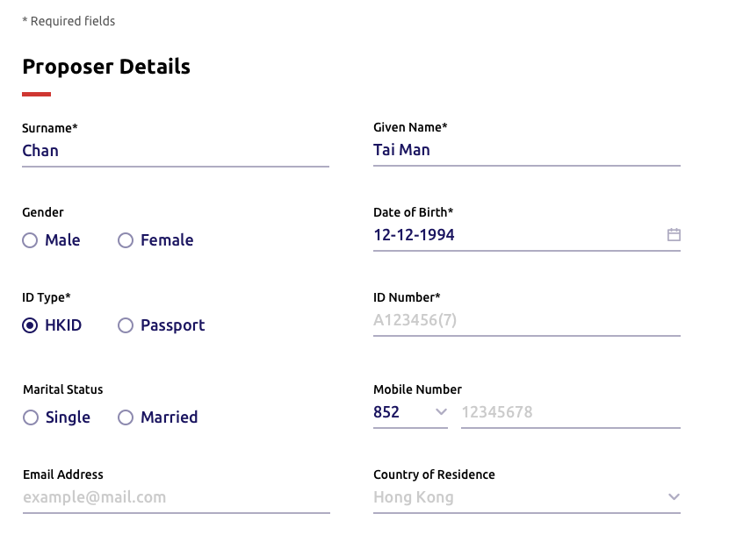
 |  |  | (Header, quotation reference number and footer component refer to 4.3 New Business - SunTravel (Single) - ePayment)

4.1.11 | Description | Label | *Required | *必須填寫 | N.A | N.A | N.A | N.A | N.A | N.A | N.A | N.A
4.1.12 | Step 2 section name | Label | Proposer details | 投保人資料 | N.A | N.A | N.A | N.A | N.A | N.A | N.A | N.A
4.1.13 | Column name | Text input | Surname* | 姓氏* | Required | Chan | 陳 | 30 | Empty | Mandatory checking | Please enter the {field name} of the proposer | 請輸入投保人之{field name}
4.1.14 | Column name | Text input | Given name* | 名字* | Required | Tai Man | 大文 | 20 | Empty | Mandatory checking | Please enter the {field name} of the proposer. Enter "." if the proposer does not have given name | 請輸入投保人之{field name} 。如受保人之未能提供名字，請輸入「. 」。
4.1.15 | Given name desciption | Text | Please enter "." if the proposer does not have a given name. | 如投保人未能提供名字，請輸入「. 」。 | N.A. | N.A. | N.A. | N.A. | N.A. | N.A. | N.A.
4.1.16 | Column name | Radio button (single option allowed only) | Gender | 性別 | Optional | • Male • Female | • 男 • 女 | N.A | Empty | N.A | N.A | N.A
4.1.17 | Column name | Single date picker | Date of birth* | 出生日期* | Required | DD-MM-YYYY | DD-MM-YYYY | 10 | Empty | Set minimum date as today date | [Frontend layout to cater] | [Frontend layout to cater]
 |  |  |  |  |  |  |  |  |  | Mandatory checking | Please enter the {field name} of the proposer | 請輸入投保人之{field name}
 |  |  |  |  |  |  |  |  |  | Format checking | Invalid {field name} | {field name} 無效
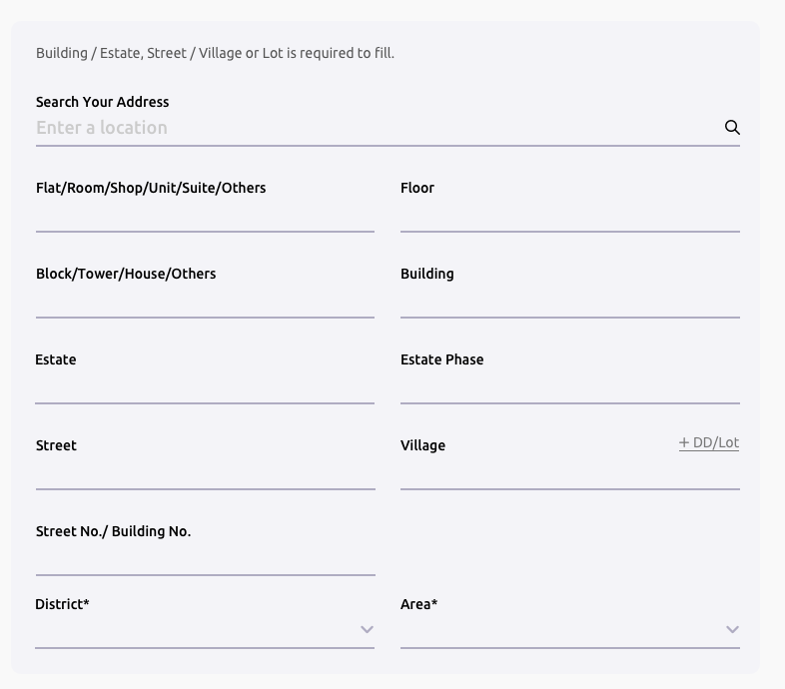
 |  |  |  |  |  |  |  |  |  | Age >= 18 and Age <= 75 | The proposer must be aged between 18 and 75. Please select or enter again. | 投保人的年齡必須為18歲至75歲，請重新選擇或輸入。
4.1.18 | Column name | Radio button | ID type* | 身份證明文件類別* | Required | • [HK] HKID • [Macau] Macau ID • Passport *Show all three options in HTML, option display logic handle by Backend* | • [HK]香港身份證 • [Macau]澳門身份證 • 護照 *Show all three options in HTML, option display logic handle by Backend* | N.A. | [HK] HKID [Macau] Macau ID *Default HK for HTML dev* | N.A | N.A | N.A
4.1.19 | Column name | Text input | ID number* | 身份證號碼* | Required | A123456(7) | A123456(7) | 14 | Empty | Regular expression | Please enter a valid {ID Type value} number of the proposer | 請輸入投保人之有效 {ID Type value} 號碼
4.1.20 | Column name | Radio button (single option allowed only) | Marital status | 婚姻狀況 | Optional | • Single • Married | • 單身 • 已婚 | N.A | Empty | N.A | N.A | N.A
4.1.21 | Column name | Dropdown | Country code | 國家編碼 | Optional | • 852 • 853 • 86 | 852 853 86 | N.A | 852 | N.A | N.A | N.A
4.1.22 | Column name | Text input | Mobile number | 手提電話號碼 | Optional | 12345678 | 12345678 | [852] 8 [853] 8 [86] 11 | [Hong Kong] 852 [Macau] 853 | Regular expression;Dependency on country code | Invalid {field name} | {field name} 無效
4.1.23 | Column name | Text input | Email | 電郵 | Optional | example@mail.com | example@mail.com | 50 | Empty | Regular expression | Invalid {field name} | {field name} 無效
4.1.24 | Column name | Dropdown | Country of residence | 原居地 | Optional | [Backend] | [Backend] | 50 | Hong Kong | N.A | N.A | N.A
4.1.25 | Column name | Radio button | Correspondence address* *The fields under Correspondence Address refer to Appendix B* | 通訊地址* | Required | • Address • Post office box | • 地址 • 郵政信箱 | N.A | Address | N.A | N.A | N.A
4.1.26 | Description | Label | Building / Estate, Street / Village / Lot is required. |  | Optional | N.A | N.A | N.A | N.A | N.A | N.A | N.A
4.1.27 | Sub column name | Text input | Search Your Address |  | Optional | Enter a location |  | 100 | Empty | N.A | N.A | N.A
4.1.28 | Sub column name (address only) | Text input | Flat |  | Optional | Empty | Empty | 25 | Empty | N.A | N.A | N.A
4.1.29 | Sub column name (address only) | Text input | Floor / Block |  | Optional | Empty | Empty | 25 | Empty | N.A | N.A | N.A
4.1.30 | Sub column name (address only) | Text input | Building / Estate |  | Optional | Empty | Empty | 50 | Empty | Either (1) Building / Estate or (2) Street / Village or (3) Lot is filled. | Either Building / Estate, Street / Village or Lot is filled.
4.1.31 | Sub column name (address only) | Text input | Street / Village |  | Optional | Empty | Empty | 50 | Empty | Either (1) Building / Estate or (2) Street / Village or (3) Lot is filled. | Either Building / Estate, Street / Village or Lot is filled.
4.1.32 | Add DD/Lot (address only) | Text button | Add DD / Lot |  | Optional | N.A. | N.A. | N.A. | Empty | • Display the fields of "DD" and "Lot" after clicked. • Only allow to add one "DD" and one "Lot". • Non-reversible after displayed the "DD" and "Lot". | N.A. | N.A.
4.1.33 | Sub column name (address only) | Text input | DD |  | Optional | Empty | Empty | 50 | Empty | N.A. | N.A. | N.A.
4.1.34 | Sub column name (address only) | Text input | Lot |  | Optional | Empty | Empty | 50 | Empty | Either (1) Building / Estate or (2) Street / Village or (3) Lot is filled. | Either Building / Estate, Street / Village or Lot is filled.
4.1.35 | Sub column name (address only) | Dropdown | District* |  | Optional | [Backend] | [Backend] | N.A. | Empty | Mandatory checking | Please select {field name}
4.1.36 | Sub column name (address only) | Dropdown | Area* |  | Optional | [Backend] | [Backend] | N.A. | Empty | Mandatory checking | Please select {field name}
4.1.37 | Sub column name (post office box only) | Text input | P.O. Box Number* |  | Optional | Empty | Empty | 50 | Empty | Mandatory checking | Please enter the {field name}
4.1.38 | Sub column name (post office box only) | Text input | Post Office* |  | Optional | Empty | Empty | 50 | Empty | Mandatory checking | Please enter the {field name}
4.1.26 | Proposer option | Checkbox | The proposer is one of the insured persons. | 投保人是受保人之一。 | N.A. | N.A. | N.A. | N.A. | Untick | N.A. | N.A. | N.A.

 |  |  | (Header, quotation, reference number and footer component same as above) (Display fields please refer to Step 1-3) |  |  |  |  |  |  |  |  |  | 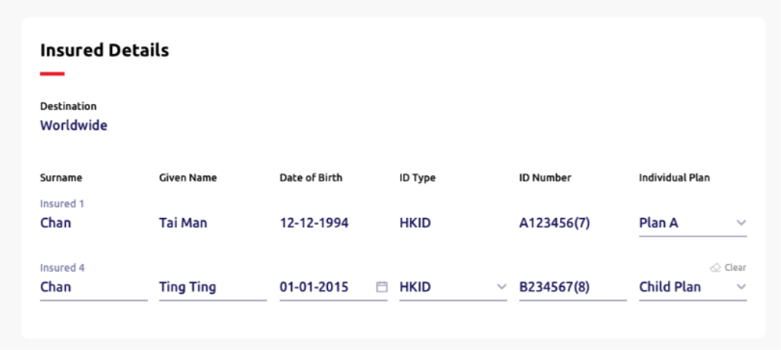

4.1.27 | Step 3 section name | Label | Insured person details | 受保人資料 | N.A. | N.A. | N.A. | N.A. | N.A. | N.A. |  | N.A.
4.1.28 | Column name | Label | Destination | 目的地 | N.A. | N.A. | N.A. | N.A. | Worldwide | N.A. | N.A. | N.A.
4.1.30 | Column name | Text input | Surname* | 姓氏* | Required | Chan | 陳 | 30 | Empty | Mandatory checking | Please enter the {field name} of the insured | 請輸入受保人之 {field name}
4.1.31 | Sub column name | Label | Insured 1/2/3/4/5/… | 受保人 1/2/3/4/5/... | Required | N.A. | N.A. | N.A. | N.A. | N.A. | N.A. | N.A.
4.1.32 | Column name | Text input | Given name* | 名字* | Required | Tai Man | 大文 | 20 | Empty | Mandatory checking | Please enter the {field name} of the insured | 請輸入受保人之 {field name}
4.1.33 | Given name desciption | Text | Please enter "." if the insured does not have a given name. | 如受保人未能提供名字，請輸入「. 」。 | N.A. | N.A. | N.A. | N.A. | N.A. | N.A. | N.A. | N.A.
4.1.34 | Column name (family plan only) | Dropdown | Relationship* | 關係 | Required | • Self • Spouse • Child | • 自己 • 配偶 • 子女 | N.A. | [If Proposer option is ticked and Self information auto-filled] Spouse [If Proposer option is unticked] Self *For HTML dev, default Proposer is ticked, then one row of self with filled fields will be shown and one row of spouse will be shown* | N.A. | N.A. | N.A.
4.1.35 | Column name | Date picker | Date of birth* | 出生日期* | Required | DD-MM-YYYY | DD-MM-YYYY | 10 | Empty | Set minimum date as today date | [Frontend layout to cater] | [Frontend layout to cater]
 |  |  |  |  |  |  |  |  |  | Mandatory checking | Please select or enter the {field name} of the insured. | 請選擇或輸入受保人 {field name} 。
 |  |  |  |  |  |  |  |  |  | Format checking | Invalid {field name}. | 請輸入 {field name}。
 |  |  |  |  |  |  |  |  |  | For individual plan, age <=75 | The insured person must be 75 years old or below. Please select or enter again. | 受保人年齡必須為75歲或以下，請重新選擇或輸入。
 |  |  |  |  |  |  |  |  |  | For role is spouse/self, age >= 18 and age <=75 | The insured adult must be aged between 18 and 75. Please select or enter again. | 受保成人年齡必須為18歲至75歲，請重新選擇或輸入。
 |  |  |  |  |  |  |  |  |  | For role is child, age < 18 | The insured child should be under 18 years old. Please select or enter again. | 受保小童年齡必須為18歲以下，請重新選擇或輸入。
4.1.36 | Column name | Radio button | ID type* | 身份證明文件類別* | Required | • [HK] HKID • [Macau] Macau ID • Passport *Show all three options in HTML, option display logic handle by Backend* | • [HK]香港身份證 • [Macau]澳門身份證 • 護照 *Show all three options in HTML, option display logic handle by Backend* | N.A. | [HK] HKID [Macau] Macau ID *Default HK for HTML dev* | N.A. | N.A. | N.A.
4.1.37 | Column name | Text input | ID number* | 身份證明文件號碼* | Required | A123456(7) | A123456(7) | 14 | Empty | Regular expression | Please enter a valid {field name}. | 請輸入有效之 {field name} 。
 |  |  |  |  | Required |  |  |  |  | Duplicate checking | The insured persons' {field name} must not be the same. Please enter again. | 受保人之 {field name} 須不同，請重新輸入。
4.1.38 | Column name (individual plan only) | Dropdown | Plan type* | 計劃類別* | Required | • Plan A • Plan B | • 個人計劃A • 個人計劃B | N.A. | [Backend] *Default Plan A for HTML dev* | N.A. | N.A. | N.A.
4.1.39 | Clear button | Text button | Clear | 清除 | N.A. | N.A. | N.A. | N.A. | N.A. | N.A. | N.A. | N.A.

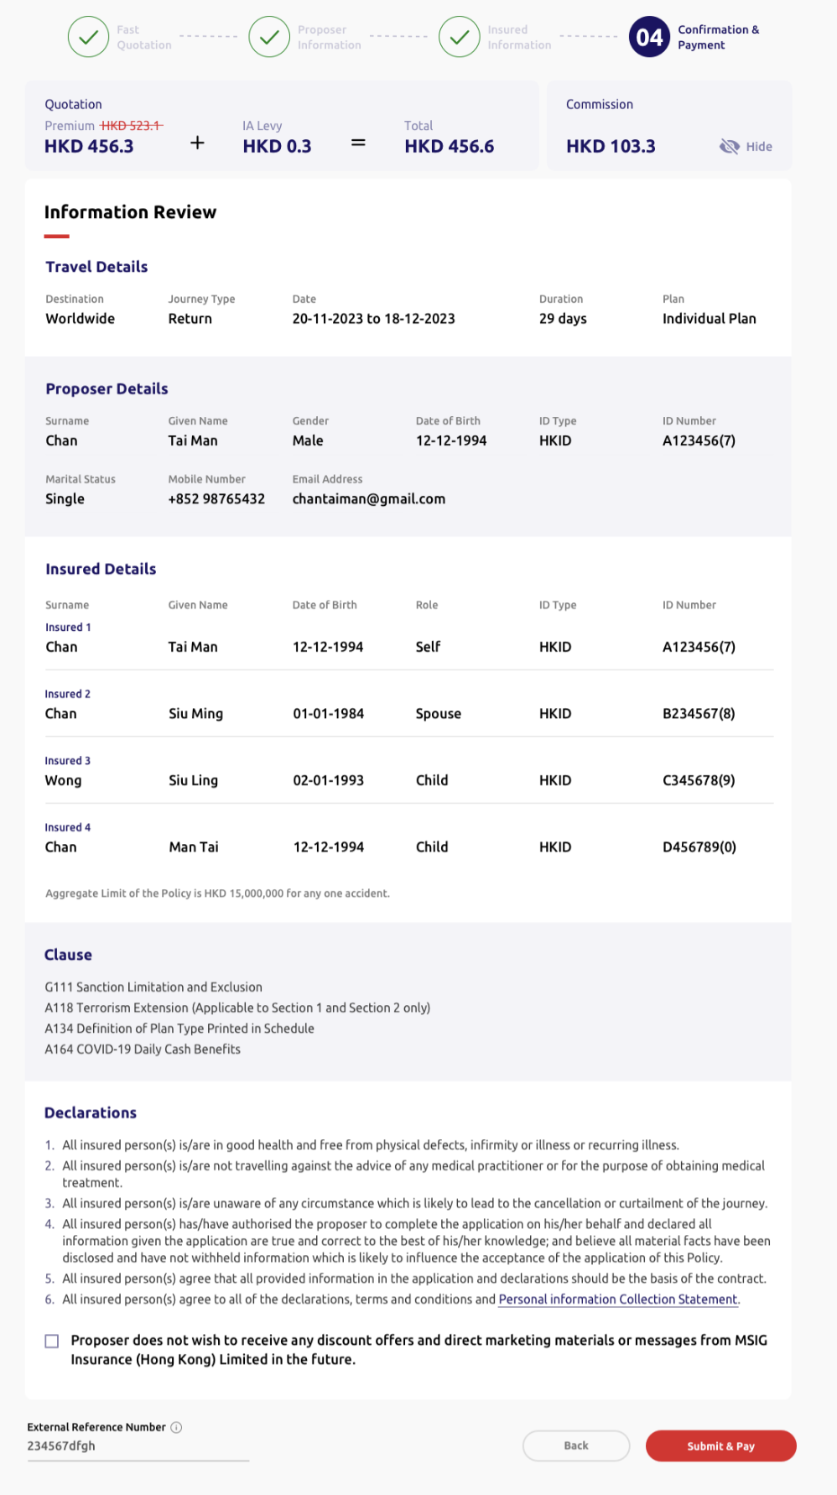
 |  |  | (Header, quotation and reference number component same as above) (Displayed fields please refer to Step 1-3)
4.1.40 | Step 4 section name | Label | Information review | 資料核對 | N.A. | N.A. | N.A. | N.A. | N.A. | N.A. | N.A. | N.A.
4.4.41 | Description | Text | Aggregate limit of the policy is HKD 15,000,000 for any one accident. | 保單總限額為每宗意外港幣15,000,000元 | N.A. | N.A. | N.A. | N.A. | N.A. | N.A. | N.A. | N.A.

4.4.42 | Sub section name | Label | Clause | 條款 | N.A. | N.A. | N.A. | N.A. | N.A. | N.A. | N.A. | N.A.
4.4.43 | Description | Text | G111 Sanction Limitation and Exclusion Clause | G111 制裁限制及除外 | N.A. | N.A. | N.A. | N.A. | N.A. | N.A. | N.A. | N.A.
4.4.44 | Description | Text | A118 Terrorism Extension (applicable to section 1 and section 2 only) | A118 恐怖活動伸延（只適用於部份一及部份二） | N.A. | N.A. | N.A. | N.A. | N.A. | N.A. | N.A. | N.A.
4.4.45 | Description | Text | A134 Definition of Plan Type Printed Schedule | A134 計劃類型定義列印於承保表 | N.A. | N.A. | N.A. | N.A. | N.A. | N.A. | N.A. | N.A.

4.1.46 | Sub section name | Label | Declarations | 聲明 | N.A. | N.A. | N.A. | N.A. | N.A. | N.A. | N.A. | N.A.
4.1.47 | Description | Text | 1. All insured person(s) has/have not made any travel claims in past 3 years. | 1. 所有受保人在過去三年內並沒有就任何旅遊保險提出索償。 | N.A. | N.A. | N.A. | N.A. | N.A. | N.A. | N.A. | N.A.
4.1.48 | Description | Text | 2. All insured person(s) has/have not ever been refused by Insurer to offer travel insurance or added special terms. | 2. 所有受保人並沒有被保險公司拒絕投保或需於保單內加入特別條款。 | N.A. | N.A. | N.A. | N.A. | N.A. | N.A. | N.A. | N.A.
4.1.49 | Description | Text | 3. All insured person(s) has/have not ever been convicted of any offence involving dishonesty fraud, violence, criminal damage, arson, drugs or any prosecution pending. | 3. 所有受保人並沒有就不誠實、欺詐、暴力侵犯、刑事毀壞、縱火、毒品等犯法行為被判罪名成立或有待決的檢控程序。 | N.A. | N.A. | N.A. | N.A. | N.A. | N.A. | N.A. | N.A.
4.1.50 | Description | Text | 4. All insured person(s) is/are in good health and free from physical defects, infirmity or illness or recurring illness. | 4. 所有受保人身體健康及體格健全，現時絕無疾病或間歇性復發的疾病。 | N.A. | N.A. | N.A. | N.A. | N.A. | N.A. | N.A. | N.A.
4.1.51 | Description | Text | 5. All insured person(s) is/are not travelling against the advice of any medical practitioner or for the purpose of obtaining medical treatment. | 5. 所有受保人的行程並非有違註冊醫生的勸告，而外遊的目的並非為接受治療。 | N.A. | N.A. | N.A. | N.A. | N.A. | N.A. | N.A. | N.A.
4.1.52 | Description | Text | 6. All insured person(s) is/are unaware of any circumstance which is likely to lead to the cancellation or curtailment of the journey. | 6. 據所有受保人所知，並沒有受任何將會引致取消行程或行程延誤的情況。 | N.A. | N.A. | N.A. | N.A. | N.A. | N.A. | N.A. | N.A.
4.1.53 | Description | Text | 7. All insured person(s) has/have authorised the proposer to complete the application on his/her behalf and declared all information given the application are true and correct to the best of his/her knowledge; and believe all material facts have been disclosed and have not withheld information which is likely to influence the acceptance of the application of this Policy. | 7. 所有受保人授權投保人代其填寫投保書；並聲明在本申請書內填報的資料是根據所知並全部正確無訛及完整，亦没有隱瞞可能影響本申請承保的事實。 | N.A. | N.A. | N.A. | N.A. | N.A. | N.A. | N.A. | N.A.
4.1.54 | Description | Text | 8. All insured person(s) has/have authorised the proposer to complete the application on his/her behalf and declared all information given the application are true and correct to the best of his/her knowledge; and believe all material facts have been disclosed and have not withheld information which is likely to influence the acceptance of the application of this Policy. | 8. 所有受保人同意本申請、聲明及所提供的其他資料作為合約的基礎。 |  | N.A. | N.A. | N.A. | N.A. | N.A. | N.A. | N.A.
4.1.55 | Description | Text | 9. All insured person(s) agree to all of the declarations, terms and conditions and Personal Information Collection Statement. | 9. 所有受保人同意所有聲明、條件和條款及個人資料收集聲明。 | N.A. | N.A. | N.A. | N.A. | N.A. | N.A. | N.A. | N.A.
4.1.56 | Proposer option | Checkbox | Proposer does not wish to receive any discount offers and direct marketing materials or message from MSIG Insurance (Hong Kong) Limited in the future. | 投保人不欲收取MSIG提供任何直銷活動、推廣或訊息。 | N.A. | N.A. | N.A. | N.A. | N.A. | N.A. | N.A. | N.A.

4.1.57 | Back button | Action button | Back | 上一步 | N.A. | N.A. | N.A. | N.A. | N.A. | N.A. | N.A. | N.A.
4.1.58 | Submit button | Action button | Submit | 遞交 | N.A. | N.A. | N.A. | N.A. | N.A. | N.A. | N.A. | N.A.

 |  |  | (All fields are same with 4.3 New Business - SunTravel (Single) - ePayment) |  |  |  |  |  |  |  |  |  | 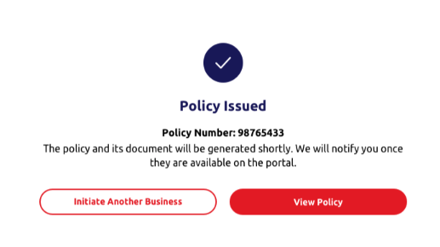

4.2 NB-SunTravel 2.0 Single
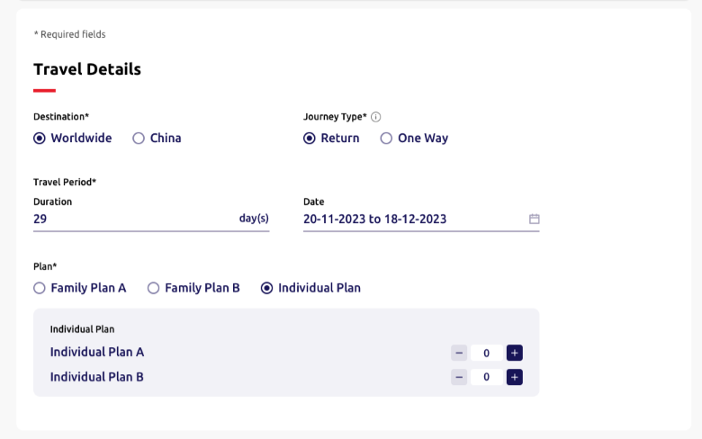
____ | Item | Type | EN | TC | Required input? | Placeholder EN /Option EN | Placeholder TC /Option TC | Max. Length | Default value | Validation | Error message EN | Error message TC | Screenshot (for layout reference only)
 |  |  | (All fields are same with 4.3 New Business - SunTravel (Single) - ePayment)

4.2.1 | Step 1 section name | Label | Travel details | 旅遊資料 | N.A | N.A | N.A | N.A | N.A | N.A | N.A | N.A

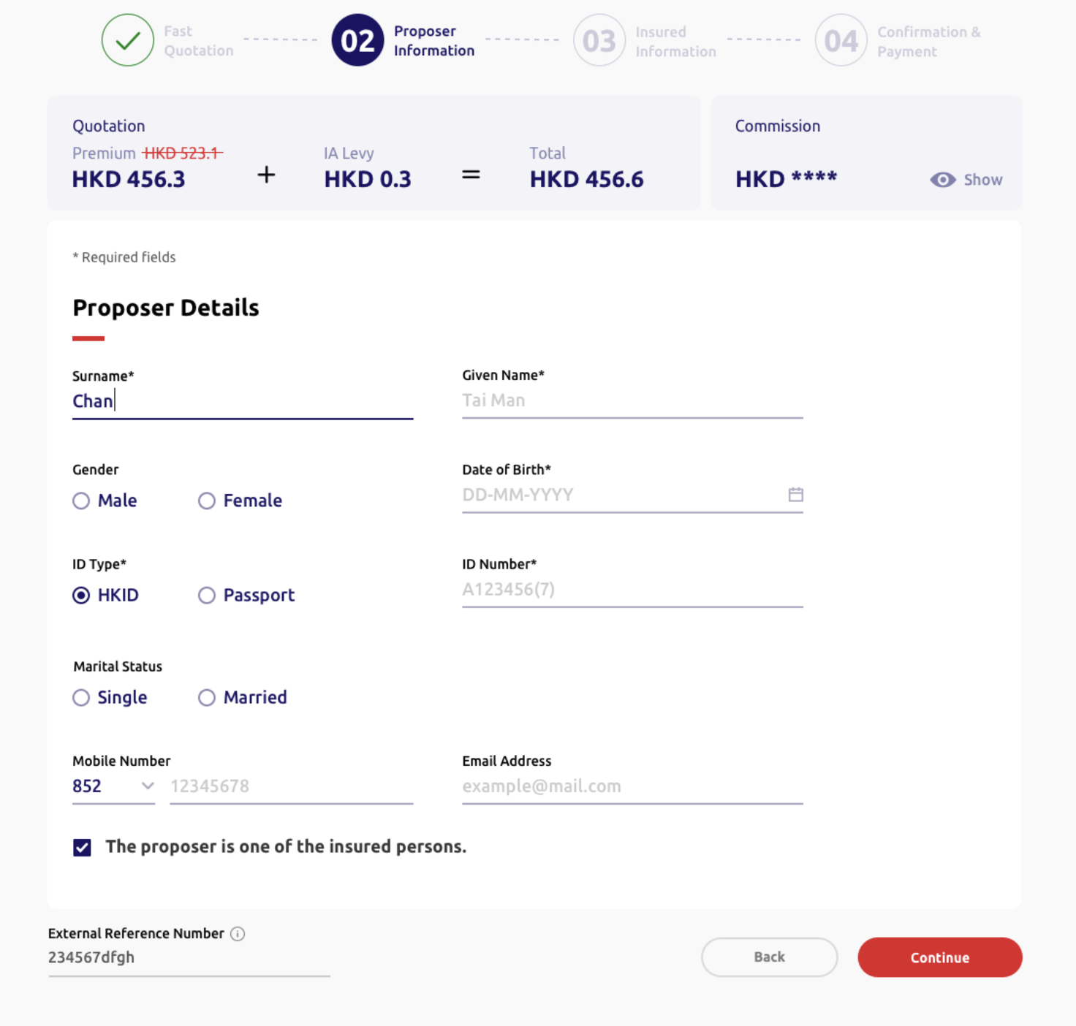
 |  |  | (All fields are same with 4.3 New Business - SunTravel (Single) - ePayment)

4.2.2 | Step 2 section name | Label | Proposer details | 投保人資料 | N.A | N.A | N.A | N.A | N.A | N.A | N.A | N.A

 |  |  | (All fields are same with 4.3 New Business - SunTravel (Single) - ePayment) |  |  |  |  |  |  |  |  |  | 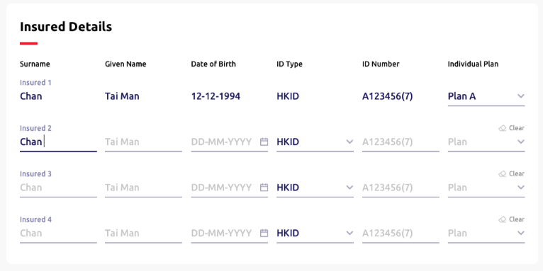

4.2.3 | Step 3 section name | Label | Insured person details | 受保人資料 | N.A. | N.A. | N.A. | N.A. | N.A. | N.A. | N.A. | N.A.

 |  |  | (Header, quotation and reference number component same as above) (Display fields please refer to Step 1-3) |  |  |  |  |  |  |  |  |  | 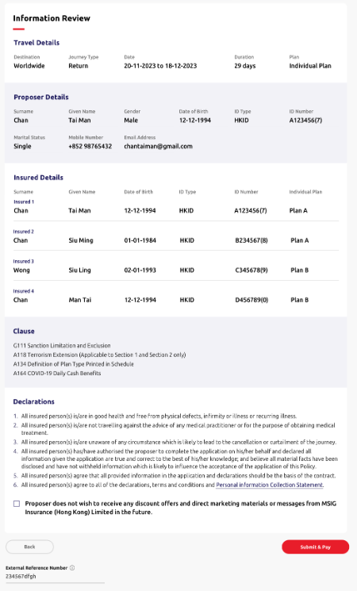

4.2.4 | Step 4 section name | Label | Information review | 資料核對 | N.A. | N.A. | N.A. | N.A. | N.A. | N.A. | N.A. | N.A.
4.2.5 | Sub section name | Label | Clause | 條款 | N.A. | N.A. | N.A. | N.A. | N.A. | N.A. | N.A. | N.A.
4.2.6 | Description | Text | G111 Sanction Limitation and Exclusion Clause | G111 制裁限制及除外 | N.A. | N.A. | N.A. | N.A. | N.A. | N.A. | N.A. | N.A.
4.2.7 | Description | Text | A118 Terrorism Extension (applicable to section 1 and section 2 only) | A118 恐怖活動伸延（只適用於部份一及部份二） | N.A. | N.A. | N.A. | N.A. | N.A. | N.A. | N.A. | N.A.
4.2.8 | Description | Text | A134 Definition of Plan Type Printed Schedule | A134 計劃類型定義列印於承保表 | N.A. | N.A. | N.A. | N.A. | N.A. | N.A. | N.A. | N.A.
4.2.9 | Description | Text | A164 COVID-19 Daily Cash Benefits | A164 2019冠狀病毒病現金津貼 | N.A. | N.A. | N.A. | N.A. | N.A. | N.A. | N.A. | N.A.

4.2.10 | Sub section name | Label | Declarations | 聲明 | N.A. | N.A. | N.A. | N.A. | N.A. | N.A. | N.A. | N.A.
4.2.11 | Description | Text | 1. All insured person(s) is/are in good health and free from physical defects, infirmity or illness or recurring iliness. | 1. 所有受保人身體健康及體格健全，現時絕無疾病或間歇性復發的疾病。 | N.A. | N.A. | N.A. | N.A. | N.A. | N.A. | N.A. | N.A.
4.2.12 | Description | Text | 2. All insured person(s) is/are not travelling against the advise of any medical practitioner or for the purpose of obtaining medical treatment. | 2. 所有受保人的行程並非有違註冊醫生的勸告，而外遊的目的並非為接受治療。 | N.A. | N.A. | N.A. | N.A. | N.A. | N.A. | N.A. | N.A.
4.2.13 | Description | Text | 3. All insured person(s) is/are unware of circumstance which is likely to lead to the cancellation or curtailment of the journey. | 3. 據所有受保人所知，並沒有受任何將會引致取消行程或行程延誤的情況。 | N.A. | N.A. | N.A. | N.A. | N.A. | N.A. | N.A. | N.A.
4.2.14 | Description | Text | 4. All insured person(s) has/have authorised the proposer to complete the application on his/her behalf and declared all information given the application are true and correct to the best of his/her knowledge; and believe all material facts have been disclosed and have not withheld information which is likely to influence the acceptance of the application of this Policy. | 4. 所有受保人授權投保人代其填寫投保書；並聲明在本申請書內填報的資料是根據所知並全部正確無訛及完整，亦没有隱瞞可能影響本申請承保的事實。 | N.A. | N.A. | N.A. | N.A. | N.A. | N.A. | N.A. | N.A.
4.2.15 | Description | Text | 5. All insured person(s) agree that all provided information in the application and declarations should be the basis of the contract. | 5. 所有受保人同意本申請、聲明及所提供的其他資料作為合約的基礎。 | N.A. | N.A. | N.A. | N.A. | N.A. | N.A. | N.A. | N.A.
4.2.16 | Description | Text | 6. All insured person(s) agree to all of the declaration, terms and conditions and Personal Information Collection Statement. | 6. 所有受保人同意所有聲明、條件和條款及個人資料收集聲明。 | N.A. | N.A. | N.A. | N.A. | N.A. | N.A. | N.A. | N.A.
4.2.17 | Proposer option | Checkbox | Proposer does not wish to receive any discount offers and direct marketing materials or message from MSIG Insurance (Hong Kong) Limited in the future. | 投保人不欲收取MSIG提供任何直銷活動、推廣或訊息。 | N.A. | N.A. | N.A. | N.A. | N.A. | N.A. | N.A. | N.A.
 |  |  |  |  | N.A.
4.2.18 | Back button | Action button | Back | 上一步 | N.A. | N.A. | N.A. | N.A. | N.A. | N.A. | N.A. | N.A.
4.2.19 | Submit button | Action button | Submit | 遞交 | N.A. | N.A. | N.A. | N.A. | N.A. | N.A. | N.A. | N.A.
4.2.20 | Column Name | Label | External reference number | 參考編號 | N.A. | N.A. | N.A. | N.A. | N.A. | N.A. | N.A. | N.A.

 |  |  | (All fields are same with 4.3 New Business - SunTravel (Single) - ePayment)

4.3 NBCoreProduct-SunTravel
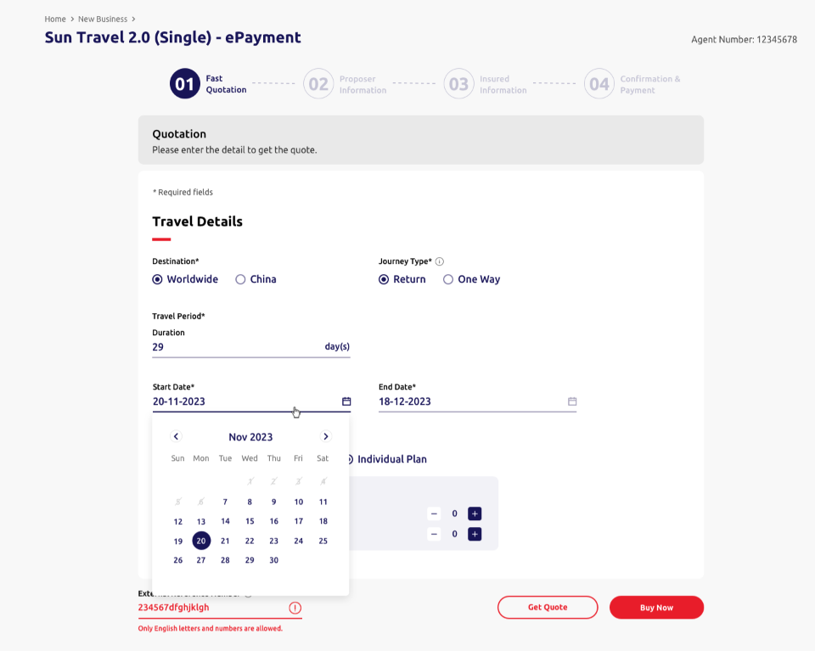
 | Item | Type | EN | TC | Required input? | Placeholder EN /Option EN | Placeholder TC /Option TC | Max. Length | Default value | Validation | Error message EN | Error message TC | Screenshot (for layout reference only)
4.3.1 | Home | Text button | Home | 主頁 | N.A | N.A | N.A | N.A | N.A | N.A | N.A | N.A
4.3.2 | Level 2 | Text button | New business | 新業務 | N.A | N.A | N.A | N.A | N.A | N.A | N.A | N.A
4.3.3 | Section Name | Label | SunTravel 2.0 (Single) - ePayment | 永明旅遊保障2.0（單次旅程）－網上支付 | N.A | N.A | N.A | N.A | N.A | N.A | N.A | N.A
4.3.4 | Agent no. title | Label | Agent number: | 代理帳號 | N.A | N.A | N.A | N.A | [Backend] | N.A | N.A | N.A

4.3.5 | New Business Step 1 | Text button | Fast quotation | 即時報價 | N.A | N.A | N.A | N.A | N.A | N.A | N.A | N.A
4.3.6 | New Business Step 2 | Text button | Proposer information | 投保人資料 | N.A | N.A | N.A | N.A | N.A | N.A | N.A | N.A
4.3.7 | New Business Step 3 | Text button | Insured information | 受保人資料 | N.A | N.A | N.A | N.A | N.A | N.A | N.A | N.A
4.3.8 | New Business Step 4 | Text button | Confirmation & submit | 確認及提交 | N.A | N.A | N.A | N.A | N.A | N.A | N.A | N.A

4.3.9 | Qutation section name | Label | Quotation | 報價 | N.A | N.A | N.A | N.A | N.A | N.A | N.A | N.A
4.3.10 | Description | Label | Please enter the details below to get the quote. | 請輸入下列資料以索取報價。 | N.A | N.A | N.A | N.A | N.A | N.A | N.A | N.A

4.3.11 | Description | Label | *Required | *必須填寫 | N.A | N.A | N.A | N.A | N.A | N.A | N.A | N.A
4.3.12 | Step 1 section name | Label | Travel details | 旅遊資料 | N.A | N.A | N.A | N.A | N.A | N.A | N.A | N.A
4.3.13 | Column name | Radio button | Destination* | 目的地* | Required | • Worldwide • China | • 全球 • 中國 | N.A | Worldwide | N.A | N.A | 請選擇 {field name} 。
4.3.14 | Column name | Radio button | Journey type* | 旅程類別* | Required | • Return • One way | • 來回 • 單程 | N.A | Return | N.A | N.A | 請選擇 {field name} 。
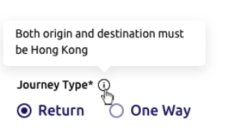
4.3.15 | Journey type info box | Text | [HK] Each trip must be commencing from Hong Kong [Macau] Each trip must be commencing from Macau | [HK] 每次旅程必須由香港出發 [Macau] 每次旅程必須由澳門出發 | N.A | N.A | N.A | N.A | N.A | N.A | N.A | N.A
4.3.16 | Column name | Label | Travel period* | 旅遊日期* | N.A | N.A | N.A | N.A | N.A | N.A | N.A | N.A
4.3.17 | Sub column name | Text input | Duration | 日數 | Required | N.A | N.A | 3 | Empty | Allow integer input only *Update logic refer to Appendix A* | [Frontend layout to cater] | [Frontend layout to cater]
 |  |  |  |  |  |  |  |  |  | Minimum days as 1 | The minimum duration is 1 day. Please enter again. | 最少日數為1日，請重新輸入。
 |  |  |  |  |  |  |  |  |  | Maximum days as 182 | The maximum duration is 182 days. Please enter again. | 最長日數為182日，請重新輸入。
 |  |  |  |  |  |  |  |  |  | Mandatory checking | Please enter the {field name}. | 請輸入 {field name} 。
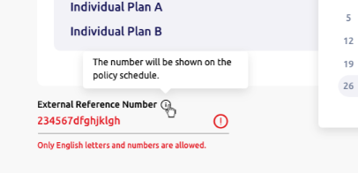
4.3.18 | Column name | Single date picker | Start date | 出發日期 | Required | DD-MM-YYYY | DD-MM-YYYY | N.A | [Today Date] | • Minimum date as today date • Maximum date as 60 days from today date *dim unavaliable dates* *Update logic refer to Appendix A* | [Frontend layout to cater] | [Frontend layout to cater]
 |  |  |  |  |  |  |  |  |  | Mandatory checking | Please select or enter the {field name}. | 請選擇或輸入 {field name}。
 |  |  |  |  |  |  |  |  |  | Format checking | Invalid date. Please select or enter again. | 日子無效，請重新選擇或輸入。
4.3.19 | Column name | Single date picker | End date | 回程日期 | Required | DD-MM-YYYY | DD-MM-YYYY | N.A | Empty | • Maximum date as 182 days from start date *dim unavaliable dates* | [Frontend layout to cater] | [Frontend layout to cater]
 |  |  |  |  |  |  |  |  |  | *Update logic refer to Appendix A*
4.3.20 | Column name | Radio button | Plan* | 計劃* | Required | • Family plan A • Family plan B • Individual plan | • 家庭計劃A • 家庭計劃B • 個人計劃 | N.A | Family Plan A | N.A | N.A | N.A
4.3.21 | Sub column name | Label | Plan type | 計劃類別 | N.A | N.A | N.A | N.A | N.A | N.A | N.A | N.A
4.3.22 | Sub column name | Label | No. of insured | 受保人數目 | N.A | N.A | N.A | N.A | N.A | N.A | N.A | N.A
4.3.21 | No.of insured (family plan A only) | Signed Numeric Input | Family Plan A | 家庭計劃A | N.A | N.A | N.A | 2 | 2 | • Minimum no. of insured as 2 (ie. Dim "-" button for 2) • Maximum no. of insured as 19 (ie. Dim "+" button for 19) • Allow integer input only | [Frontend layout to cater] | [Frontend layout to cater]
4.3.22 | No.of insured (family plan B only) | Signed Numeric Input | Family Plan B | 家庭計劃B | N.A | N.A | N.A | 2 | 2 | Same as Family Plan A
 | No.of insured (Family plan A only) | Signed Numeric Input | No. of insured | 受保人數目 | N.A | N.A | N.A | 2 | 2 | • Minimum no. of insured as 2 • Allow integer input only | The minimum number of insured is 2. Please enter again. | 受保人數目最少為2位，請重新輸入。
 |  |  |  |  |  |  |  |  |  | • Maximum no. of insured as 20 | The maximum number of insured is 20. Please enter again. | 受保人數目最多為20位，請重新輸入。
 | No.of insured (Family plan B only) | Signed Numeric Input | No. of insured | 受保人數目 | N.A | N.A | N.A | 2 | 2 | • Minimum no. of insured as 2 • Allow integer input only | The minimum number of insured is 2. Please enter again. | 受保人數目最少為2位，請重新輸入。
 |  |  |  |  |  |  |  |  |  | • Maximum no. of insured as 20 | The maximum number of insured is 20. Please enter again. | 受保人數目最多為20位，請重新輸入。
4.3.23 | No.of insured (individual plan only) | Signed Numeric Input | Plan A | 計劃A | N.A | N.A | N.A | 2 | 0 | • Sum of plan A and plan B's maximum no. of insured as 20 (ie. Dim "+" button for 20) • Allow integer input only | The maximum number of insured is 20. Please enter again. | 受保人數目最多為20位，請重新輸入。
 |  |  |  |  |  |  |  |  |  | Sum of plan A and plan B's minimum no. of insured as 1 | Please choose at least 1 plan. | 請選擇最少1個計劃
4.3.24 | No.of insured (individual plan only) | Signed Numeric Input | Plan B | 計劃B | N.A | N.A | N.A | 2 | 0 | Same as Individual Plan A

4.3.25 | Column name | Text input | External reference no. | 參考編號 | Optional | Empty | Empty | 25 | Empty | Only English, alphabet, numbers and special characters except “^” are allowed. | Only English letters, numbers and special characters except "^" are allowed. | 只可輸入英文字母、數字或特殊符號 ( 「^」 除外)。
4.3.26 | External reference number info box | Text | • The reference no. accepts English letters, numbers and special characters except “^” . • The number will be shown on the policy schedule. | 參考編號將顯示於保單承保表。 | N.A | N.A | N.A | N.A | N.A | N.A | N.A | N.A
4.3.27 | Get quote button | Action button | Get quote | 索取報價 | N.A | N.A | N.A | N.A | N.A | N.A | N.A | N.A
4.3.28 | Buy now button | Action button | Buy now | 立即投保 | N.A | N.A | N.A | N.A | N.A | N.A | N.A | N.A

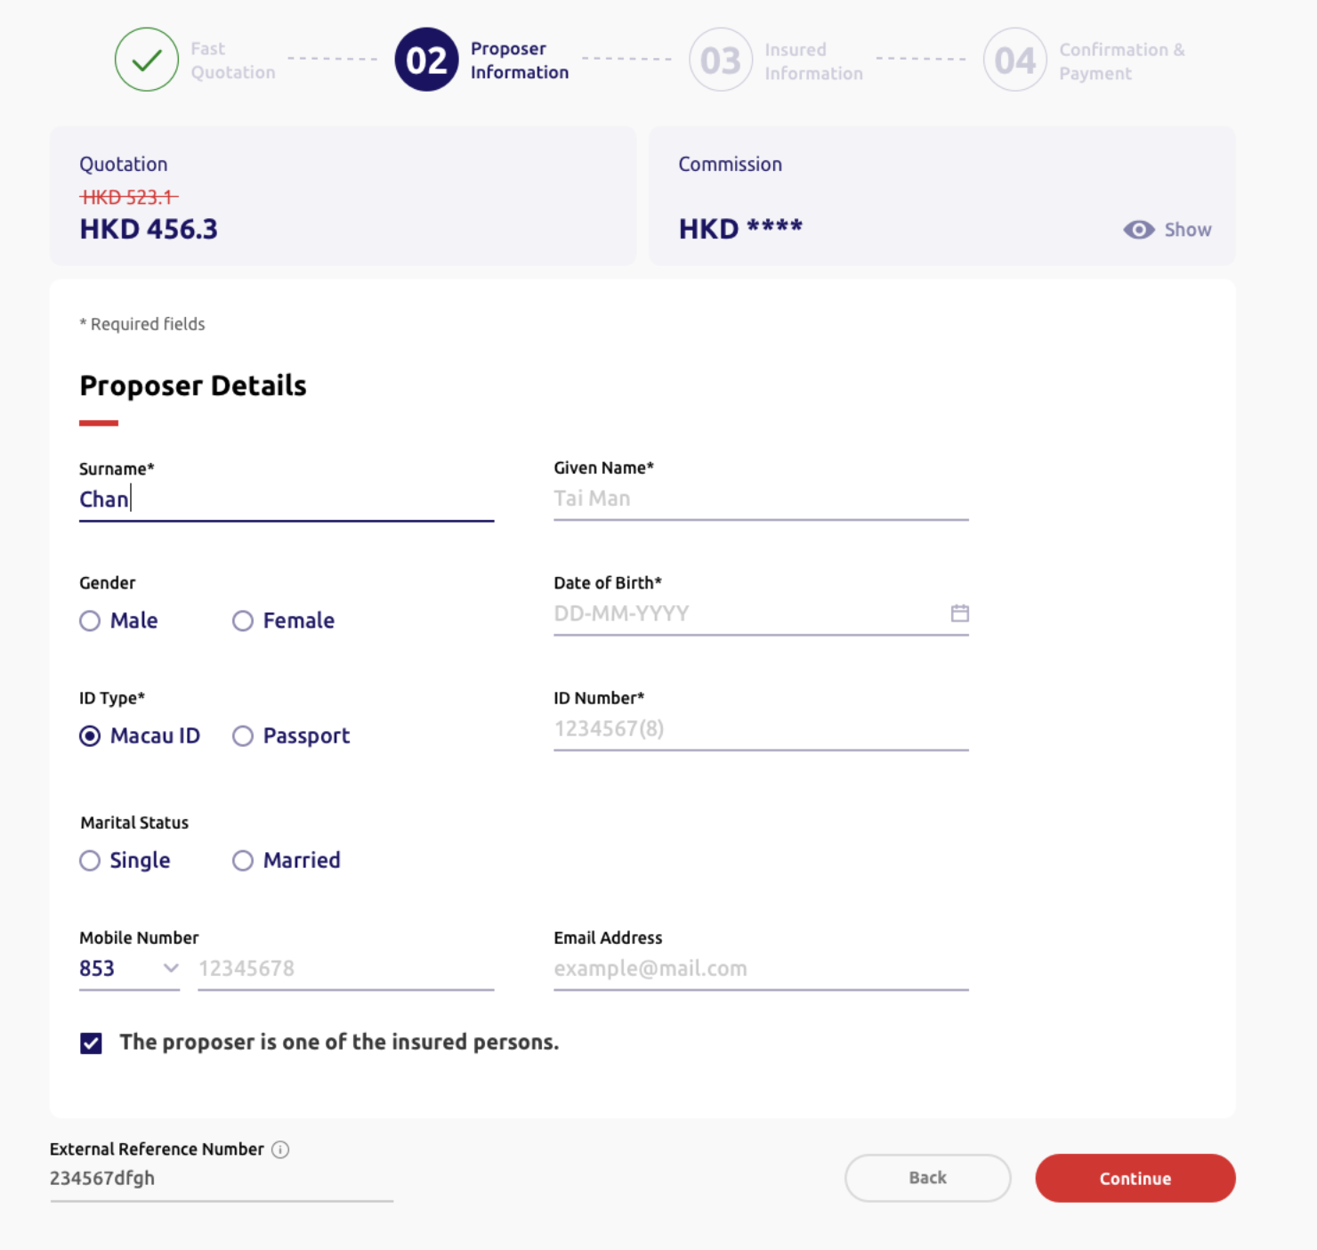
 |  |  | (Header component same as above)

4.3.29 | Title | Label | Quotation | 報價 | N.A | N.A | N.A | N.A | N.A | N.A | N.A | N.A
4.3.30 | Column Name | Label | Premium | 保費 | N.A | N.A | N.A | N.A | N.A | N.A | N.A | N.A
4.3.31 | Original premium amount | Text | HKD [Dynamic] | 港幣 [Dynamic] 元 | N.A | N.A | N.A | N.A | N.A | N.A | N.A | N.A
4.3.32 | Discounted premium amount | Text | HKD [Dynamic] | 港幣 [Dynamic] 元 | N.A | N.A | N.A | N.A | N.A | N.A | N.A | N.A
4.3.33 | Column Name (HK only) | Label | IA levy | 保險業監管局徵費 | N.A | N.A | N.A | N.A | N.A | [Backend] Disable for Macau | N.A | N.A
4.3.34 | IA levy amount (HK only) | Text | HKD[Dynamic] | 港幣 [Dynamic] 元 | N.A | N.A | N.A | N.A | N.A | [Backend] Disable for Macau | N.A | N.A
4.3.35 | Column Name (HK only) | Label | Total | 總保費 | N.A | N.A | N.A | N.A | N.A | N.A | N.A | N.A
4.3.36 | Total (HK only) | Label | HKD[Dynamic] | 港幣 [Dynamic] 元 | N.A | N.A | N.A | N.A | N.A | N.A | N.A | N.A
4.3.37 | Title | Label | Commission | 佣金 | N.A | N.A | N.A | N.A | N.A | N.A | N.A | N.A
4.3.38 | Commission amount | Text | HKD[Dynamic] | 港幣 [Dynamic] 元 | N.A | N.A | N.A | N.A | N.A | N.A | N.A | N.A
4.3.39 | Hide/Show button | Text button | Hide Show | 隱藏 顯示 | N.A | N.A | N.A | N.A | Hide | N.A | N.A | N.A

4.3.40 | Description | Label | *Required | *必填 | N.A | N.A | N.A | N.A | N.A | N.A | N.A | N.A
4.3.41 | Step 2 section name | Label | Proposer details | 投保人資料 | N.A | N.A | N.A | N.A | N.A | N.A | N.A | N.A
4.3.42 | Column name | Text input | Surname* | 姓氏* | Required | Chan | Chan | 30 | Empty | Mandatory checking | Please enter the {field name} of the proposer | 請輸入投保人之{field name}
 |  |  |  |  |  |  |  |  |  | Surname + Given Name can't be exceed 29 characters | Surname and Given Name should not exceed 29 characters | 姓氏及名字不可多於29個字元。
4.3.43 | Column name | Text input | Given name* | 名字* | Required | Tai Man | Tai Man | 20 | Empty | Mandatory checking | Please enter the {field name} of the proposer | 請輸入投保人之{field name}
4.3.44 | Given Name description | Text | Please enter "." if the proposer does not have a given name. | 如投保人未能提供名字，請輸入「. 」。
4.3.45 | Column name | Radio button (single option allowed only) | Gender | 性別 | Optional | • Male • Female | • 男 • 女 | N.A | Empty | N.A | N.A | N.A.
4.3.46 | Column name | Single date picker | Date of birth* | 出生日期* | Required | DD-MM-YYYY | DD-MM-YYYY | 10 | Empty | Set minimum date as today date | [Frontend layout to cater] | [Frontend layout to cater]
 |  |  |  |  |  |  |  |  |  | Mandatory checking | Please select or enter the {field name}. | 請選擇或輸入 {field name}。
 |  |  |  |  |  |  |  |  |  | Format checking | Invalid {field name}. Please select or enter again. | {field name} 無效，請重新選擇或輸入。
 |  |  |  |  |  |  |  |  |  | Age >= 18 and Age <= 85 | The proposer must be aged between 18 and 85. Please select or enter again. | 投保人年齡必須為18歲至85歲，請重新選擇或輸入。
4.3.47 | Column name | Radio button | ID type* | 身份證明文件類別* | Required | • [HK] HKID • Passport *Show all these options in HTML, option display logic handle by Backend* | • [HK]香港身份證 • 護照 *Show all these options in HTML, option display logic handle by Backend* | N.A. | [HK] HKID *Default HK for HTML dev* | N.A | N.A | N.A.
4.3.48 | Column name | Text input | ID number* | 身份證明文件號碼* | Required | A123456(7) | A123456(7) | 14 | Empty | Regular expression | Please enter a valid {ID Type value} number of the proposer *ID in capital letter | 請輸入投保人之有效 {ID Type value} 號碼
4.3.49 | Column name | Radio button (single option allowed only) | Marital status | 婚姻狀況 | Optional | • Single • Married | • 單身 • 已婚 | N.A | Empty | N.A | N.A | N.A
4.3.50 | Column name | Dropdown | Country code | 國家編碼 | Optional | • 852 • 853 • 86 | 852 853 86 | N.A | 852 | N.A | N.A | N.A
4.3.51 | Column name | Text input | Mobile number | 手提電話號碼 | Optional | 12345678 | 12345678 | [852] 8 [853] 8 [86] 11 | Empty | Regular expression;Dependency on country code | Invalid {field name}. Please enter again. | {field name} 無效，請重新輸入。
4.3.52 | Column name | Text input | Email | 電郵 | Optional | example@mail.com | example@mail.com | 50 | Empty | Regular expression | Invalid {field name}. Please enter again. | {field name} 無效，請重新輸入。
4.3.53 | Proposer option | Checkbox | The proposer is one of the insured persons. | 投保人是受保人之一。 | Optional | N.A. | N.A. | N.A. | Untick | N.A. | N.A. | N.A.

4.3.54 | Column name | Text input | External reference number | 參考編號 | Optional | Empty | Empty | 25 | Empty | Only English, alphabet, numbers and special characters except “^” are allowed. | Only English letters, numbers and special characters except "^" are allowed. | 只可輸入英文字母、數字或特殊符號 ( 「^」 除外)。
4.3.55 | Back button | Action button | Back | 上一步 | N.A. | N.A. | N.A. | N.A. | N.A. | N.A. | N.A. | N.A.
4.3.56 | Continue button | Action button | Continue | 下一步 | N.A. | N.A. | N.A. | N.A. | N.A. | N.A. | N.A. | N.A.

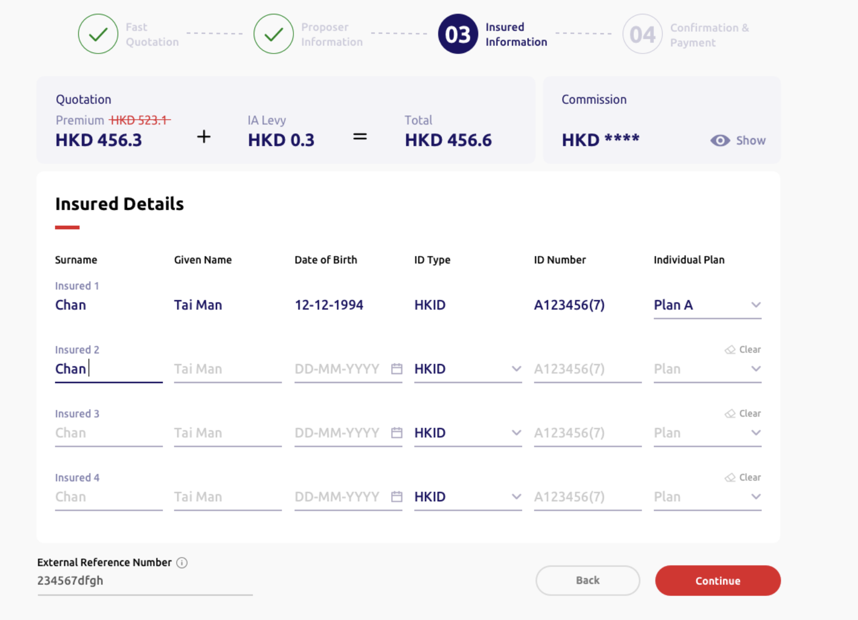
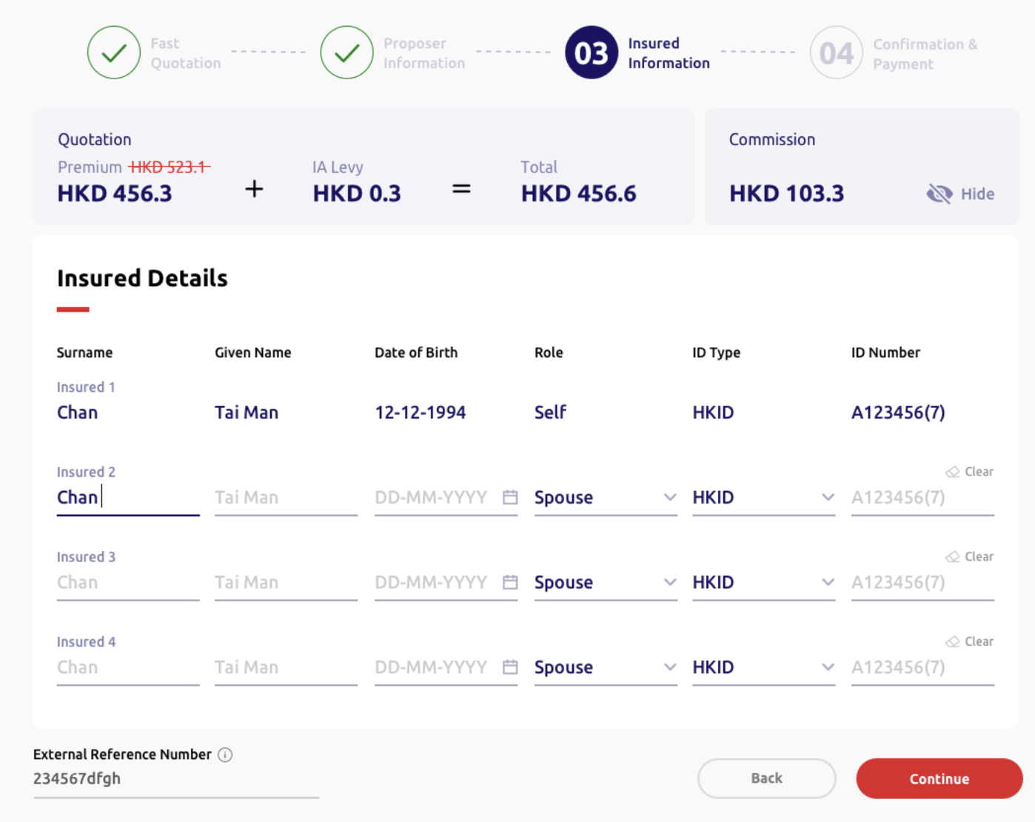
 |  |  | (Header, quotation, reference number and footer component same as above)

4.3.57 | Step 3 section name | Label | Insured person details | 受保人資料 | N.A. | N.A. | N.A. | N.A. | N.A. | N.A. | N.A. | N.A.
4.3.58 | Column name | Label | Journey type | 旅程類別 | N.A. | N.A. | N.A. | N.A. | Worldwide | N.A. | N.A.
4.3.59 | Column name | Text input | Surname* | 姓氏* | Required | Chan | Chan | 30 | Empty | Mandatory checking | Please enter the {field name} of the insured | 請輸入受保人之 {field name}
 |  |  |  |  |  |  |  |  |  | Surname + Given Name can't be exceed 29 characters | Surname and Given Name should not exceed 29 characters | 姓氏及名字不可多於29個字元。
4.3.60 | Sub column name | Label | Insured 1/2/3/4/5/… | 受保人 1/2/3/4/5/... | N.A. | N.A. | N.A. | N.A. | N.A. | N.A. | N.A. | N.A.
4.3.61 | Column name | Text input | Given name* | 名字* | Required | Tai Man | Tai Man | 20 | Empty | Mandatory checking | Please enter the {field name} of the insured | 請輸入受保人之 {field name}
4.3.62 | Given name desciption | Text | Please enter "." if the proposer does not have a given name. | 如投保人未能提供名字，請輸入「. 」。 | N.A. | N.A. | N.A. | N.A. | N.A. | N.A. | N.A. | N.A.
4.3.62 | Column name (family plan only) | Dropdown | Relationship* | 關係 | Required | • Self • Spouse • Child | • 自己 • 配偶 • 子女 | N.A. | [If Proposer option is ticked and Self information auto-filled] Spouse [If Proposer option is unticked] Self *For HTML dev, default Proposer is ticked, then one row of self with filled fields will be shown and one row of spouse will be shown* | Maximum number of Spouse as 1 | Spouse can only choose once, please select again. | 配偶只可以選擇一次，請重新選擇。
4.3.63 | Column name | Single date picker | Date of birth* | 出生日期* | Required | DD-MM-YYYY | DD-MM-YYYY | 10 | Empty | Set minimum date as today date | [Frontend layout to cater] | [Frontend layout to cater] |  | i
 |  |  |  |  |  |  |  |  |  | Mandatory checking | Please select or enter the {field name}. | 請選擇或輸入 {field name}。
 |  |  |  |  |  |  |  |  |  | Format checking | Invalid {field name}. Please select or enter again. | {field name} 無效，請重新選擇或輸入。
 |  |  |  |  |  |  |  |  |  | For role is spouse/self, age >= 18 and <= 85 | The insured adult must be aged between 18 and 85. Please select or enter again. | 受保成人年齡必須為18歲至85歲，請重新選擇或輸入。
 |  |  |  |  |  |  |  |  |  | For role is child, age < 18 | The insured child must be aged under 18. Please select or enter again. | 受保小童年齡必須為18歲以下，請重新選擇或輸入。
4.3.64 | Column name | Radio button | ID type* | 身份證明文件類別* | Required | • [HK] HKID • [Macau] Macau ID • Passport *Show all three options in HTML, option display logic handle by Backend* | • [HK]香港身份證 • [Macau]澳門身份證 • 護照 *Show all three options in HTML, option display logic handle by Backend* | N.A. | [HK] HKID [Macau] Macau ID *Default HK for HTML dev* | N.A | N.A | N.A.
4.3.65 | Column name | Text input | ID number* | 身份證明文件號碼* | Required | A123456(7) | A123456(7) | 14 | Empty | Regular expression | Please enter a valid {field name}. | 請輸入有效 {field name}。
 |  |  |  |  |  |  |  |  |  | Duplicate checking | The insured persons' {field name} must not be the same. Please enter again. | 受保人之 {field name} 必須不同，請重新輸入。
4.3.66 | Column name (individual plan only) | Dropdown | Individual plan type* | 個人計劃類別* | N.A. | • Plan A • Plan B | • 計劃 A • 計劃 B | N.A. | [Backend] *Default Plan A for HTML dev* | N.A. | N.A. | N.A.
4.3.67 | Clear button | Text button | Clear | 清除 | N.A. | N.A. | N.A. | N.A. | N.A. | N.A. | N.A. | N.A.

 |  |  | (Header, quotation and reference number component same as above) (Display fields please refer to Step 1-3)
4.3.68 | Step 4 section name | Label | Information review | 資料核對 | N.A. | N.A. | N.A. | N.A. | N.A. | N.A. | N.A. | N.A.
4.3.69 | Sub section name | Label | Clause | 條款 | N.A. | N.A. | N.A. | N.A. | N.A. | N.A. | N.A. | N.A.
4.3.70 | Description | Text | G111 Sanction Limitation and Exclusion Clause | G111 制裁限制及除外 | N.A. | N.A. | N.A. | N.A. | N.A. | N.A. | N.A. | N.A.
4.3.71 | Description | Text | A118 Terrorism Extension (applicable to section 1 and section 2 only) | A118 恐怖活動伸延（只適用於部份一及部份二） | N.A. | N.A. | N.A. | N.A. | N.A. | N.A. | N.A. | N.A.
4.3.72 | Description | Text | A134 Definition of Plan Type Printed Schedule | A134 計劃類型定義列印於承保表 | N.A. | N.A. | N.A. | N.A. | N.A. | N.A. | N.A. | N.A.
4.3.73 | Description | Text | A164 COVID-19 Daily Cash Benefits | A164 2019冠狀病毒病現金津貼 | N.A. | N.A. | N.A. | N.A. | N.A. | N.A. | N.A. | N.A.

4.3.74 | Sub section name | Label | Declarations | 聲明 | N.A. | N.A. | N.A. | N.A. | N.A. | N.A. | N.A. | N.A.
4.3.75 | Description | Text | 1. All insured person(s) is/are in good health and free from physical defects, infirmity or illness or recurring illness. | 1. 所有受保人身體健康及體格健全，現時絕無疾病或間歇性復發的疾病。 | N.A. | N.A. | N.A. | N.A. | N.A. | N.A. | N.A. | N.A.
4.3.76 | Description | Text | 2. All insured person(s) is/are not travelling against the advise of any medical practitioner or for the purpose of obtaining medical treatment. | 2. 所有受保人的行程並非有違註冊醫生的勸告，而外遊的目的並非為接受治療。 | N.A. | N.A. | N.A. | N.A. | N.A. | N.A. | N.A. | N.A.
4.3.77 | Description | Text | 3. All insured person(s) is/are unaware of circumstance which is likely to lead to the cancellation or curtailment of the journey. | 3. 據所有受保人所知，並沒有受任何將會引致取消行程或行程延誤的情況。 | N.A. | N.A. | N.A. | N.A. | N.A. | N.A. | N.A. | N.A.
4.3.78 | Description | Text | 4. All insured person(s) has/have authorised the proposer to complete the application on his/her behalf and declared all information given the application are true and correct to the best of his/her knowledge; and believe all material facts have been disclosed and have not withheld information which is likely to influence the acceptance of the application of this Policy. | 4. 所有受保人授權投保人代其填寫投保書；並聲明在本申請書內填報的資料是根據所知並全部正確無訛及完整，亦没有隱瞞可能影響本申請承保的事實。 | N.A. | N.A. | N.A. | N.A. | N.A. | N.A. | N.A. | N.A.
4.3.79 | Description | Text | 5. All insured person(s) agree that all provided information in the application and declarations should be the basis of the contract. | 5. 所有受保人同意本申請、聲明及所提供的其他資料作為合約的基礎。 | N.A. | N.A. | N.A. | N.A. | N.A. | N.A. | N.A. | N.A.
4.3.80 | Description | Text | 6. All insured person(s) agree to all of the declaration, terms and conditions and Personal Information Collection Statement. | 6. 所有受保人同意所有聲明、條件和條款及個人資料收集聲明。 | N.A. | N.A. | N.A. | N.A. | N.A. | N.A. | N.A. | N.A.
4.3.81 | Proposer option | Checkbox | Proposer does not wish to receive any discount offers and direct marketing materials or message from MSIG Insurance (Hong Kong) Limited in the future. | 投保人不欲收取MSIG提供任何直銷活動、推廣或訊息。 | N.A. | N.A. | N.A. | N.A. | N.A. | N.A. | N.A. | N.A.

4.3.82 | Back button | Action button | Back | 上一步 | N.A. | N.A. | N.A. | N.A. | N.A. | N.A. | N.A. | N.A.
4.3.83 | Submit and Pay button | Action button | Submit & pay | 遞交及付款 | N.A. | N.A. | N.A. | N.A. | N.A. | N.A. | N.A. | N.A.
4.3.84 | Column Name | Label | External reference number | 參考編號 | N.A. | N.A. | N.A. | N.A. | N.A. | N.A. | Only English letters, numbers and special characters except "^" are allowed. | 只可輸入英文字母、數字或特殊符號 ( 「^」 除外)。
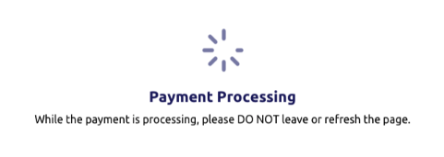
 |  |  | (Header component same as above)

4.3.86 | Title | Label | Payment processing | 付款進行中 | N.A. | N.A. | N.A. | N.A. | N.A. | N.A. | N.A. | N.A.
4.3.87 | Decription | Label | While the payment is processing, please DO NOT leave or refresh the page. | 付款進行中，請勿離開或刷新頁面。 | N.A. | N.A. | N.A. | N.A. | N.A. | N.A. | N.A. | N.A.

 |  |  | (Header component same as above)

4.3.88 | Title | Label | Policy issued | 已發出保單 | N.A. | N.A. | N.A. | N.A. | N.A. | N.A. | N.A. | N.A.
4.3.89 | Sub title | Label | Policy number: [Dynamic] | 保單號碼：[Dynamic] | N.A. | N.A. | N.A. | N.A. | N.A. | N.A. | N.A. | N.A.
4.3.90 | Description | Label | The policy and its document will be generated shortly. We will notify you once they are available on the portal. | 保單及相關文件即將發出。當可於系統查閱時，我們會通知您。 | N.A. | N.A. | N.A. | N.A. | N.A. | N.A. | N.A. | N.A. | 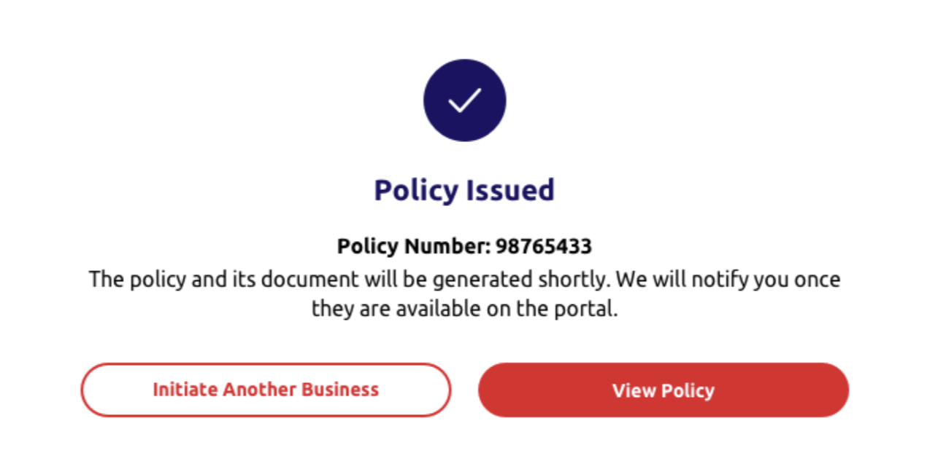
4.3.91 | New Business button | Label | Initiate another business | 創建新業務 | N.A. | N.A. | N.A. | N.A. | N.A. | N.A. | N.A. | N.A.
4.3.92 | View Policy button | Label | View policy | 查看保單 | N.A. | N.A. | N.A. | N.A. | N.A. | N.A. | N.A. | N.A.

4.4 NB-TravelSurance 7.0
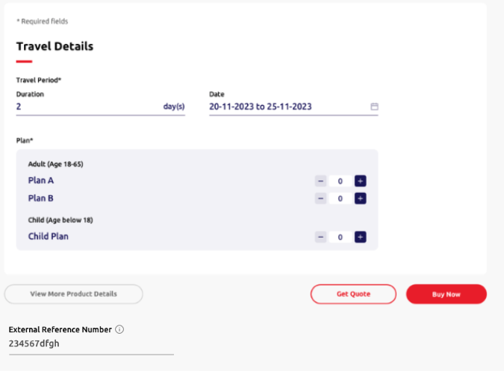
____ | Item | Type | EN | TC | Required input? | Placeholder EN /Option EN | Placeholder TC /Option TC | Max. Length | Default value | Validation | Error message EN | Error message TC | Screenshot (for layout reference only)
 |  |  | (Header and quotation component refer to 4.3 New Business - SunTravel (Single) - ePayment)

4.4.1 | Description | Label | *Required | *必須填寫 | N.A | N.A | N.A | N.A | N.A | N.A | N.A | N.A
4.4.2 | Step 1 section name | Label | Travel details | 旅遊資料 | N.A | N.A | N.A | N.A | N.A | N.A | N.A | N.A
4.4.3 | Column name | Label | Travel period* | 旅遊日期* | N.A | N.A | N.A | N.A | N.A | N.A | N.A | N.A
4.4.4 | Sub column name | Text input | Duration | 日數 | Required | N.A | N.A | 3 | Empty | Allow integer input only *Update logic refer to Appendix A* | [Frontend layout to cater] | [Frontend layout to cater]
 |  |  |  |  |  |  |  |  |  | Minimum days as 1 | The minimum duration is 1 day. Please enter again. | 最少日數為1日，請重新輸入。
 |  |  |  |  |  |  |  |  |  | Maximum days as 182 | The Maximum duration is 182 days. Please enter again. | 最長日數為182日，請重新輸入。
 |  |  |  |  |  |  |  |  |  | Mandatory checking | Please enter the {field name}. | 請輸入 {field name}
4.4.5 | Column name | Single date picker | Start date | 出發日期 | Required | DD-MM-YYYY | DD-MM-YYYY | N.A | [Today Date] | • Minimum date as today date • Maximum date as 60 days from today date *dim unavaliable dates* *Update logic refer to Appendix A* | [Frontend layout to cater] | [Frontend layout to cater]
 |  |  |  |  |  |  |  |  |  | Mandatory checking | Please select {field name} | 請選擇 {field name}
 |  |  |  |  |  |  |  |  |  | Format checking | Invalid date | 日子無效
4.4.6 | Column name | Single date picker | End date | 回程日期 | Required | DD-MM-YYYY | DD-MM-YYYY | N.A | Empty | • Maximum date as 182 days from start date *dim unavaliable dates* | [Frontend layout to cater] | [Frontend layout to cater]
 |  |  |  |  |  |  |  |  |  | *Update logic refer to Appendix A*
4.4.7 | Column name | Label | Plan* | 計劃* | N.A | N.A | N.A | N.A | N.A | N.A | N.A | N.A
4.4.8 | Sub column name | Label | Adult (Age 18-65) | 成人（年齡18-65） | Optional | Plan A | 計劃A | 2 | 0 | Sum of plan A, plan B and Child Plan's minimum no. of insured as 1 | The minimum number of insured is 1. Please enter again. | 受保人數目最少為1位，請重新輸入。
4.4.9 |  |  |  |  | Optional | Plan B | 計劃B | 2 | 0
4.4.10 | Column name | Label | Child (Age below 18) | 小童（年齡為18以下） | Optional | Child plan | 小童計劃 | 2 | 0
 |  |  |  |  |  |  |  |  |  | Maximum no. of insured as 20 | The maximum number of insured is 20. Please enter again. | 受保人數目最多為20位，請重新輸入。
4.4.11 | Column name | Text input | External reference number | 參考編號 | Optional | Empty | Empty | 25 | Empty | Only English, alphabet, numbers and special characters except “^” are allowed. | Only Engligh letters and numbers are allowed. | 只可輸入英文字母或數字。
4.4.12 | External reference number info box | Text | The number will be shown on the policy schedule. | 參考編號將顯示於保單承保表。 | N.A | N.A | N.A | N.A | N.A | N.A | N.A | N.A
4.4.13 | View More Product Details button | Action button | View more product details | 查看更多產品資料 | N.A | N.A | N.A | N.A | N.A | N.A | N.A | N.A
4.4.14 | Get quote button | Action button | Get quote | 索取報價 | N.A | N.A | N.A | N.A | N.A | N.A | N.A | N.A
4.4.15 | Buy now button | Action button | Buy now | 立即投保 | N.A | N.A | N.A | N.A | N.A | N.A | N.A | N.A
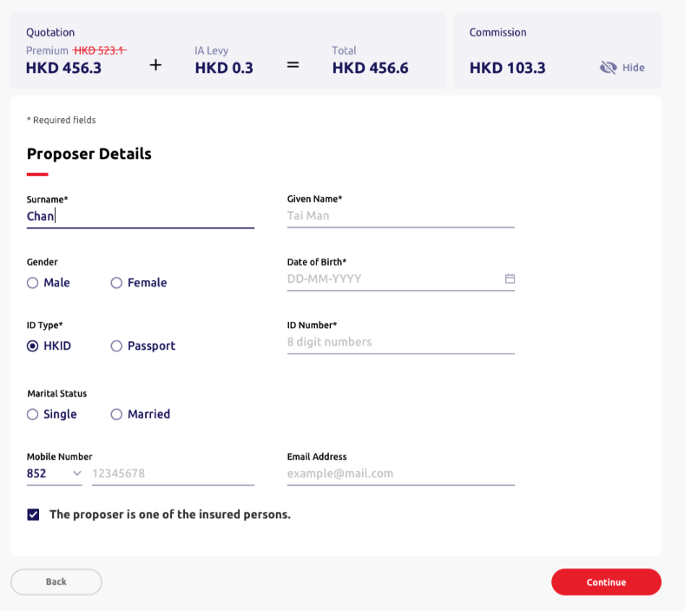
 |  |  | (All fields are same with 4.3 New Business - SunTravel (Single) - ePayment)

4.4.16 | Step 2 section name | Label | Proposer details | 投保人資料 | N.A | N.A | N.A | N.A | N.A | N.A | N.A | N.A
4.4.35 | Column name | Dropdown | Country Code |  | Optional | • 852 • 853 • 86 | 852 853 86 | N.A | 852 | N.A | N.A | N.A
4.4.36 | Column name | Text input | Mobile Number |  | Optional | 12345678 | 12345678 | [852] 8 [853] 8 [86] 11 | Empty | Regular expression | Invalid {field name}
4.4.37 | Column name | Text input | Email Address |  | Optional | example@mail.com | example@mail.com | 50 | Empty | Regular expression | Invalid {field name}
4.4.38 | Proposer option | Checkbox | The proposer is one of the insured persons. |  | Optional | N.A. | N.A. | N.A. | Untick | N.A. | N.A. | N.A.

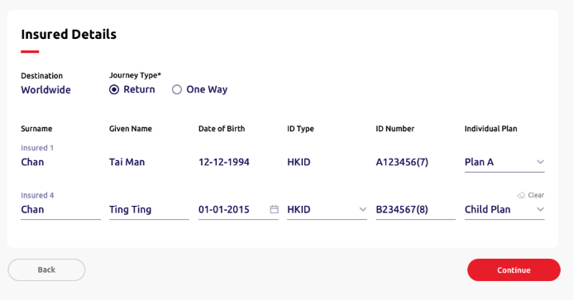
 |  |  | (Header, quotation, reference number and footer component same as above)

4.4.17 | Step 3 section name | Label | Insured person details | 受保人資料 | N.A. | N.A. | N.A. | N.A. | N.A. | N.A. | N.A. | N.A.
4.4.18 | Column name | Label | Destination | 目的地 | N.A. | N.A. | N.A. | N.A. | Worldwide | N.A. | N.A. | N.A.
4.4.19 | Column name | Radio button | Journey type | 旅程類別 | Required | • Return • One way | • 來回 • 單程 | N.A | Return | N.A | N.A | N.A
4.4.20 | Journey type info box | Text | [HK] Each trip must be commencing from Hong Kong [Macau] Each trip must be commencing from Macau*Default HK for HTML dev* | [HK] 每次旅程必須由香港出發 [Macau] 每次旅程必須由澳門出發 | N.A | N.A | N.A | N.A | N.A | N.A | N.A | N.A
4.4.21 | Column name | Text input | Surname* | 姓氏* | Required | Chan | 陳 | 30 | Empty | Mandatory checking | Please enter the {field name} of the insured | 請輸入受保人之 {field name}
4.4.22 | Sub column name | Label | Insured 1/2/3/4/5/… | 受保人 1/2/3/4/5/... | N.A. | N.A. | N.A. | N.A. | N.A. | N.A. | N.A. | N.A.
4.4.23 | Column name | Text input | Given name* | 名字* | Required | Tai Man | 大文 | 20 | Empty | Mandatory checking | Please enter the {field name} of the insured | 請輸入受保人之 {field name}
4.3.44 | Given Name description | Text | Please enter "." if the proposer does not have a given name. | 如投保人未能提供名字，請輸入「. 」。 | N.A. | N.A. | N.A. | N.A. | N.A. | N.A. | N.A. | N.A.
4.4.24 | Column name | Text | Relationship* | 關係 | Required | • Adult • Child | • 成人 • 小童 | N.A. | [Backend] | N.A. | N.A. | N.A.
4.4.25 | Column name | Single date picker | Date of birth | 出生日期 | Required | DD-MM-YYYY | DD-MM-YYYY | 10 | Empty | Set minimum date as today date | [Frontend layout to cater] | [Frontend layout to cater]
 |  |  |  |  |  |  |  |  |  | Mandatory checking | Please select or enter the {field name}. | 請選擇或輸入 {field name}。
 |  |  |  |  |  |  |  |  |  | Format checking | Invalid {field name}. | {field name} 無效
 |  |  |  |  |  |  |  |  |  | For role is adult, age >= 18 and age <=85 | The insured adult must be aged between 18 and 85. Please select or enter again. | 受保人年齡必須為18歲至85歲，請重新選擇或輸入。
 |  |  |  |  |  |  |  |  |  | For role is child, age < 18 | The Insured child must be under 18 years old. | 受保小童年齡必須為18歲以下。
4.4.26 | Column name | Radio button | ID type* | 身份證明文件類別* | Required | • [HK] HKID • [Macau] Macau ID • Passport *Show all three options in HTML, option display logic handle by Backend* | • [HK]香港身份證 • [Macau]澳門身份證 • 護照 *Show all three options in HTML, option display logic handle by Backend* | N.A. | [HK] HKID [Macau] Macau ID *Default HK for HTML dev* | N.A | N.A | N.A.
4.4.27 | Column name | Text input | ID number* | 身份證明文件號碼* | Required | A123456(7) | A123456(7) | 14 | Empty | Regular expression;Dependency on country code | Please enter a valid {field name}. | 請輸入有效之 {field name}。
 |  |  |  |  |  |  |  |  |  | Duplicate checking | The insured persons' {field name} must not be the same. Please enter again. | 受保人之 {field name} 必須不同，請重新輸入。
4.4.28 | Column name | Dropdown | Plan | 計劃 | N.A. | • Plan A • Plan B • Child plan | • 計劃 A • 計劃 B • 小童計劃 | N.A. | [Backend] *Default Plan A for HTML dev* | N.A. | N.A. | N.A.
4.4.29 | Clear button | Text button | Clear | 清除 | N.A. | N.A. | N.A. | N.A. | N.A. | N.A. | N.A. | N.A.

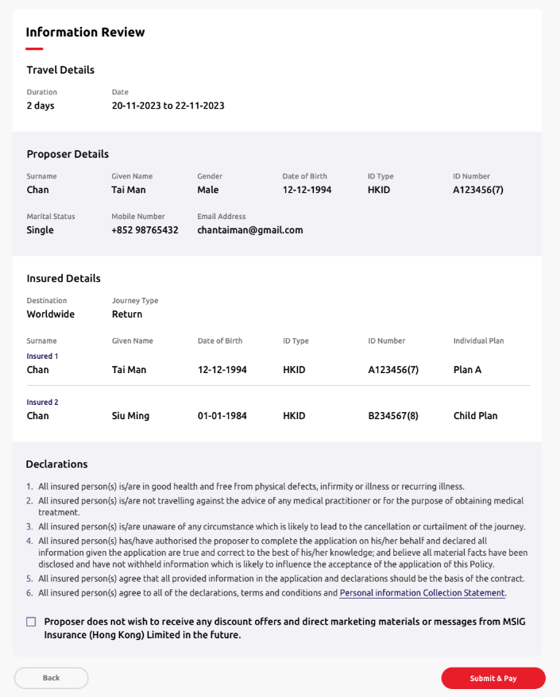
 |  |  | (Header, quotation and reference number component same as above) (Display fields please refer to Step 1-3)

4.4.30 | Step 4 section name | Label | Information review | 資料核對 | N.A. | N.A. | N.A. | N.A. | N.A. | N.A. | N.A. | N.A.
4.4.31 | Sub section name | Label | Clause | 條款 | N.A. | N.A. | N.A. | N.A. | N.A. | N.A. | N.A. | N.A.
4.4.32 | Description | Text | G111 Sanction Limitation and Exclusion Clause | G111 制裁限制及除外 | N.A. | N.A. | N.A. | N.A. | N.A. | N.A. | N.A. | N.A.
4.4.33 | Description | Text | A133 Terrorism Extension (applicable to section 1 and section 2 only) | A133 恐怖襲擊活動附加保障（適用於第1 節及第2節） | N.A. | N.A. | N.A. | N.A. | N.A. | N.A. | N.A. | N.A.

4.4.34 | Sub section name | Label | Declarations | 聲明 | N.A. | N.A. | N.A. | N.A. | N.A. | N.A. | N.A. | N.A.
4.4.35 | Description | Text | 1. All insured person(s) is/are in good health and free from physical defects, infirmity or illness or recurring illness. | 1. 所有受保人身體健康及體格健全，現時絕無疾病或間歇性復發的疾病。 | N.A. | N.A. | N.A. | N.A. | N.A. | N.A. | N.A. | N.A.
4.4.36 | Description | Text | 2. All insured person(s) is/are not travelling against the advice of any medical practitioner or for the purpose of obtaining medical treatment. | 2. 所有受保人的行程並非有違註冊醫生的勸告，而外遊的目的並非為接受治療。 | N.A. | N.A. | N.A. | N.A. | N.A. | N.A. | N.A. | N.A.
4.4.37 | Description | Text | 3. All insured person(s) is/are unaware of any circumstance which is likely to lead to the cancellation or curtailment of the journey. | 3. 據所有受保人所知，並沒有受任何將會引致取消行程或行程延誤的情況。 | N.A. | N.A. | N.A. | N.A. | N.A. | N.A. | N.A. | N.A.
4.4.38 | Description | Text | 4. All insured person(s) has/have authorised the proposer to complete the application on his/her behalf and declared all information given the application are true and correct to the best of his/her knowledge; and believe all material facts have been disclosed and have not withheld information which is likely to influence the acceptance of the application of this Policy. | 4. 所有受保人授權投保人代其填寫投保書；並聲明在本申請書內填報的資料是根據所知並全部正確無訛及完整，亦没有隱瞞可能影響本申請承保的事實。 | N.A. | N.A. | N.A. | N.A. | N.A. | N.A. | N.A. | N.A.
4.4.39 | Description | Text | 5. All insured person(s) agree that all provided information in the application and declarations should be the basis of the contract. | 5. 所有受保人同意本申請、聲明及所提供的其他資料作為合約的基礎。 | N.A. | N.A. | N.A. | N.A. | N.A. | N.A. | N.A. | N.A.
4.4.40 | Description | Text | 6. All insured person(s) agree to all of the declarations, terms and conditions and Personal Information Collection Statement. | 6. 所有受保人同意所有聲明、條件和條款及個人資料收集聲明。 | N.A. | N.A. | N.A. | N.A. | N.A. | N.A. | N.A. | N.A.
4.4.41 | Proposer option | Checkbox | Proposer does not wish to receive any discount offers and direct marketing materials or message from MSIG Insurance (Hong Kong) Limited in the future. | 投保人不欲收取MSIG提供任何直銷活動、推廣或訊息。 | N.A. | N.A. | N.A. | N.A. | N.A. | N.A. | N.A. | N.A.
 |  |  |  |  |  |  |  | N.A.
4.4.42 | Back button | Action button | Back | 上一步 | N.A. | N.A. | N.A. | N.A. | N.A. | N.A. | N.A. | N.A.
4.4.43 | Submit button | Action button | Submit | 遞交 | N.A. | N.A. | N.A. | N.A. | N.A. | N.A. | N.A. | N.A.

 |  |  | (All fields are same with 4.3 New Business - SunTravel (Single) - ePayment)

4.5 NB-Annual TravelSurance 7.0
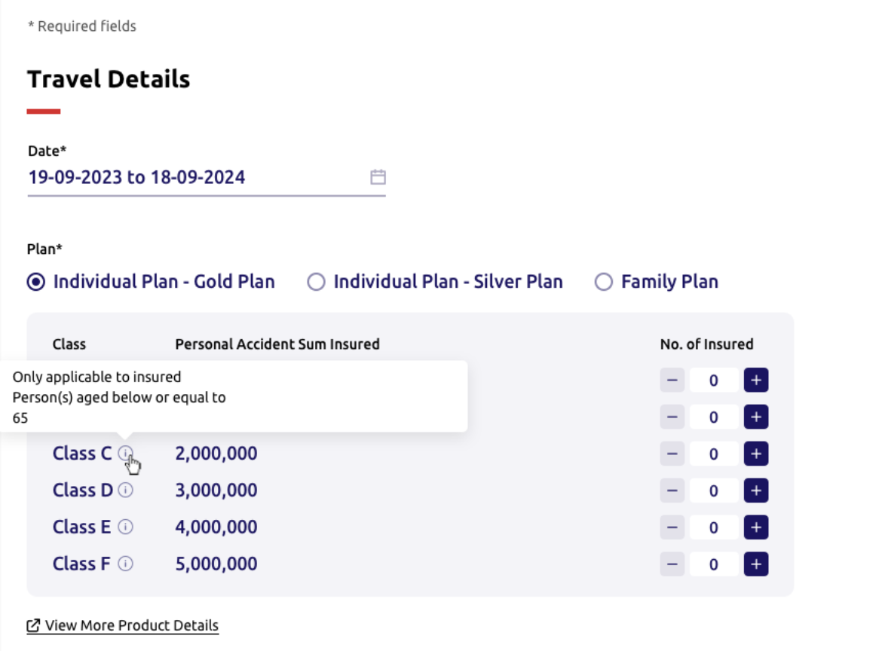
– | Item | Type | EN | TC | Required input? | Placeholder EN /Option EN | Placeholder TC /Option TC | Max. Length | Default value | Validation | Error message EN | Error message TC | Screenshot (for layout reference only)
 |  |  | (Header, quotation, reference number and footer component refer to 4.4 New Business - TravelSurance)

4.5.1 | Description | Label | *Required | *必須填寫 | N.A | N.A | N.A | N.A | N.A | N.A | N.A | N.A
4.5.2 | Step 1 section name | Label | Travel details | 旅遊資料 | N.A | N.A | N.A | N.A | N.A | N.A | N.A | N.A
4.5.3 | Column name | Label | Travel period* | 旅遊日期* | N.A | N.A | N.A | N.A | N.A | N.A | N.A | N.A
4.5.4 | Column name | Single date picker | Start date | 起保日 | Required | DD-MM-YYYY | DD-MM-YYYY | N.A. | [Today Date] | • Minimum date as today date • Maximum date as 60 days from today date *dim unavaliable dates* *Update logic refer to Appendix A* | [Frontend layout to cater] | [Frontend layout to cater]
 |  |  |  |  |  |  |  |  |  | Mandatory checking | Please select {field name} | 請選擇 {field name}
 |  |  |  |  |  |  |  |  |  | Format checking | Invalid date | 日子無效
4.5.5 | Column name | Label | End date | 到期日 | N.A. | N.A. | N.A. | N.A. | [Based on Start date] | *Update logic refer to NB-Appendix A* | [Frontend layout to cater] | [Frontend layout to cater]
4.5.6 | Column name | Radio button | Plan* | 計劃* | Required | • Individual Plan - Gold Plan • Individual Plan - Silver Plan • Family Plan | • 個人計劃 - 金計劃 • 個人計劃 - 銀計劃 • 家庭計劃 | N.A | Individual Plan - Gold Plan | N.A | N.A | N.A
4.5.7 | Column name (family plan only) | Label | Class |  | Required | • Class A with 1 adult (Father / Mother) • Class A with 2 adults (Parents) • Class B with 1 adult (Father / Mother) • Class B with 2 adults (Parents) | • 級別A，1位成人 (父/母) • 級別A，2位成人 (父母) • 級別B，1位成人 (父/母) • 級別B，2位成人 (父母) | N.A | Class A with 1 adult (Father/Mother) | N.A | N.A | N.A
4.5.8 | Sub column name | Label | Class | 級別 | N.A | N.A | N.A | N.A | N.A | N.A | N.A | N.A
4.5.9 | Sub column name | Label | Personal Accident Sum Insured | 人身意外保障投保額 | N.A | N.A | N.A | N.A | N.A | N.A | N.A | N.A
4.5.10 | Sub column name | Label | [Individual plan] No. of insured person [Family plan] No. of child | [個人計劃] 受保人人數 [家庭計劃] 小童人數 | N.A | N.A | N.A | N.A | N.A | N.A | N.A | N.A
4.5.11 | Class option | Signed Numeric Input | Class A 500,000 | 級別A 500,000 | N.A | N.A | N.A | 2 | 0 | Allow integer input only | [Frontend layout to cater] | [Frontend layout to cater]
 |  |  |  |  |  |  |  |  |  | [Backend] Sum of all classes' maximum no. of insured as 20 | [Pop up reminder] Exceed the Maximum The total number of insured persons added must be less than 20. Please adjust the value(s). Back
 |  |  |  |  |  |  |  |  |  | [Backend] Sum of all classes' minimum no. of insured as 1 | [Pop up reminder] Insufficient Insured Person Please add an insured person for at least 1 class. Back
4.5.12 | No. of insured (individual plan only) | Signed Numeric Input | Class B 1,000,000 | 級別B 1,000,000 | N.A |  |  |  |  | Same as Class A
4.5.13 | No. of insured (individual plan only) | Signed Numeric Input | Class C 2,000,000 | 級別C 2,000,000 | N.A |  |  |  |  | Same as Class A
4.5.14 | No. of insured (individual plan only) | Signed Numeric Input | Class D 3,000,000 | 級別D 3,000,000 | N.A |  |  |  |  | Same as Class A
4.5.15 | No. of insured (individual plan only) | Signed Numeric Input | Class E 4,000,000 | 級別E 4,000,000 | N.A |  |  |  |  | Same as Class A
4.5.16 | No. of insured (individual plan only) | Signed Numeric Input | Class F 5,000,000 | 級別F 5,000,000 | N.A |  |  |  |  | Same as Class A
4.5.17 | No. of child (family plan only) | Signed Numeric Input | Class A 500,000 | 級別A 500,000 | Required | N.A | N.A | 2 | 1 | • Allow integer input only • Maximum insured person in total is 19 for 1 adult’s plan. (ie. Dim "+"button for 19) • Maximum insured person in total is 18 for 2 adults’ plan (ie. Dim "+"button for 18) • Minimum no. of child as 1 (ie. Dim "-"button for 1) | [Frontend layout to cater] | [Frontend layout to cater]
4.5.18 | Info box | Text | Only applicable to the insured person(s) aged 65 or below. | 只適用於65歲或以下之受保人。 | N.A | N.A | N.A | N.A | N.A | N.A | N.A | N.A

 |  |  | (All fields are same with 4.1 New Business - SunTravel 2.0 Annual)

4.5.19 | Step 2 section name | Label | Proposer details | 投保人資料 | N.A | N.A | N.A | N.A. | N.A | N.A | N.A | N.A
4.5.35 | Column name | Text input | Surname* |  | Required | Chan | 陳 | 30 | Empty | Mandatory checking | Please enter the {field name} of the proposer
4.5.36 | Column name | Text input | Given Name* |  | Required | Tai Man | 大文 | 20 | Empty | Mandatory checking | Please enter the {field name} of the proposer. Enter "." if the proposer does not have given name
4.5.37 | Column name | Radio button | Gender |  | Optional | • Male • Female |  | N.A. | Empty | N.A | N.A | N.A
4.5.38 | Column name | Date picker | Date of Birth* |  | Required | DD-MM-YYYY | DD-MM-YYYY | 10 | Empty | Mandatory checking | Please enter the {field name} of the proposer
4.5.39 |  |  |  |  |  |  |  |  |  | Format checking | Invalid {field name}
4.5.40 |  |  |  |  |  |  |  |  |  | Age >= 18 and Age <= 75 | The proposer should be aged between 18 and 75
4.5.41 | Column name | Radio button | ID Type* |  | Required | • [HK] HKID • [Macau] Macau ID • Passport |  | N.A. | • [HK] HKID • [Macau] Macau ID | Mandatory checking | Please select {field name}
4.5.42 | Column name | Text input | ID Number* |  | Required | A123456(7) | A123456(7) | 14 | Empty | [Backend] | Please enter a valid {ID Type value} number of the insured of the proposer
 |  |  |  |  |  |  |  |  |  | Duplicate checking | {field name} of insured is duplicated
4.5.43 | Column name | Radio button | Marital Status |  | Optional | • Single • Married |  | N.A. | Empty | N.A | N.A | N.A
4.5.44 | Column name | Dropdown | Country Code |  | Optional | • 852 • 853 • 86 | 852 853 86 | N.A. | 852 | N.A | N.A | N.A
4.5.45 | Column name | Text input | Mobile Number |  | Optional | 12345678 | 12345678 | [852] 8 [853] 8 [86] 11 | Empty | Regular expression | Invalid {field name}
4.5.46 | Column name | Text input | Email Address |  | Optional | example@mail.com | example@mail.com | 50 | Empty | Regular expression | Invalid {field name}
4.5.47 | Column name | Text input | Country of Residence |  | Optional |  |  | 50 | Hong Kong (For HKG product) Macau (For MAC product) | N.A | N.A | N.A
4.5.48 | Column name | Radio button | Correspondence Address* |  | Required | • Address • Post Office Box |  | N.A | Address | N.A | N.A | N.A
4.5.49 | Description | Label | Building / Estate, Street / Village or Lot is required to fill. |  | N.A. | N.A | N.A | N.A | N.A | N.A | N.A | N.A
4.5.50 | Sub column name | Text input | Search Your Address |  | Optional | Enter a location |  | 100 | Empty | N.A | N.A | N.A
4.5.51 | Sub column name (address only) | Text input | Flat |  | Optional | Empty | Empty | 25 | Empty | N.A | N.A | N.A
4.5.52 | Sub column name (address only) | Text input | Floor/Block |  | Optional | Empty | Empty | 25 | Empty | N.A | N.A | N.A
4.5.53 | Sub column name (address only) | Text input | Building/Estate |  | Required | Empty | Empty | 50 | Empty | Either Building / Estate, Street / Village or Lot is filled. | Please enter the {field name}
4.5.54 | Sub column name (address only) | Text input | Street/Village |  | Required | Empty | Empty | 50 | Empty | Either Building / Estate, Street / Village or Lot is filled. | Please enter the {field name} of the proposer
4.5.55 | Add DD/Lot (address only) | Text button | +DD/Lot |  | N.A. | N.A. | N.A. | N.A. | Empty | N.A. | N.A. | N.A.
4.5.56 | Sub column name (address only) | Text input | DD |  | Optional | Empty | Empty | 50 | Empty | N.A. | N.A. | N.A.
4.5.57 | Sub column name (address only) | Text input | Lot |  | Required | Empty | Empty | 50 | Empty | N.A. | Either Building / Estate, Street / Village or Lot is filled.
4.5.58 | Sub column name (address only) | Dropdown | District* |  | Required | [Dynamic] | [Dynamic] | N.A. | Empty | Mandatory checking | Please select {field name}
4.5.59 | Sub column name (address only) | Dropdown | Area* |  | Required | [Dynamic] | [Dynamic] | N.A. | Empty | Mandatory checking | Please select {field name}
4.5.60 | Sub column name (post office box only) | Text input | P.O. Box Number* |  | Required | Empty | Empty | 50 | Empty | Mandatory checking | Please enter the {field name}
4.5.61 | Sub column name (post office box only) | Text input | Post Office* |  | Required | Empty | Empty | 50 | Empty | Mandatory checking | Please enter the {field name}
4.5.62 | Proposer option | Checkbox | The proposer is one of the insured persons. |  | Optional | N.A. | N.A. | N.A. | Untick | N.A. | N.A. | N.A.

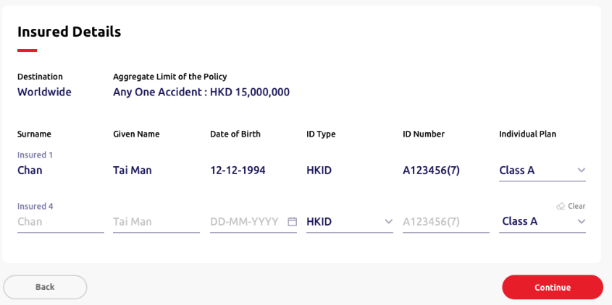
 |  |  | (Header, quotation, reference number and footer component same as above)

4.5.20 | Step 3 section name | Label | Insured person details | 受保人資料 | N.A. | N.A. | N.A. | N.A. | N.A. | N.A. | N.A. | N.A.
4.5.21 | Column name | Label | Destination | 目的地 | N.A. | N.A. | N.A. | N.A. | Worldwide | N.A. | N.A. | N.A.
4.5.22 | Column name | Text input | Surname | 姓氏 | Required | Chan | 陳 | 20 | Empty | Mandatory checking | Please enter the {field name} of the insured | 請輸入受保人之 {field name}
4.5.23 | Sub column name | Label | Insured 1/2/3/4/5/… | 受保人 1/2/3/4/5/... | N.A. | N.A. | N.A. | N.A. | N.A. | N.A. | N.A. | N.A.
4.5.24 | Column name | Text input | Given name | 名字 | Required | Tai Man | 大文 | 20 | Empty | Mandatory checking | Please enter the {field name} of the insured | 請輸入受保人之 {field name}
4.5.25 | Given Name description | Text | Please enter "." if the proposer does not have a given name. | 如投保人未能提供名字，請輸入「. 」。 | N.A. | N.A. | N.A. | N.A. | N.A. | N.A. | N.A. | N.A.
4.5.26 | Column name (family plan only) | Dropdown | Relationship | 關係 | Required | • Self • Spouse • Child | • 自己 • 配偶 • 子女 | N.A. | [If Proposer option is ticked and Self information auto-filled] Spouse [If Proposer option is unticked] Self *For HTML dev, default Proposer is ticked, then one row of self with filled fields will be shown and one row of spouse will be shown* | N.A. | N.A. | N.A.
4.5.27 | Column name | Single date picker | Date of birth | 出生日期 | Required | DD-MM-YYYY | DD-MM-YYYY | 10 | Empty | Set minimum date as today date | [Frontend layout to cater] | [Frontend layout to cater]
 |  |  |  |  |  |  |  |  |  | Mandatory checking | Please enter the {field name} of the insured | 請輸入受保人之 {field name}
 |  |  |  |  |  |  |  |  |  | Format checking | Invalid {field name} | {field name} 無效
 |  |  |  |  |  |  |  |  |  | For plan A & plan B, age <=75 | The insured adult must be 75 years old or below. Please select or enter again. | 受保人年齡必須為75歲或以下，請重新選擇或輸入。
 |  |  |  |  |  |  |  |  |  | For plan C - plan F, age <=65 | The insured adult must be 65 years old or below. Please select or enter again. | 受保人年齡必須為65歲或以下，請重新選擇或輸入。
 |  |  |  |  |  |  |  |  |  | For role is spouse/self, age >= 18 and age <= 75 | The insured adult must be aged between 18 and 75. Please select or enter again. | 受保人年齡必須為18歲至75歲，請重新選擇或輸入。
 |  |  |  |  |  |  |  |  |  | For role is child, age < 18 | The Insured child must be under 18 years old. Please select or enter again. | 受保小童年齡必須為18歲以下。
4.5.28 | Column name | Radio button | ID type | 身份證明文件類別 | Required | • [HK] HKID • [Macau] Macau ID • Passport *Show all three options in HTML, option display logic handle by Backend* | • [HK]香港身份證 • [Macau]澳門身份證 • 護照 *Show all three options in HTML, option display logic handle by Backend* | N.A. | [HK] HKID [Macau] Macau ID *Default HK for HTML dev* | N.A. | N.A. | N.A.
4.5.29 | Column name | Text input | ID number | 身份證號碼 | Required | A123456(7) | A123456(7) | 14 | Empty | Regular expression;Dependency on country code | Invalid {field name}. Please enter again. | {field name} 無效，請重新輸入。
 |  |  |  |  |  |  |  |  |  | Regular expression | The insured persons' {field name} must not be the same. Please enter again. | 受保人之 {field name} 須不同，請重新輸入。
4.5.30 | Column name (individual plan only) | Dropdown | Plan | 計劃 | N.A. | • Class A • Class B • Class C • Class D • Class E • Class F | • 級別 A • 級別 B • 級別 C • 級別 D • 級別 E • 級別 F | N.A. | [Backend] *Default Plan A for HTML dev* | No. of class selected should be same as the one in Fast Quotation | The class option must be the same as previous input. Please enter again. | 計劃級別須與之前選擇相同，請重新輸入。
4.5.31 | Clear button | Text button | Clear | 清除 | N.A. | N.A. | N.A. | N.A. | N.A. | N.A. | N.A. | N.A.

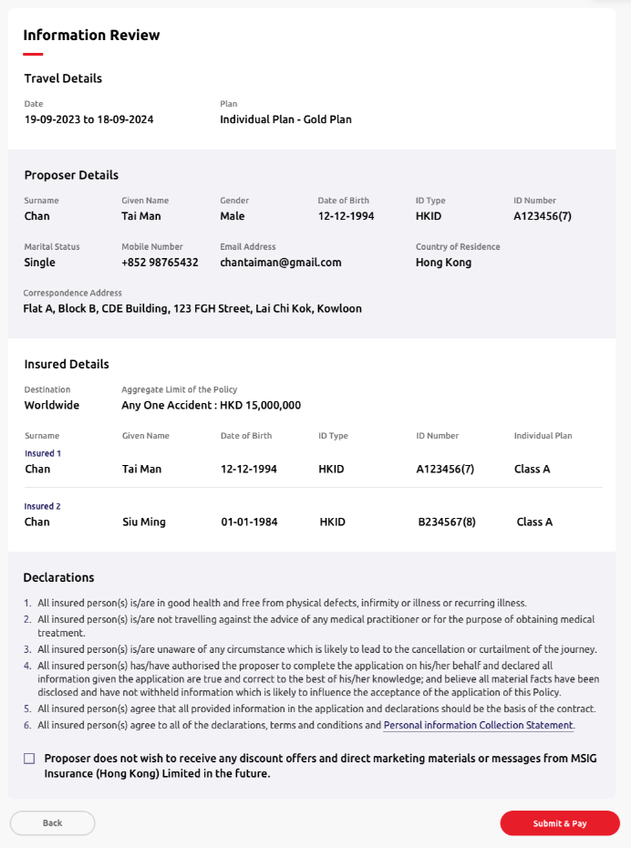
 |  |  | (Header, quotation and reference number component same as above) (Display fields please refer to Step 1-3)

4.5.32 | Step 4 section name | Label | Information review | 資料核對 | N.A. | N.A. | N.A. | N.A. | N.A. | N.A. | N.A. | N.A.
4.5.33 | Description | Text | Aggregate limit of the policy is HKD15,000,000 for any one accident. | 保單總限額為每宗意外港幣15,000,000元 | N.A. | N.A. | N.A. | N.A. | N.A. | N.A. | N.A. | N.A.
4.5.34 | Sub section name | Text | Clause | 條款 | N.A. | N.A. | N.A. | N.A. | N.A. | N.A. | N.A. | N.A.
4.5.35 | Description | Text | G111 Sanction Limitation and Exclusion Clause | G111 制裁限制及除外 | N.A. | N.A. | N.A. | N.A. | N.A. | N.A. | N.A. | N.A.
4.5.36 | Description | Text | A133 Terrorism Extension (applicable to section 1 and section 2 only) | A133 恐怖襲擊活動附加保障（適用於第1 節及第2節） | N.A. | N.A. | N.A. | N.A. | N.A. | N.A. | N.A. | N.A.

4.5.37 | Sub section name | Text | Declarations | 聲明 | N.A. | N.A. | N.A. | N.A. | N.A. | N.A. | N.A. | N.A.
4.5.38 | Description | Text | 1. All insured person(s) has/have not made any travel claims in past 3 years. | 1. 所有受保人在過去3年內並沒有就任何旅遊保險提出索償。 | N.A. | N.A. | N.A. | N.A. | N.A. | N.A. | N.A. | N.A.
4.5.39 | Description | Text | 2. All insured person(s) has/have not ever been refused by Insurer to offer travel insurance or added special terms. | 2. 所有受保人並沒有被保險公司拒絕投保或需於保單內加入特別條款。 | N.A. | N.A. | N.A. | N.A. | N.A. | N.A. | N.A. | N.A.
4.5.40 | Description | Text | 3. All insured person(s) has/have not ever been convicted of any offence involving dishonesty fraud, violence, criminal damage, arson, drugs or any prosecution pending. | 3. 所有受保人並沒有就不誠實、欺詐、暴力侵犯、刑事毀壞、縱火、毒品等犯法行為被判罪名成立或有待決的檢控程序。 | N.A. | N.A. | N.A. | N.A. | N.A. | N.A. | N.A. | N.A.
4.5.41 | Description | Text | 4. All insured person(s) is/are in good health and free from physical defects, infirmity or illness or recurring illness. | 4. 所有受保人身體健康及體格健全，現時絕無疾病或間歇性復發的疾病。 | N.A. | N.A. | N.A. | N.A. | N.A. | N.A. | N.A. | N.A.
4.5.42 | Description | Text | 5. All insured person(s) is/are not travelling against the advice of any medical practitioner or for the purpose of obtaining medical treatment. | 5. 所有受保人的行程並非有違註冊醫生的勸告，而外遊的目的並非為接受治療。 | N.A. | N.A. | N.A. | N.A. | N.A. | N.A. | N.A. | N.A.
4.5.43 | Description | Text | 6. All insured person(s) is/are unaware of any circumstance which is likely to lead to the cancellation or curtailment of the journey. | 6. 據所有受保人所知，並沒有受任何將會引致取消行程或行程延誤的情況。 | N.A. | N.A. | N.A. | N.A. | N.A. | N.A. | N.A. | N.A.
4.5.44 | Description | Text | 7. All insured person(s) has/have authorised the proposer to complete the application on his/her behalf and declared all information given the application are true and correct to the best of his/her knowledge; and believe all material facts have been disclosed and have not withheld information which is likely to influence the acceptance of the application of this Policy. | 7. 所有受保人授權投保人代其填寫投保書；並聲明在本申請書內填報的資料是根據所知並全部正確無訛及完整，亦没有隱瞞可能影響本申請承保的事實。 | N.A. | N.A. | N.A. | N.A. | N.A. | N.A. | N.A. | N.A.
4.5.45 | Description | Text | 8. All insured person(s) agree that all provided information in the application and declarations should be the basis of the contract. | 8. 所有受保人同意本申請、聲明及所提供的其他資料作為合約的基礎。 | N.A. | N.A. | N.A. | N.A. | N.A. | N.A. | N.A. | N.A.
4.5.46 | Description | Text | 9. All insured person(s) agree to all of the declarations, terms and conditions and Personal Information Collection Statement. | 9. 所有受保人同意所有聲明、條件和條款及個人資料收集聲明。 | N.A. | N.A. | N.A. | N.A. | N.A. | N.A. | N.A. | N.A.
4.5.47 | Proposer option | Checkbox | Proposer does not wish to receive any discount offers and direct marketing materials or message from MSIG Insurance (Hong Kong) Limited in the future. | 投保人不欲收取MSIG提供任何直銷活動、推廣或訊息。 | N.A. | N.A. | N.A. | N.A. | N.A. | N.A. | N.A. | N.A.

4.5.48 | Back button | Action button | Back | 上一步 | N.A. | N.A. | N.A. | N.A. | N.A. | N.A. | N.A. | N.A.
4.5.49 | Submit button | Action button | Submit | 遞交 | N.A. | N.A. | N.A. | N.A. | N.A. | N.A. | N.A. | N.A.

 |  |  | (All fields are same with 4.3 New Business - SunTravel (Single) - ePayment)

4.6 NB-HelperSurance 4.0
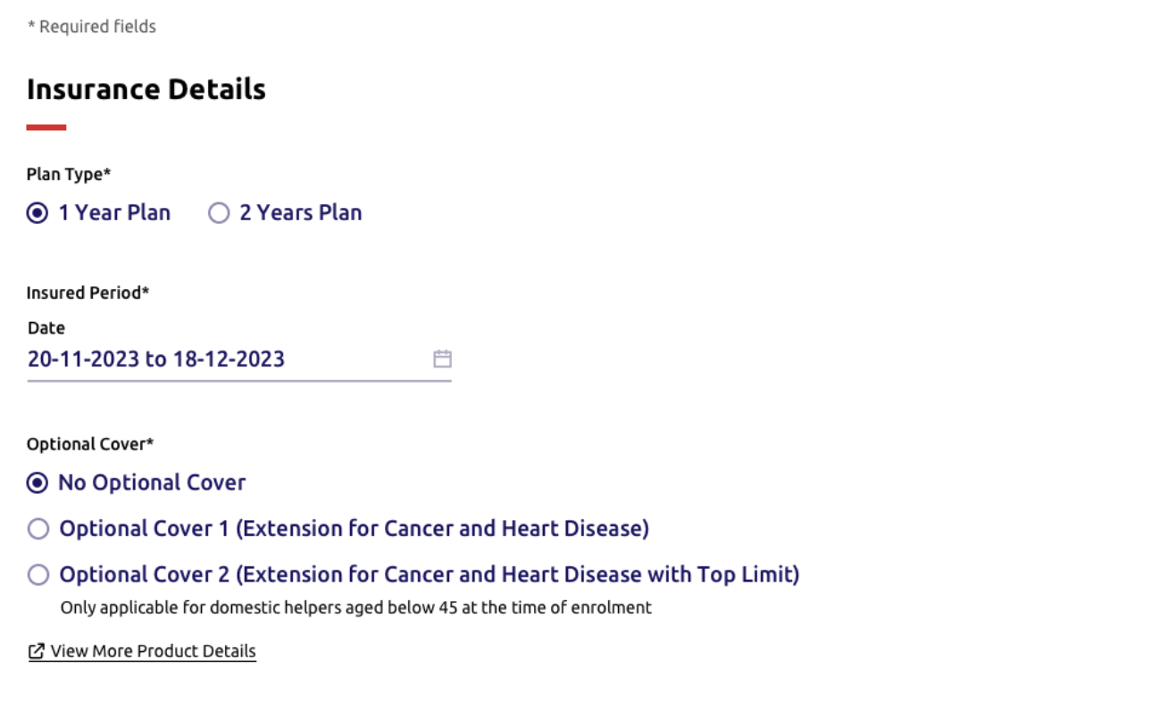
____ | Item | Type | EN | TC | Required input? | Placeholder EN /Option EN | Placeholder TC /Option TC | Max. Length | Default value | Validation | Error message EN | Error message TC | Screenshot (for layout reference only)
 |  |  | (Header, quotation, reference number and footer component refer to 4.4 New Business - TravelSurance)

4.6.1 | Description | Label | *Required | *必須填寫 | N.A | N.A | N.A | N.A | N.A | N.A | N.A | N.A
4.6.2 | Step 1 section name | Label | Insurance details | 保險資料 | N.A | N.A | N.A | N.A | N.A | N.A | N.A | N.A
4.6.3 | Column name | Radio button | Plan type* | 計劃類別* | Required | • [HK & Macau]1 Year Plan • [HK] 2 Years Plan *Show all three options in HTML, option display logic handle by Backend* | • [HK & Macau] 1年計劃 • [HK] 兩年計劃 | N.A | 1 Year Plan | N.A | N.A | N.A
4.6.4 | Column name | Label | Insured period* | 受保期* | N.A | N.A | N.A | N.A | N.A | N.A | N.A | N.A
4.6.5 | Column name | Single date picker | Start date | 起保日 | Required | DD-MM-YYYY | DD-MM-YYYY | N.A. | [Today Date] | • Minimum date as today date • Maximum date as 60 days from today date *dim unavaliable dates* *Update logic refer to Appendix A* | [Frontend layout to cater] | [Frontend layout to cater]
 |  |  |  |  |  |  |  |  |  | Mandatory checking | Please select {field name} | 請選擇 {field name}
 |  |  |  |  |  |  |  |  |  | Format checking | Invalid date | 日子無效
4.6.6 | Column name | Label | End date | 到期日 | N.A. | N.A. | N.A. | N.A. | [Based on Start date] | *Update logic refer to NB-Appendix A* | [Frontend layout to cater] | [Frontend layout to cater]
 |  |  |  |  |  |  |  |  |  | Mandatory checking | Please select {field name} | 請選擇 {field name}
4.6.7 | Column name | Radio button | Optional cover* | 自選保障* | Required | • No optional cover is needed • Optional Cover 1 (Extension for Cancer and Heart Disease) • Optional Cover 2 (Extension for Cancer and Heart Disease with Top Limit) | • 沒有自選保障 • 自選保障一 （延伸至癌症及心臟病保障） • 自選保障二 （自選癌症及心臟病（升級）保障） | N.A | No Option Cover | N.A | N.A | N.A
4.6.8 | Description of Optional Cover 2 | Text | Only applicable to the domestic helpers aged under 45 at the time of enrolment. | 只適用於投保時年齡為45歲以下的家庭傭工 | N.A | N.A | N.A | N.A | N.A | N.A | N.A | N.A
 | Column Name (Macau only) | Text Input | Estimated annual salary (MOP) | 估計年薪（澳門幣/元） | Required | Empty | Empty | 6 | Empty | Minimum amount is 36000 | The minimum amount is MOP 36,000 | 最少為澳門幣36,000元
 |  |  |  |  |  |  |  |  |  | Maximum amount is 140,000 | The maximum amount is MOP 140,000 | 最多為澳門幣140,000元
 |  |  |  |  |  |  |  |  |  | Mandatory checking | Please enter the {field name}. | 請輸入 {field name}。

 |  |  | (Header, quotation reference number and footer component refer to 4.3 New Business - SunTravel (Single) - ePayment)

4.6.9 | Description | Label | *Required | *必須填寫 | N.A | N.A | N.A | N.A | N.A | N.A | N.A | N.A
4.6.10 | Step 2 section name | Label | Proposer details | 投保人資料 | N.A | N.A | N.A | N.A | N.A | N.A | N.A | N.A
4.6.11 | Column name | Text input | Surname* | 姓氏* | Required | Chan | 陳 | 30 | Empty | Mandatory checking | Please enter the {field name} of the proposer | 請輸入投保人之 {field name}
4.6.12 | Column name | Text input | Given name* | 名字* | Required | Tai Man | 大文 | 20 | Empty | Mandatory checking | Please enter the {field name} of the proposer | 請輸入投保人之 {field name}
4.6.13 | Given Name description | Text | Please enter "." if the proposer does not have a given name. | 如投保人未能提供名字，請輸入「. 」。 | N.A | N.A | N.A | N.A | N.A | N.A | N.A | N.A
4.6.14 | Column name | Radio button (single option allowed only) | Gender | 性別 | Optional | • Male • Female | • 先生 • 女士 | N.A | Empty | N.A | N.A | N.A
4.6.15 | Column name | Single date picker | Date of birth* | 出生日期* | Required | DD-MM-YYYY | DD-MM-YYYY | 10 | Empty | Mandatory checking | Please enter the {field name} of the proposer | 請輸入投保人之 {field name}
 |  |  |  |  |  |  |  |  |  | Format checking | Invalid {field name} | {field name} 無效
 |  |  |  |  |  |  |  |  |  | Age >= 18 and Age <= 100 | The proposer must be aged between 18 and 100. Please select or enter again. | 投保人年齡必須為18歲至100歲，請重新選擇或輸入。
4.6.16 | Column name | Radio button | ID type* | 身份證明文件類別* | Required | • [HK] HKID • [Macau] Macau ID • Passport *Show all three options in HTML, option display logic handle by Backend* | • [HK]香港身份證 • [Macau]澳門身份證 • 護照 *Show all three options in HTML, option display logic handle by Backend* | N.A. | [HK] HKID [Macau] Macau ID *Default HK for HTML dev* | N.A. | N.A. | N.A.
4.6.17 | Column name | Text input | ID number* | 身份證號碼* | Required | A123456(7) | A123456(7) | 14 | Empty | Regular expression | Invalid {field name}. Please enter again. | {field name} 無效，請重新輸入。
4.6.18 | Column name | Radio button (single option allowed only) | Marital status | 婚姻狀況 | Optional | • Single • Married | • 單身 • 已婚 | N.A | Empty | N.A | N.A | N.A
4.6.19 | Column name | Dropdown | Country code | 國家編碼 | Optional | • 852 • 853 • 86 | 852 853 86 | N.A | 852 | N.A | N.A | N.A
4.6.20 | Column name | Text input | Mobile number | 手提電話號碼 | Optional | 12345678 | 12345678 | [852] 8 [853] 8 [86] 11 | Empty | Regular expression;Dependency on country code | Invalid {field name}. Please enter again. | {field name} 無效，請重新輸入。
4.6.21 | Column name | Text input | Email | 電郵 | Optional | example@mail.com | example@mail.com | 50 | Empty | Regular expression | Invalid {field name}. Please enter again. | {field name} 無效，請重新輸入。
4.6.22 | Column name | Radio button | Correspondence address* *The fields under Correspondence Address refer to NB-Appendix B* | 通訊地址* | Required | • Address • Post Office Box | • 地址 • 郵政信箱 | N.A | Address | N.A | N.A | N.A

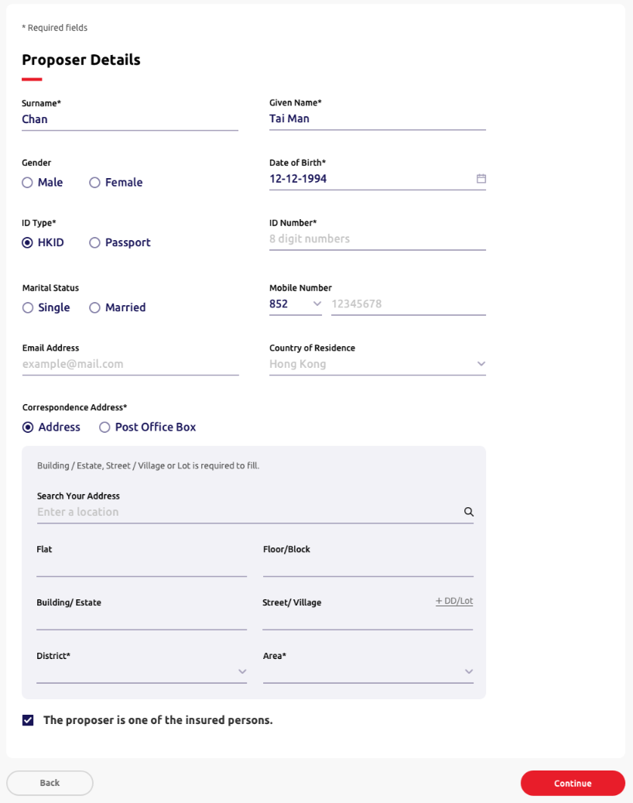
 |  |  | (Header, quotation, reference number and footer component same as above)

4.6.23 | Step 3 section name | Label | Insured person details | 受保人資料
4.6.24 | Column name | Text input | Name of the helper* | 家庭傭工姓名* | Required | Chan Tai Man | 陳 | 50 | Empty | Mandatory checking | Please enter the {field name}. | 請輸入 {field name}。
4.6.25 | Column name | Radio button (single option allowed only) | Gender* | 性別* | Required | • Female • Male | • 女 • 男 | N.A. | Female | N.A. | Please enter the {field name}. | 請輸入 {field name}。
4.6.26 | Column name | Single date picker | Date of birth* | 出生日期* | Required | DD-MM-YYYY | DD-MM-YYYY | 10 | Empty | Mandatory checking | Please enter the {field name} of the helper | 請輸入家庭傭工之 {field name}
 |  |  |  |  |  |  |  |  |  | Format checking | Invalid {field name} | {field name} 無效
 |  |  |  |  |  |  |  |  |  | [For No optional cover and Optional Cover 1] Age >= 16 and Age <= 65 | The helper must be aged between 16 and 65. Please select or enter again. | 家庭傭工年齡必須為16歲至65歲，請重新選擇或輸入。
 |  |  |  |  |  |  |  |  |  | [For Optional Cover 2] Age >= 16 and Age <= 44 | The helper must be aged between 16 and 44. Please select or enter again. | 家庭傭工年齡必須為16歲至44歲，請重新選擇或輸入。
4.6.27 | Column name | Radio button | ID type* | 身份證明文件類別* | Required | • [HK] HKID • [Macau] Macau ID • Passport *Show all three options in HTML, option display logic handle by Backend* | • [HK]香港身份證 • [Macau]澳門身份證 • 護照 *Show all three options in HTML, option display logic handle by Backend* | N.A. | [HK] HKID [Macau] Macau ID *Default HK for HTML dev* | N.A. | N.A. | N.A.
4.6.28 | Column name | Text input | ID number* | 身份證明號碼* | Required | A123456(7) | A123456(7) | 14 | Empty | Regular expression | Please enter a valid {ID Type value} number of the helper | 請輸入家庭傭工之有效 {field name}號碼
4.6.29 | Column name | Dropdown | Nationality* | 國藉* | Required | [Backend] | [Backend] | N.A | Filipino [First choice] | Mandatory checking | Please select the {field name}. | 請選擇 {field name}
4.6.30 | Column name | Dropdown | Place of employment* | 受僱地點* | Required | [Backend] | [Backend] | N.A. | Empty | [Backend] If "Same as Correspsonding Adddress" is ticked, dim the field and not allow to select | [Frontend layout to cater] | [Frontend layout to cater]
 |  |  |  |  |  |  |  |  |  | Mandatory checking (if the field is not dimmed) | Please enter the {field name}. | 請輸入 {field name}。
4.6.31 | Place of Employment option | Checkbox | Same as the proposer's corresponding address. | 與投保人通訊地址相同 | Optional | N.A | N.A | N.A | Ticked | [Backend] If "Correspondence Address" is selected as "Post Office Box", dim this field and not allow to tick. End-user must fill-in the fields in this page below. | [Frontend layout to cater] | [Frontend layout to cater]

 |  |  | (Header, quotation and reference number component same as above) (Display fields please refer to Step 1-3)

4.3.32 | Step 4 section name | Label | Information review | 資料核對 | N.A. | N.A. | N.A. | N.A. | N.A. | N.A. | N.A. | N.A.
4.3.33 | Sub section name | Label | Clause | 條款 | N.A | N.A | N.A | N.A | N.A | N.A | N.A | N.A
4.3.34 | Description | Label | G111 Sanction Limitation and Exclusion Clause | G111 制裁限制及除外 | N.A | N.A | N.A | N.A | N.A | N.A | N.A | N.A
4.3.35 | Description | Label | A160 COVID-19/Pandemics Exclusion (applicable to Personal Accident Section) | A160 2019 冠狀病毒病（COVID-19）／大流行病不承保條款（只適用於人身意外章節） | N.A | N.A | N.A | N.A | N.A | N.A | N.A | N.A
4.3.36 | Description | Label | A153 Extension for Cancer and Heart Disease | A153 延伸至癌症及心臟病保障 | N.A | N.A | N.A | N.A | N.A | [Backend] Optional cover 1 only | N.A | N.A
4.3.37 | Description | Label | A154 Extension for Cancer and Heart Disease (with top up limit) | A154 延伸至癌症及心臟病（升級）保障 | N.A | N.A | N.A | N.A | N.A | [Backend] Optional cover 2 only | N.A | N.A

4.6.38 | Sub section name | Label | Declarations | 聲明 | N.A | N.A | N.A | N.A | N.A | N.A | N.A | N.A
4.6.39 | Description | Label | This Policy is subject to the following declarations declared by the proposer: | 本保單是根據投保人作出以下的聲明而受約束： | N.A | N.A | N.A | N.A | N.A | N.A | N.A | N.A
4.6.40 | Description | Label | 1. Insured has no other insurance of the same kind covering the insured Domestic Servant and has never been denied for the application, refused renewal, required additional premium or imposed special terms and conditions of any helper insurance policy. | 1. 受保人沒有為所投保的家庭傭工投保同類型的家傭保障和在投保家傭保障時從未曾被拒絕投保、不予再續保、被要求附加額外 保費或附加特別條款。 | N.A | N.A | N.A | N.A | N.A | N.A | N.A | N.A
4.6.41 | Description | Label | 2. The insured Domestic Servant is the foreign Domestic Servant employed by Insured for full time domestic service which has been legally approved by Hong Kong Immigration Department and he/she is aged between 16 and 65. | 2. 所投保的家庭傭工須由香港入境事務處合法批准從事全職家政服務；及所投保的家庭傭工年齡須介乎16至65歲。 | N.A | N.A | N.A | N.A | N.A | N.A | N.A | N.A
4.6.42 | Description | Label | 3. The insured Domestic Servant is not receiving or contemplating any medical attention or surgical treatment or taking any medicine. | 3. 所投保的家庭傭工並沒有接受或準備接受任何醫療護理或手術治療或服用任何藥物治療。 | N.A | N.A | N.A | N.A | N.A | N.A | N.A | N.A
4.6.43 | Description | Label | 4. The insured Domestic Servant has not been confined in a hospital for surgery or treatment of sickness or injury resulting from an accident in the past 3 years. | 4. 所投保的家庭傭工於過去三年內從未因患病或意外受傷而入院接受手術或治療。 | N.A | N.A | N.A | N.A | N.A | N.A | N.A | N.A
4.6.44 | Description | Label | 5. The insured Domestic Servant has not ever been refused by accident or illness insurance or subjected to special terms and conditions. | 5. 所投保的家庭傭工從沒有被其他保險公司拒絕接受投保意外或疾病保險或要求附加特別條款。 | N.A | N.A | N.A | N.A | N.A | N.A | N.A | N.A
4.6.45 | Description | Label | 6. The insured has authorised the proposer to complete the application on his/her behalf and declared all information given the application are true and correct to the best of his/her knowledge; and believe all material facts have been disclosed and have not withheld information which is likely to influence the acceptance of the application of this Policy. | 6. 受保人保證在本投保書內填報的資料並聲明投保人所填報資料均正確無訛真實無誤；並確信已披露所有重要事實並沒有隱瞞可 能影響本投保書評估的事實。 | N.A | N.A | N.A | N.A | N.A | N.A | N.A | N.A
4.6.46 | Description | Label | 7. The insured agrees that all provided information in the application and declarations should be the basis of the contract and accept the terms, limitations, exclusions, conditions, clauses and warranties contained in the policy / policies and / or as modified or extended by any endorsements thereon. | 7. 受保人同意本投保書、聲明及所提供的資料作為合法基礎，並接受保單所載及/或其任何背書修訂或延伸的條款、限制、不承保 事項、條件、條文及保證。 | N.A | N.A | N.A | N.A | N.A | N.A | N.A | N.A
4.6.47 | Description | Label | 8. The insured agrees to all of the declarations, terms and conditions and Personal Information Collection Statement. | 8. 受保人同意所有聲明、條件和條款及個人資料收集聲明。 | N.A | N.A | N.A | N.A | N.A | N.A | N.A | N.A
4.6.48 | Proposer option | Checkbox | Proposer does not wish to receive any discount offers and direct marketing materials or message from MSIG Insurance (Hong Kong) Limited in the future. | 投保人不欲收取MSIG提供任何直銷活動、推廣或訊息。 | N.A | N.A | N.A | N.A | N.A | N.A | N.A | N.A

4.6.49 | Back button | Action button | Back | 上一步 | N.A | N.A | N.A | N.A | N.A | N.A | N.A | N.A
4.6.50 | Submit button | Action button | Submit | 遞交 | N.A | N.A | N.A | N.A | N.A | N.A | N.A | N.A

 |  |  | (All fields are same with 4.3 New Business - SunTravel (Single) - ePayment)

4.8 NB - Home Insurance
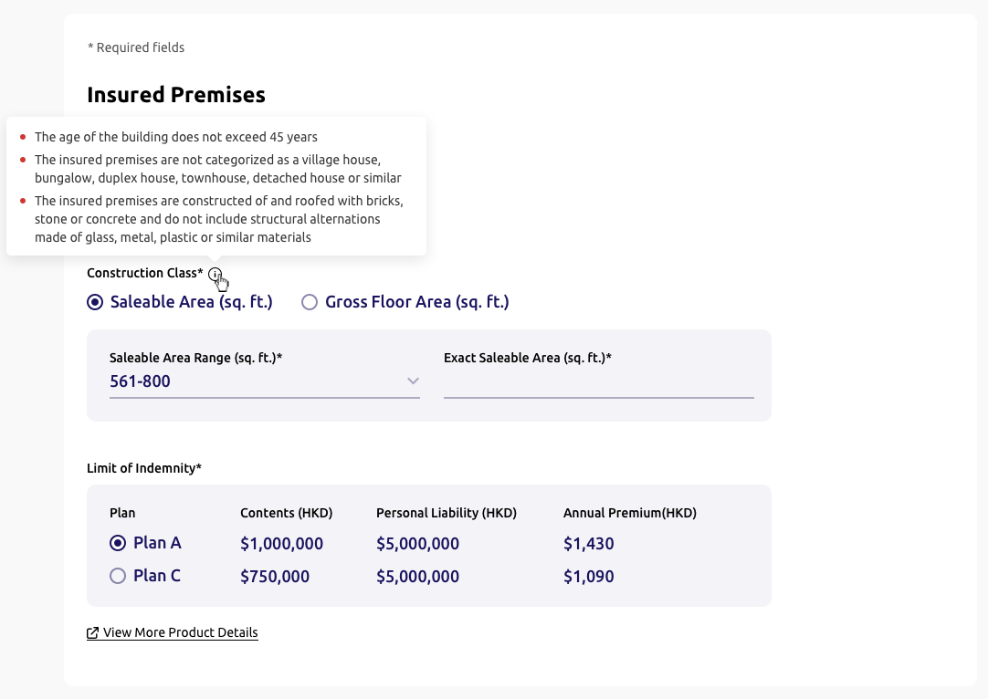
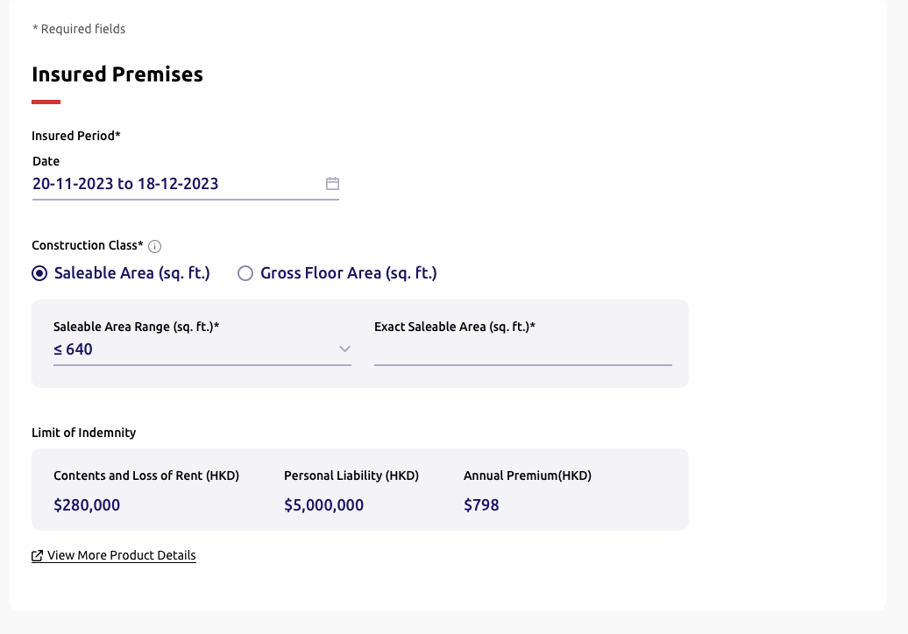
____ | Item | Type | EN | TC | Required input? | Placeholder EN /Option EN | Placeholder TC /Option TC | Max. Length | Default value | Validation | Error message EN | Error message TC | Screenshot (for layout reference only)
 |  |  | (Header, quotation, reference number and footer component refer to 4.4 New Business - TravelSurance)

4.8.1 | Description | Label | *Required | *必須填寫 | N.A | N.A | N.A | N.A | N.A | N.A | N.A | N.A
4.8.2 | Step 1 section name | Label | Insured premises | 投保物業 | N.A | N.A | N.A | N.A | N.A | N.A | N.A | N.A
4.8.3 | Column name | Label | Insured period* | 受保期* | N.A | N.A | N.A | N.A | N.A | N.A | N.A | N.A
4.8.4 | Column name | Single date picker | Start date | 起保日 | Required | DD-MM-YYYY | DD-MM-YYYY | N.A. | [Today Date] | • Minimum date as today date • Maximum date as 60 days from today date *dim unavaliable dates* *Update logic refer to Appendix A* | [Frontend layout to cater] | [Frontend layout to cater]
 |  |  |  |  |  |  |  |  |  | Mandatory checking | Please select {field name} | 請選擇 {field name}
 |  |  |  |  |  |  |  |  |  | Format checking | Invalid date | 日子無效
4.8.5 | Column name | Label | End date | 到期日 | N.A. | N.A. | N.A. | N.A. | [Based on Start date] | *Update logic refer to Appendix A* | [Frontend layout to cater] | [Frontend layout to cater]
4.8.6 | Column name | Radio button | Construction class I* | 建築類別 I* | Required | [HK] • Saleable Area (sq. ft.) • Gross Floor Area (sq. ft.) [Macau] • Gross Floor Area (sq. ft.) | [HK] • 實用面積（平方呎） • 建築面積（平方呎） [Macau] • 建築面積（平方呎） | N.A | [HK] Saleable Area (sq. ft.) [MAC] Gross Floor Area (sq. ft.) | N.A | N.A | N.A
4.8.7 | Construction Class info text | Text | • The age of the building does not exceed 45 years | • 投保物業樓齡不超過45年 | N.A | N.A | N.A | N.A | N.A | N.A | N.A | N.A
 |  | Text | • The insured premises are not categorised as a village house, bungalow, duplex house, townhouse, detached or similar | • 投保物業不是歸類為村屋、平房、複式屋、聯排屋、獨立屋或相似類型 | N.A | N.A | N.A | N.A | N.A | N.A | N.A | N.A
 |  | Text | • The insured premises are constructed of and roofed with bricks, stones or concrete, and do not include structural alternations made of glass, metal, plastic or similar materials | • 投保物業及其屋頂均以磚瓦、石頭或水泥建造及沒有任何由玻璃、金屬、塑膠或類似物料之結構性改裝 | N.A | N.A | N.A | N.A | N.A | N.A | N.A | N.A | 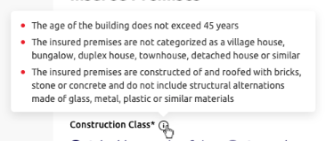
4.8.8 | Sub column name (saleable area only) | Dropdown | Saleable area range (sq. ft.)* | 實用面積範圍（平方呎）* | Required | [Backend] | [Backend] | N.A. | Empty | Mandatory checking | Please select the saleable area range. | 請選擇實用面積範圍。
 |  |  |  |  |  |  |  |  |  | [Backend] Saleable Area > 1,600 *Contents, Personal Liability and Annual Premium shows "N/A" | The selected area range is unable to proceed. Please contact MSIG account handler. | 所選之面積範圍未能繼續，請聯絡MSIG客戶主任。
 |  |  |  |  |  |  |  |  |  | ` | N.A | N.A
4.8.9 | Sub column name (saleable area only) | Text input | Exact saleable area (sq. ft.)* | 確實實用面積（平方呎）* | Optional | Empty | Empty | 4 | Empty *Clear the input when Saleable Area Range (sq. ft.) selection is updated* | Maximum amount is [backend] | Sorry, we are unable to proceed with the entered area. Please contact MSIG account handler. | 抱歉，所選之面積範圍未能繼續，請聯絡MSIG客戶主任。
 |  |  |  |  |  |  |  |  |  | Minimum amount is 1 | Please enter a valid exact saleable area. | 請輸入有效之確實實用面積。
 |  |  |  |  |  |  |  |  |  | Allow integer input only | [Frontend layout to cater] | [Frontend layout to cater]
 |  |  |  |  |  |  |  |  |  | When user inputs the exact area value, override the original area range selection | N.A | N.A
4.8.10 | Sub column name (gross floor area only) | Dropdown | Gross floor area range (sq. ft.)* | 建築面積範圍（平方呎）* | Required | [Backend] | [Backend] | 4 | Empty | Mandatory checking | Please select the gross floor area range. | 請選擇建築面積範圍。
4.8.11 | Sub column name (gross floor area only) | Text input | Exact gross floor area (sq. ft.)* | 確實建築面積（平方呎）* | Optional | Empty | Empty | 4 | Empty *Clear the input when Gross floor Area Range (sq. ft.) selection is updated* | Maximum amount is [backend] | Sorry, we are unable to proceed with the entered area. Please contact MSIG account handler. | 抱歉，所選之面積範圍未能繼續，請聯絡MSIG客戶主任。
 |  |  |  |  |  |  |  |  |  | Minimum amount is 1 | Please enter a valid exact gross floor area. | 請輸入有效之確實建築面積。
 |  |  |  |  |  |  |  |  |  | Allow integer input only | [Frontend layout to cater] | [Frontend layout to cater]
 |  |  |  |  |  |  |  |  |  | When user inputs the exact area value, override the original area range selection | N.A | N.A
4.8.12 | Column name | Label | Limit of indemnity* | 賠償限額* | N.A | N.A | N.A | N.A | N.A | N.A | N.A | N.A
4.8.13 | Sub column name | Label | Contents (HKD) | 財物（港幣） | N.A | N.A | N.A | N.A | [Backend] | N.A | N.A | N.A
4.8.14 | Sub column name | Label | Personal liability (HKD) | 個人法律責任（港幣） | N.A | N.A | N.A | N.A | [Backend] | N.A | N.A | N.A
4.8.15 | Sub column name | Radio button | Plan | 計劃 | Required | [HK] • Silver Plan • Gold Plan • Platinum Plan [MAC] • Plan A • Plan B • Plan C | [HK] • 銀計劃 • 金計劃 • 白金計劃 [Macau] • 計劃 A • 計劃 B • 計劃 C | N.A | Empty | *Auto-updated for enabling the options with retrieving the response from backend after selecting the "Saleable Area Range (sq. ft.)" or "Gross Floor Area Range (sq. ft.)"* | N.A | N.A
4.8.16 | Sub column name | Label | Contents (HKD) | 財物（港幣） | N.A | [Backend] *Auto-updated with retrieving the response from backend after selecting the "Saleable Area Range (sq. ft.)" or "Gross Floor Area Range (sq. ft.)"* | [Backend] *Auto-updated with retrieving the response from backend after selecting the "Saleable Area Range (sq. ft.)" or "Gross Floor Area Range (sq. ft.)"* | N.A | N/A | [Backend return no selection of plans] Display N/A | N.A | N.A
4.8.17 | Sub column name | Label | Personal liability (HKD) | 個人法律責任（港幣） | N.A | [Backend] *Auto-updated with retrieving the response from backend after selecting the "Saleable Area Range (sq. ft.)" or "Gross Floor Area Range (sq. ft.)"* | [Backend] *Auto-updated with retrieving the response from backend after selecting the "Saleable Area Range (sq. ft.)" or "Gross Floor Area Range (sq. ft.)"* | N.A | N/A | [Backend return no selection of plans] Display N/A | N.A | N.A
4.8.18 | Sub column name | Label | Annual premium (HKD) | 全年保費（港幣） | N.A | [Backend] *Auto-updated with retrieving the response from backend after selecting the "Saleable Area Range (sq. ft.)" or "Gross Floor Area Range (sq. ft.)"* | [Backend] *Auto-updated with retrieving the response from backend after selecting the "Saleable Area Range (sq. ft.)" or "Gross Floor Area Range (sq. ft.)"* | N.A | N/A | [Backend return no selection of plans] Display N/A | N.A | N.A
4.8.19 | View More Product Details button | Action button | View more product details | 查看更多產品資料 | N.A | N.A | N.A | N.A | N.A | N.A | N.A | N.A
4.8.20 | Get quote button | Action button | Get quote | 索取報價 | N.A | N.A | N.A | N.A | N.A | [not all required fields being filled] Dim the button | N.A | N.A
4.8.21 | Buy now button | Action button | Buy now | 立即投保 | N.A | N.A | N.A | N.A | N.A | [not all required fields being filled] Dim the button | N.A | N.A

 |  |  | (Header, quotation reference number and footer component refer to 4.3 New Business - SunTravel (Single) - ePayment)

4.8.22 | Description | Label | *Required | *必須填寫 | N.A | N.A | N.A | N.A | N.A | N.A | N.A | N.A
4.8.23 | Step 2 section name | Label | Proposer details | 投保人資料 | N.A | N.A | N.A | N.A | N.A | N.A | N.A | N.A
4.8.24 | Column name | Text input | Surname* | 姓氏* | Required | Chan | 陳 | 30 | Empty | Mandatory checking | Please enter the {field name} of the proposer | 請輸入投保人之 {field name}
4.8.25 | Column name | Text input | Given name* | 名字* | Required | Tai Man | 大文 | 20 | Empty | Mandatory checking | Please enter the {field name} of the proposer | 請輸入投保人之 {field name}
4.8.26 | Given Name description | Text | Please enter "." if the proposer does not have a given name. | 如投保人未能提供名字，請輸入「. 」。 | N.A | N.A | N.A | N.A | N.A | N.A | N.A | N.A
4.8.27 | Column name | Radio button (single option allowed only) | Gender | 性別 | Optional | • Male • Female | • 男 • 女 | N.A | Empty | N.A | N.A | N.A
4.8.28 | Column name | Single date picker | Date of birth* | c* | Required | DD-MM-YYYY | DD-MM-YYYY | 10 | Empty | Mandatory checking | Please enter the {field name} of the proposer | 請輸入投保人之 {field name}
 |  |  |  |  |  |  |  |  |  | Format checking | Invalid {field name} | {field name} 無效
 |  |  |  |  |  |  |  |  |  | Age >= 18 and Age <= 100 | The proposer must be aged between 18 and 100. Please select or enter again. | 投保人年齡必須為18歲至100歲，請重新選擇或輸入。
4.8.29 | Column name | Radio button | ID type* | 身份證明文件類別* | Required | • [HK] HKID • [Macau] Macau ID • Passport *Show all three options in HTML, option display logic handle by Backend* | • [HK]香港身份證 • [Macau]澳門身份證 • 護照 *Show all three options in HTML, option display logic handle by Backend* | N.A. | [HK] HKID [Macau] Macau ID *Default HK for HTML dev* | N.A. | N.A. | N.A.
4.8.30 | Column name | Text input | ID number* | 身份證明文件號碼* | Required | A123456(7) | A123456(7) | 14 | Empty | Regular expression | Please enter a valid {ID Type value} number of the proposer | 請輸入投保人之有效 {ID Type value} 號碼
4.8.31 | Column name | Radio button (single option allowed only) | Marital status | 婚姻狀況 | Optional | • Single • Married | • 單身 • 已婚 | N.A | Empty | N.A | N.A | N.A
4.8.32 | Column name | Dropdown | Country code | 國家編碼 | Optional | • 852 • 853 • 86 | 852 853 86 | N.A | 852 | N.A | N.A | N.A
4.8.33 | Column name | Text input | Mobile number | 手提電話 | Optional | 12345678 | 12345678 | [852] 8 [853] 8 [86] 11 | Empty | Regular expression;Dependency on country code | Invalid {field name} | {field name} 無效
4.8.34 | Column name | Text input | Email | 電郵 | Optional | example@mail.com | example@mail.com | 50 | Empty | Regular expression | Invalid {field name} | {field name} 無效
4.8.35 | Column name | Radio button | Correspondence address* *The fields under Correspondence Address refer to Appendix B* | 通訊地址 | Required | • Address • Post Office Box | • 地址 • 郵政信箱 | N.A | Address | N.A | N.A | N.A
4.8.37 | Description | Label | Building / Estate, Street / Village or Lot is required to fill. |  | N.A. | N.A | N.A | N.A | N.A | N.A | N.A | N.A
4.8.38 | Sub column name | Text input | Search Your Address |  | Optional | Enter a location |  | 100 | Empty | N.A | N.A | N.A
4.8.39 | Sub column name (address only) | Text input | Flat |  | Optional | Empty | Empty | 25 | Empty | N.A | N.A | N.A
4.8.40 | Sub column name (address only) | Text input | Floor/Block |  | Optional | Empty | Empty | 25 | Empty | N.A | N.A | N.A
4.8.41 | Sub column name (address only) | Text input | Building/Estate |  | Required | Empty | Empty | 50 | Empty | Either Building / Estate, Street / Village or Lot is filled. | Please enter the {field name}
4.8.42 | Sub column name (address only) | Text input | Street/Village |  | Required | Empty | Empty | 50 | Empty | Either Building / Estate, Street / Village or Lot is filled. | Please enter the {field name} of the proposer
4.8.43 | Add DD/Lot (address only) | Text button | +DD/Lot |  | N.A. | N.A. | N.A. | N.A. | Empty | N.A. | N.A. | N.A.
4.8.44 | Sub column name (address only) | Text input | DD |  | Optional | Empty | Empty | 50 | Empty | N.A. | N.A. | N.A.
4.8.45 | Sub column name (address only) | Text input | Lot |  | Required | Empty | Empty | 50 | Empty | N.A. | Either Building / Estate, Street / Village or Lot is filled.
4.8.46 | Sub column name (address only) | Dropdown | District* |  | Required | [Backend] | [Backend] | N.A. | Empty | Mandatory checking | Please select {field name}
4.8.47 | Sub column name (address only) | Dropdown | Area* |  | Required | [Backend] | [Backend] | N.A. | Empty | Mandatory checking | Please select {field name}
4.8.48 | Sub column name (post office box only) | Text input | P.O. Box Number* |  | Required | Empty | Empty | 50 | Empty | Mandatory checking | Please enter the {field name}

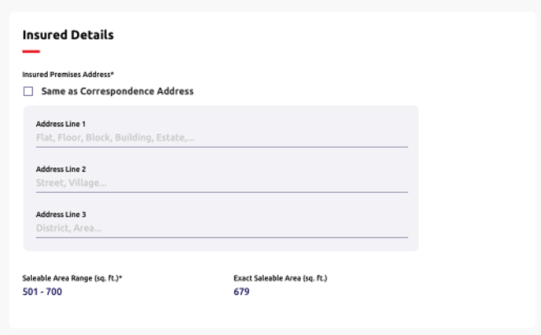
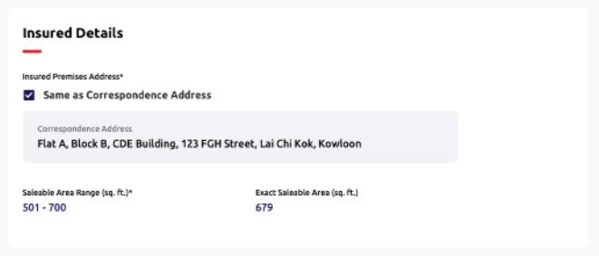
 |  |  | (Header, quotation, reference number and footer component same as above)

4.8.36 | Step 3 section name | Text | Insured details | 受保人資料 | N.A. | N.A. | N.A. | N.A. | N.A. | N.A. | N.A. | N.A.
4.8.37 | Column name | Label | Insured premises address* | 投保物業地址 | N.A. | N.A. | N.A. | N.A. | N.A. | N.A. | N.A. | N.A.
4.8.38 | Same proposer option | Checkbox | Same as the proposer's correspondence address. | 與投保人通訊地址相同 | Optional | N.A | N.A | N.A | Ticked | [Backend] If "Correspondence Address" is selected as "Post Office Box", dim this field and not allow to tick. End-user must fill-in the fields in this page below. | [Frontend layout to cater] | [Frontend layout to cater]
 |  |  |  |  |  |  |  |  |  | Dim all the fields and not allow to input in this page below after ticked. | [Frontend layout to cater] | [Frontend layout to cater]
4.8.39 | Sub column name (Ticked 'Same as Proposer information') | Text input | Address line 1 | 地址第一行 | Required | Flat, Floor, Block, Building, Estate, ... |  | 70 | Empty | Mandatory checking | Please enter the {field name}. | 請輸入 {field name}
4.8.40 | Sub column name (Ticked 'Same as Proposer information') | Text input | Address line 2 | 地址第二行 | Optional | Street, Village, ... |  | 70 | Empty | N.A | N.A | N.A
4.8.41 | Sub column name (Ticked 'Same as Proposer information') | Text input | Address line 3 | 地址第三行 | Optional | District, Area, ... |  | 70 | Empty | N.A | N.A | N.A
4.8.42 | Column name | Label | Saleable area range (sq. ft.)* | 實用面積範圍（平方呎）* | N.A | [Backend] | [Backend] | N.A | N.A | N.A | N.A | N.A
4.8.43 | Column name | Label | Exact saleable area (sq. ft.)* | 確實實用面積（平方呎）* | N.A | [Backend] | [Backend] | N.A | N.A | N.A | N.A | N.A

 |  |  | (Header, quotation and reference number component same as above) (Display fields please refer to Step 1-3)

4.8.57 | Step 4 section name | Label | Information Review | 資料核對 | N.A | N.A | N.A | N.A | N.A | N.A | N.A | N.A
4.8.56 | Sub section name | Label | Insurance Permises |  | N.A | N.A | N.A | N.A | N.A | N.A | N.A | N.A
4.8.57 | Column name | Label | Insured Period |  | N.A | N.A | N.A | N.A | N.A | N.A | N.A | N.A
4.8.58 | Column name | Label | Construction Class |  | N.A | N.A | N.A | N.A | N.A | N.A | N.A | N.A
4.8.59 | Column name | Label | Limit of Indemnity |  | N.A | N.A | N.A | N.A | N.A | N.A | N.A | N.A
4.8.60 | Column name | Label | Contents (HKD) |  | N.A | N.A | N.A | N.A | N.A | N.A | N.A | N.A
4.8.61 | Column name | Label | Personal Liability (HKD) |  | N.A | N.A | N.A | N.A | N.A | N.A | N.A | N.A

4.8.62 | Sub section name | Label | Proposer Details | 投保人資料 | N.A | N.A | N.A | N.A | N.A | N.A | N.A | N.A
4.8.63 | Column name | Label | Surname | 姓 | N.A | N.A | N.A | N.A | N.A | N.A | N.A | N.A
4.8.64 | Column name | Label | Given Name | 名 | N.A | N.A | N.A | N.A | N.A | N.A | N.A | N.A
4.8.65 | Column name | Label | Gender | 性別 | N.A | N.A | N.A | N.A | N.A | N.A | N.A | N.A
4.8.66 | Column name | Label | Date of Birth | 出生日期 | N.A | N.A | N.A | N.A | N.A | N.A | N.A | N.A
4.8.67 | Column name | Label | ID Type | 身份證明類別 | N.A | N.A | N.A | N.A | N.A | N.A | N.A | N.A
4.8.68 | Column name | Label | ID Number | 身份證號碼 | N.A | N.A | N.A | N.A | N.A | N.A | N.A | N.A
4.8.69 | Column name | Label | Marital Status | 婚姻狀況 | N.A | N.A | N.A | N.A | N.A | N.A | N.A | N.A
4.8.70 | Column name | Label | Mobile Number | 手提電話 | N.A | N.A | N.A | N.A | N.A | N.A | N.A | N.A
4.8.71 | Column name | Label | Email Address | 電郵 | N.A | N.A | N.A | N.A | N.A | N.A | N.A | N.A
4.8.72 | Column name | Label | Country of Residence |  | N.A | N.A | N.A | N.A | N.A | N.A | N.A | N.A
4.8.73 | Column name | Label | Correspondence Address |  | N.A | N.A | N.A | N.A | N.A | N.A | N.A | N.A

4.8.74 | Sub section name | Text | Insured Details | 受保人資料 | N.A | N.A | N.A | N.A | N.A | N.A | N.A | N.A
4.8.75 | Sub section name | Label | Insured Premises Address |  | N.A | N.A | N.A | N.A | N.A | N.A | N.A | N.A
4.8.76 | Sub section name | Label | Aggregate Limit of Policy |  | N.A | N.A | N.A | N.A | N.A | N.A | N.A | N.A
4.8.77 | Column name | Label | [dynamic] | [dynamic] | N.A | N.A | N.A | N.A | N.A | N.A | N.A | N.A
4.8.78 | Column name | Label | [dynamic] | [dynamic] | N.A | N.A | N.A | N.A | N.A | N.A | N.A | N.A

4.8.44 | Step 4 section name | Label | Information review | 資料核對 | N.A. | N.A. | N.A. | N.A. | N.A. | N.A. | N.A. | N.A.
4.8.45 | Sub section name | Label | Clause | 條款 | N.A | N.A | N.A | N.A | N.A | N.A | N.A | N.A
4.8.46 | Description | Label | G111 Sanction Limitation and Exclusion Clause | G111 制裁限制及除外 | N.A | N.A | N.A | N.A | N.A | N.A | N.A | N.A
4.8.47 | Description | Label | P229 Property Cyber and Data Exclusion | P229財產網絡及數據不承保條款 | N.A | N.A | N.A | N.A | N.A | N.A | N.A | N.A
4.8.48 | Description | Label | P226 Communicable Disease Exclusion | P226傳染病不承保條款 | N.A | N.A | N.A | N.A | N.A | N.A | N.A | N.A
4.8.49 | Description | Label | P227 General Exclusion for Cleaning Cost - Communicable Disease | P227與傳染病相關之清潔費用不承保條款 | N.A | N.A | N.A | N.A | N.A | N.A | N.A | N.A
4.8.50 | Description | Label | L132 Communicable Disease Exclusion | L132傳染病不承保條款 | N.A | N.A | N.A | N.A | N.A | N.A | N.A | N.A

4.8.51 | Sub section name | Label | Declarations | 聲明 | N.A | N.A | N.A | N.A | N.A | N.A | N.A | N.A
4.8.52 | Description | Label | This Policy is subject to the following declarations made by the proposer: | 本保單是根據投保人作出以下的聲明而受約束： | N.A | N.A | N.A | N.A | N.A | N.A | N.A | N.A
4.8.53 | Description | Label | 1. All insured persons declare that they have no other insurance of a similar kind covering the insured premises and have never been declined insurance, had a renewal refused, been required to pay an additional premium or had special terms and conditions imposed for any home insurance policy. | 1. 所有受保人聲明此投保物業並沒有投保類似此保險保障和從没有被拒絕投保、拒絕續保、需要附加額外保費或於家居保險保單內附加特殊條款。 | N.A | N.A | N.A | N.A | N.A | N.A | N.A | N.A
4.8.54 | Description | Label | 2. All insured persons confirm that the age of the building does not exceed 45 years. | 2. 所有受保人確認投保物業樓齡不超過45 年。 | N.A | N.A | N.A | N.A | N.A | N.A | N.A | N.A
4.8.55 | Description | Label | 3. All insured persons confirm that the insured premises are constructed of and roofed with bricks, stone or concrete and do not include structural alternations made of glass, metal, plastic or similar materials. | 3. 所有受保人確認投保物業及其屋頂均以磚瓦、石頭或水泥建造及沒有任何由玻璃、金屬、塑膠或類似物料之結構性改裝。 | N.A | N.A | N.A | N.A | N.A | N.A | N.A | N.A
4.8.56 | Description | Label | 4. All insured persons confirm that the insured premises are not situated on the ground floor nor include any rooftop space. | 4. 所有受保人確認投保物業不是位於底層或沒有包括任何類型的屋頂空間。 | N.A | N.A | N.A | N.A | N.A | N.A | N.A | N.A
4.8.57 | Description | Label | • The insured premises are not categorised as a village house, bungalow, duplex house, townhouse, detached or similar | 5. 所有受保人確認投保物業不是歸類為村屋、平房、複式屋、聯排屋、獨立屋或相似類型。 | N.A | N.A | N.A | N.A | N.A | N.A | N.A | N.A
4.8.58 | Description | Label | • The insured premises are not categorised as a village house, bungalow, duplex house, townhouse, detached or similar | 6. 所有受保人確認投保物業內並無未經批准的建築工程或違例建築物。 | N.A | N.A | N.A | N.A | N.A | N.A | N.A | N.A
4.8.59 | Description | Label | 7. All insured persons confirm that there are no outbuildings at the insured premises. | 7. 所有受保人確認投保物業並無附屬建築物。 | N.A | N.A | N.A | N.A | N.A | N.A | N.A | N.A
4.8.60 | Description | Label | 8. All insured persons confirm that the insured premises are not a sub-divided home or a sub-let property. | 8. 所有受保人須確認投保物業並無分租或轉租。 | N.A | N.A | N.A | N.A | N.A | N.A | N.A | N.A
4.8.61 | Description | Label | 9. All insured persons confirm the insured premises are solely for domestic use and do not serve any commercial purposes. | 9. 所有受保人確認投保物業只作居住用途並未有任何商業用途。 | N.A | N.A | N.A | N.A | N.A | N.A | N.A | N.A
4.8.62 | Description | Label | 10. All insured persons confirm that the total value of valuable property contained within the insured premises does not exceed one-third of the sum insured of Section 1 – Household Contents. | 10. 所有受保人確認投保物業內之貴重物件總值不超過部分一家居財物總額之三分之一。 | N.A | N.A | N.A | N.A | N.A | N.A | N.A | N.A
4.8.63 | Description | Text | 11. All insured persons confirm that they are the legal owner or the tenant of the insured premises on or before the policy effective date, and that the insured premises is their family’s and their principal place of residence. | 11. 所有受保人確認是現時或在保單生效之時是此投保物業的合法業主或住客，以及投保物業是受保人及其家人之主要居住地。 | N.A | N.A | N.A | N.A | N.A | N.A | N.A | N.A
4.8.64 | Description | Text | 12. All insured persons confirm that they have not made a claim under any home insurance policy in the preceding two years. | 12. 所有受保人確認過去兩年內並沒有在家居保險上提出索償。 | N.A | N.A | N.A | N.A | N.A | N.A | N.A | N.A
4.8.65 | Description | Text | 13. All insured persons shall comply with all statutory obligations and take reasonable steps to prevent loss or damage; and to maintain the insured property in good condition and that any repairs carried out are of sound quality. | 13. 所有受保人保證將會遵從所有法定條例，同時採取所有合理措施以預防遺失及損壞；以及保持任何受保財物的狀態良好。 | N.A | N.A | N.A | N.A | N.A | N.A | N.A | N.A
4.8.66 | Description | Text | 14. All insured persons shall comply with relevant fire safety rules and regulations, and fulfill the requirements set out in the deed of mutual covenant related to open kitchen construction within the insured premises. | 14. 如投保物業內建有開放式廚房，所有受保人保證已將遵從相關消防安全守則及規定並確保符合公契及其他有關條例的法定要求。 | N.A | N.A | N.A | N.A | N.A | N.A | N.A | N.A
4.8.67 | Description | Text | 15. All insured persons authorise the proposer to complete the application on their behalf and declare that all information given in the application is true and correct to the best of their knowledge. They declare that all material facts have been disclosed and must not withhold information which is likely to affect underwriting of the policy. | 15. 所有受保人授權投保人代其填寫投保書；並聲明在本申請書內填報的資料是根據所知並全部正確無訛及完整，亦没有隱瞞可能影響本申請書承保的事實。 | N.A | N.A | N.A | N.A | N.A | N.A | N.A | N.A
4.8.68 | Description | Text | 16. All insured persons agree that all information provided in the application and declarations will be the basis of the contract. | 16. 所有受保人同意本申請書、聲明及所提供的其他資料作為合約的基礎。 | N.A | N.A | N.A | N.A | N.A | N.A | N.A | N.A
4.8.69 | Description | Text | 17. All insured persons agree to all of these declarations, terms and conditions and the Personal Information Collection Statement. | 17. 所有受保人同意所有聲明、條件和條款及個人資料收集聲明。 | N.A | N.A | N.A | N.A | N.A | N.A | N.A | N.A
4.8.70 | Proposer option | Checkbox | Proposer does not wish to receive any discount offers and direct marketing materials or message from MSIG Insurance (Hong Kong) Limited in the future. | 投保人不欲收取MSIG提供任何直銷活動、推廣或訊息。 | N.A | N.A | N.A | N.A | N.A | N.A | N.A | N.A

 |  |  | (All fields are same with 4.3 New Business - SunTravel (Single) - ePayment)

4.7 NB-Personal Protector 3.0
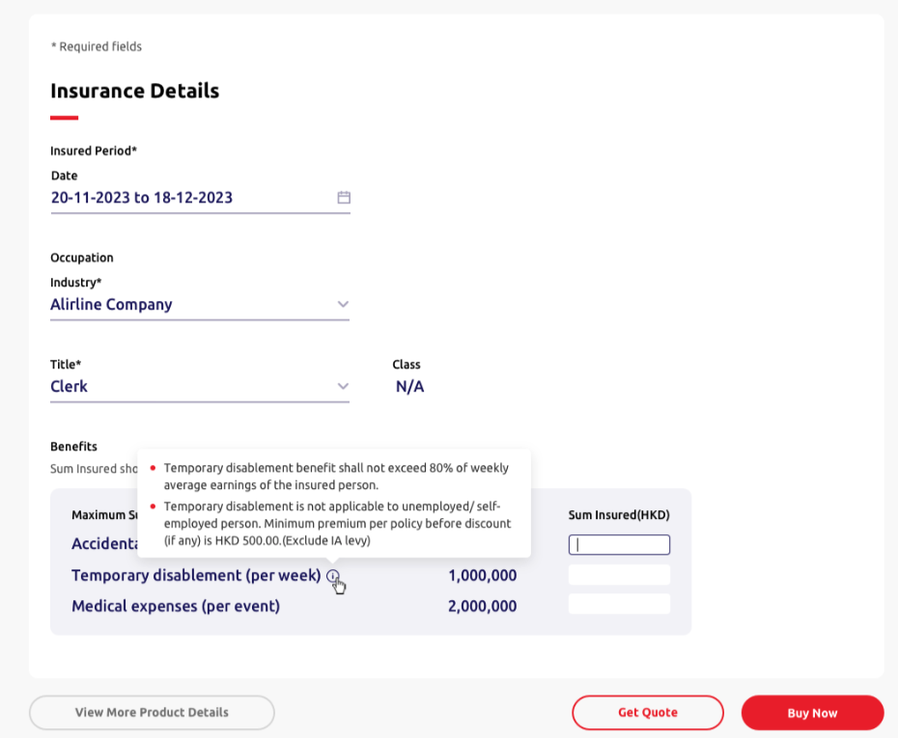
____ | Item | Type | EN | TC | Required input? | Placeholder EN /Option EN | Placeholder TC /Option TC | Max. Length | Default value | Validation | Error message EN | Error message TC | Screenshot (for layout reference only)
 |  |  | (Header, quotation and reference number component refer to 4.4 New Business - TravelSurance)

4.7.1 | Description | Label | *Required | *必須填寫 | N.A | N.A | N.A | N.A | N.A | N.A | N.A | N.A
4.7.2 | Step 1 section name | Label | Insurance details | 保險資料 | N.A | N.A | N.A | N.A | N.A | N.A | N.A | N.A
4.7.3 | Column name | Label | Insured period* | 受保期 | N.A | N.A | N.A | N.A | N.A | N.A | N.A | N.A
4.7.4 | Column name | Single date picker | Start date | 起保日 | Required | DD-MM-YYYY | DD-MM-YYYY | N.A. | [Today Date] | • Minimum date as today date • Maximum date as 60 days from today date *dim unavaliable dates* *Update logic refer to Appendix A* | [Frontend layout to cater] | [Frontend layout to cater]
 |  |  |  |  |  |  |  |  |  | Mandatory checking | Please select {field name} | 請選擇 {field name}
 |  |  |  |  |  |  |  |  |  | Format checking | Invalid date | 日子無效
4.7.5 | Column name | Label | End date | 到期日 | N.A. | N.A. | N.A. | N.A. | [Based on Start date] | *Update logic refer to NB-Appendix A* | [Frontend layout to cater] | [Frontend layout to cater]
4.7.6 | Column name | Label | Occupation* | 職業* | N.A | N.A | N.A | N.A | N.A | N.A | N.A | N.A
4.7.7 | Column name | Dropdown | Industry* | 行業* | Required | [Backend] | [Backend] | N.A | Empty | Mandatory checking | Please select the {field name}. | 請選擇 {field name}
4.7.7 | Industry option | Dropdown | Title* | 職位* | Required | [Backend] *No dropdown value is shown unless both “Industry” is selected* *Auto-updated with retrieving the response from backend after selecting the "Industry"* *Clear the value when "Industry" selection is updated* | [Backend] *No dropdown value is shown unless both “Industry” is selected* *Auto-updated with retrieving the response from backend after selecting the "Industry"* *Clear the value when "Industry" selection is updated* | N.A | Empty | Mandatory checking | Please select the {field name}. | 請選擇 {field name}
 |  |  |  |  |  |  |  |  |  | [Backend-occupation is out of scope] | Sorry, we are unable to proceed with the selected occupation. Please contact our MSIG account handler. | 抱歉，我們未能就閣下所選的職業繼續，請聯絡MSIG經紀。
4.7.8 | Column name | Label | Class | 類別 | N.A. | [Return result by backend] • Class I • Class II • Class III • Class IV • N/A | • 類別 I • 類別 II • 類別 III • 類別 IV • N/A | N.A | N/A *No label value is shown unless both “Industry” and “Title” are selected* *Auto-updated with retrieving the response from backend after selecting both the "Industry" and "Title"* *Clear the value when "Industry" or "Title" selection is updated* | N.A | N.A | N.A
4.7.9 | Column name | Label | Benefits | 賠償額 | N.A | N.A | N.A | N.A | N.A | N.A | N.A | N.A
4.7.10 | Benefits description | Label | The sum insured must be multiples of HKD100. | 投保額須以每港幣100元為單位 | N.A | N.A | N.A | N.A | N.A | N.A | N.A | N.A
4.7.11 | Sub Column name | Label | Summary of benefits | 賠償額總覽 | N.A | N.A | N.A | N.A | • Accidental death and permanent disablement* • Temporary disablement (per week) • Medical expenses (per event) | • 意外身亡及永久傷殘* • 暫時傷殘（每週） • 醫療費用（每宗意外） | N.A | N.A
4.7.12 | Sub Column name | Label | Maximum Sum Insured (HKD) | 最高投保額（港幣） | N.A | [Backend] *Auto-updated with retrieving the response from backend after selecting both the "Industry" and "Title"* | [Backend] *Auto-updated with retrieving the response from backend after selecting both the "Industry" and "Title"* | N.A | N/A | N.A | N.A | N.A
4.7.13 | Temporary disablement (per week) remarks | Text | [HK and Macau] • Temporary disablement benefit shall not exceed 80% of weekly average earnings of the insured person. • Temporary disablement is not applicable to unemployed / self-employed person. | [HK and Macau] • 暫時傷殘的投保額不得超過受保人每週平均薪金之80%。 • 暫時傷殘保障不適用於失業人士及自僱人士。 | N.A | N.A | N.A | N.A | N.A | N.A | N.A | N.A
4.7.13 | Premium remarks | Text | [HK] Minimum premium per policy before discount (if any) is HKD500 (excluding IA levy). [Macau] Minimum premium per policy before discount (if any) is HKD500. *Default HK for HTML dev* | [HK] 每張保單於折扣前（如有）的最低保費為港幣500元（不包括保費徵費）。 [Macau] 每張保單於折扣前（如有）的最低保費為港幣500元。 | N.A | N.A | N.A | N.A | N.A | N.A | N.A | N.A
4.7.13 | Sub Column name | Text input | Sum Insured (HKD) | 投保額（港幣） | Required | [AD & PD] Empty | [AD & PD] Empty | 7 | Empty | [AD & PD - Class I] Maximum amount is [backend] [AD & PD - Class Il] Maximum amount is [backend] | The maximum sum insured is HKD[dynamic]. Please enter again. | 投保額最高為港幣[dynamic]元，請重新輸入。
 |  |  |  |  |  |  |  |  |  | Minimum amount is 100 | The minimum sum insured is HKD100. Please enter again. | 投保額最低為港幣100元，請重新輸入。
 |  |  |  |  |  |  |  |  |  | Allow integer input only | [Frontend layout to cater] | [Frontend layout to cater]
 |  |  |  |  |  |  |  |  |  | Allow multiple of 100 input only | Please enter the multiples of HKD100. | 請輸入港幣100元的倍數。
 |  |  |  |  |  |  |  |  |  | [Backend-occupation is out of scope] Dim the input box | N.A. | N.A.
 |  |  |  |  |  |  |  |  |  | Mandatory checking | Please enter the {field name}. | 請輸入 {field name}
4.7.14 | Sub Column name | Text input | Sum Insured (HKD) | 投保額（港幣） | Optional | [TD] Empty | [TD] Empty | 4 | Empty | [TD - Class I] Maximum limit (HKD) is [backend] [TD - Class Il] Maximum limit (HKD) is [backend] | The maximum sum insured is HKD[dynamic]. Please enter again. | 投保額最高為港幣[dynamic]元，請重新輸入。
 |  |  |  |  |  |  |  |  |  | Allow integer input only | [Frontend layout to cater] | [Frontend layout to cater]
 |  |  |  |  |  |  |  |  |  | Allow multiple of 100 input only | Please enter the multiples of HKD100. | 請輸入港幣100元的倍數。
 |  |  |  |  |  |  |  |  |  | [Backend-occupation is out of scope] Dim the input box | N.A. | N.A.
4.7.15 | Sub Column name | Text input | Sum Insured (HKD) | 投保額（港幣） | Optional | [ME] Empty | [ME] Empty | 5 | Empty | [ME - Class I] Maximum limit (HKD) is [backend] [ME - Class Il] Maximum limit (HKD) is [backend] | The maximum sum insured is HKD[dynamic]. Please enter again. | 投保額最高為港幣[dynamic]元，請重新輸入。
 |  |  |  |  |  |  |  |  |  | Allow integer input only | [Frontend layout to cater] | [Frontend layout to cater]
 |  |  |  |  |  |  |  |  |  | Allow multiple of 100 input only | Please enter the multiples of HKD100. | 請輸入港幣100元的倍數。
 |  |  |  |  |  |  |  |  |  | [Backend-occupation is out of scope] Dim the input box | N.A. | N.A.
4.7.16 | View More Product Details button | Action button | View more product details | 查看更多產品資料 | N.A | N.A | N.A | N.A | N.A | [Backend-occupation is out of scope] Dim the input button | N.A | N.A
4.7.17 | Get quote button | Action button | Get quote | 索取報價 | N.A | N.A | N.A | N.A | N.A | [Backend-occupation is out of scope] Dim the input button | N.A | N.A
4.7.18 | Buy now button | Action button | Buy now | 立即投保 | N.A | N.A | N.A | N.A | N.A | [Backend-occupation is out of scope] Dim the input button | N.A | N.A

 |  |  | (Header, quotation reference number and footer component refer to 4.3 New Business - SunTravel (Single) - ePayment)

4.7.19 | Description | Label | *Required | *必須填寫 | N.A | N.A | N.A | N.A | N.A | N.A | N.A | N.A
4.7.20 | Step 2 section name | Label | Proposer details | 投保人資料 | N.A | N.A | N.A | N.A | N.A | N.A | N.A | N.A
4.7.21 | Column name | Text input | Surname* | 姓氏* | Required | Chan | 陳 | 30 | Empty | Mandatory checking | Please enter the {field name} of the proposer | 請輸入投保人之 {field name}
 |  |  |  |  |  |  |  |  |  | Surname + Given Name can't be exceed 29 characters | Surname and Given Name can't be exceed 29 characters | 姓氏及名字不可長於29個字元。
4.7.22 | Column name | Text input | Given name* | 名字* | Required | Tai Man | 大文 | 20 | Empty | Mandatory checking | Please enter the {field name}. | 請輸入 {field name}
4.7.23 | Given Name description | Text | Please enter "." if the proposer does not have a given name. | 如投保人未能提供名字，請輸入「. 」。 | N.A | N.A | N.A | N.A | N.A | N.A | N.A | N.A
4.7.24 | Column name | Radio button (single option allowed only) | Gender | 性別 | Optional | • Male • Female | • 男 • 女 | N.A | Empty | N.A | N.A | N.A
4.7.25 | Column name | Single date picker | Date of birth* | 出生日期* | Required | DD-MM-YYYY | DD-MM-YYYY | 10 | Empty | Mandatory checking | Please enter the {field name} of the proposer | 請輸入投保人之 {field name}
 |  |  |  |  |  |  |  |  |  | Format checking | Invalid {field name} | {field name} 無效
 |  |  |  |  |  |  |  |  |  | Age >= 18 and Age <= 70 | The proposer must be aged between 18 and 70. Please select or enter again. | 投保人年齡必須為18歲至70歲，請重新選擇或輸入。
4.7.26 | Column name | Radio button | ID type* | 身份證明文件類別* | Required | • [HK] HKID • [Macau] Macau ID • Passport *Show all three options in HTML, option display logic handle by Backend* | • [HK]香港身份證 • [Macau]澳門身份證 • 護照 *Show all three options in HTML, option display logic handle by Backend* | N.A. | [HK] HKID [Macau] Macau ID *Default HK for HTML dev* | N.A. | N.A. | N.A.
4.7.27 | Column name | Text input | ID number* | 身份證明文件號碼* | Required | A123456(7) | A123456(7) | 14 | Empty | [Backend] | Please enter a valid {ID Type value} number of the proposer | 請輸入投保人之有效 {ID Type value} 號碼
4.7.28 | Column name | Radio button (single option allowed only) | Marital status | 婚姻狀況 | Optional | • Single • Married | • 單身 • 已婚 | N.A | Empty | N.A | N.A | N.A
4.7.29 | Column name | Dropdown | Country code | 國家編碼 | Optional | • 852 • 853 • 86 | 852 853 86 | N.A | 852 | N.A | N.A | N.A
4.7.30 | Column name | Text input | Mobile number | 手提電話號碼 | Optional | 12345678 | 12345678 | [852] 8 [853] 8 [86] 11 | Empty | Regular expression;Dependency on country code | Invalid {field name}. Please enter again. | {field name} 無效，請重新輸入。
4.7.31 | Column name | Text input | Email | 電郵 | Optional | example@mail.com | example@mail.com | 50 | Empty | Regular expression | Invalid {field name}. Please enter again. | {field name} 無效，請重新輸入。
4.7.32 | Column name | Radio button | Correspondence address* *The fields under Correspondence Address refer to NB-Appendix B* | 通訊地址 | Required | • Address • Post Office Box | • 地址 • 郵政信箱 | N.A | Address | N.A | N.A | N.A

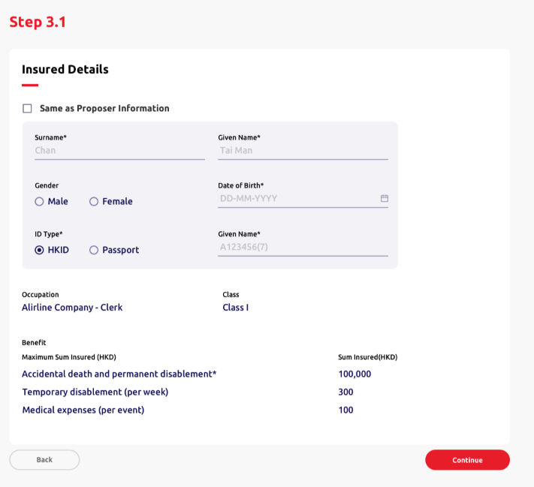
 |  |  | (Header, quotation, reference number and footer component same as above)

4.7.33 | Step 3 section name | Label | Insured person details | 受保人資料 | N.A | N.A | N.A | N.A | N.A | N.A | N.A | N.A
4.7.34 | Same proposer option | Checkbox | Same as proposer details | 與投保人資料相同 | Optional | N.A | N.A | N.A | Ticked | Dim all the fields and not allow to input and select in next step after ticked. Remove the fields value when undimmed | [Frontend layout to cater] | [Frontend layout to cater]
4.7.35 | Column name | Text input | Surname* | 姓氏* | Required | Chan | 陳 | 30 | Empty | Mandatory checking (if the field is not dimmed) | Please enter the {field name} of the proposer | 請輸入投保人之 {field name}
4.7.37 | Column name | Text input | Given name* | 名字* | Required | Tai Man | 大文 | 20 | Empty | Mandatory checking | Please enter the {field name}. | 請輸入 {field name}。
4.7.39 | Given Name description | Text | Please enter "." if the insured does not have a given name. | 如受保人未能提供名字，請輸入「. 」。 | N.A | N.A | N.A | N.A | N.A | N.A | N.A | N.A
4.7.40 | Column name | Radio button (single option allowed only) | Gender | 性別 | Required | • Male • Female | • 男 • 女 | N.A | Empty | User checks "Same as Proposer Information" but didn't fill in the Gender in Proposer Information | Please go back and select the Gender in Proposer Details. | 請返回投保人資料並選擇性別。
4.7.41 | Column name | Single date picker | Date of birth* | 出生日期* | Required | DD-MM-YYYY | DD-MM-YYYY | 10 | Empty | Mandatory checking (if the field is not dimmed) | Please enter the {field name} of the proposer | 請輸入投保人之 {field name}
 |  |  |  |  |  |  |  |  |  | Format checking | Invalid {field name} | {field name} 無效
 |  |  |  |  |  |  |  |  |  | Age >= 16 and Age <= 70 | The insured person must be aged between 16 and 70. Please select or enter again. | 受保人年齡必須為16歲至70歲，請重新選擇或輸入。
4.7.42 | Column name | Radio button | ID type*+D73 | 身份證明文件類別* | Required | • [HK] HKID • [Macau] Macau ID • Passport *Show all three options in HTML, option display logic handle by Backend* | • [HK]香港身份證 • [Macau]澳門身份證 • 護照 *Show all three options in HTML, option display logic handle by Backend* | N.A. | [HK] HKID [Macau] Macau ID *Default HK for HTML dev* | N.A. | N.A. | N.A.
4.7.43 | Column name | Text input | ID number* | 身份證號碼* | Required | A123456(7) | A123456(7) | 14 | Empty | [Backend] | Please enter a valid {ID Type value} number of the proposer | 請輸入投保人之有效 {ID Type value} 號碼
 | Column name | Label | Benefit | 保障 | N.A | N.A | N.A | N.A | N.A | N.A | N.A. | N.A.
 | Column name | Label | Sum Insured (HKD) | 投保額（港幣） | N.A | N.A | N.A | N.A | N.A | N.A | N.A. | N.A.
 | Subcolumn name | Label | Accidental death and permanent disablement | 意外身亡及永久傷殘 | Required | N.A | N.A | N.A | N.A | N.A | N.A. | N.A.
 | Subcolumn name | Label | Temporary disablement (per week) | 暫時傷殘（每週） | Required | N.A | N.A | N.A | Display 0 if user didn't input in Fast Quotation | N.A | N.A. | N.A.
 | Subcolumn name | Label | Medical expenses (per event) | 醫療費用（每宗意外） | Required | N.A | N.A | N.A | Display 0 if user didn't input in Fast Quotation | N.A | N.A. | N.A.

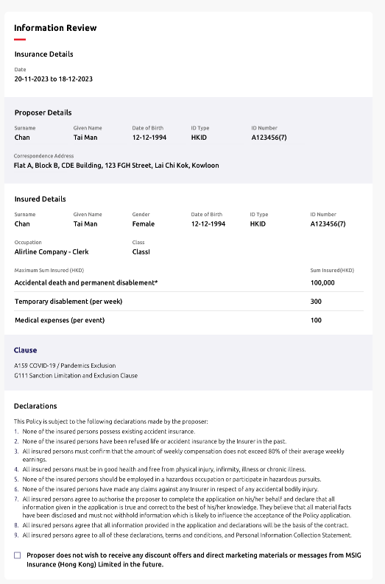
 |  |  | (Header, quotation and reference number component same as above)

4.7.52 | Step 4 section name | Label | Information Review | 資料核對 | N.A | N.A | N.A | N.A | N.A | N.A | N.A | N.A
4.7.53 | Sub section name | Label | Insurance Details |  | N.A | N.A | N.A | N.A | N.A | N.A | N.A | N.A
4.7.54 | Column name | Label | Insured Period |  | N.A | N.A | N.A | N.A | N.A | N.A | N.A | N.A
4.7.55 | Column name | Label | Date | 日期 | N.A | N.A | N.A | N.A | N.A | N.A | N.A | N.A
4.7.56 | Column name | Label | Industry |  | N.A | N.A | N.A | N.A | N.A | N.A | N.A | N.A
4.7.57 | Column name | Label | Title |  | N.A | N.A | N.A | N.A | N.A | N.A | N.A | N.A
4.7.58 | Column name | Label | Class |  | N.A | N.A | N.A | N.A | N.A | N.A | N.A | N.A
4.7.59 | Column name | Label | Benefits |  | N.A | N.A | N.A | N.A | N.A | N.A | N.A | N.A
4.7.60 | Column name | Label | Maximum Sum Insured (HKD) |  | N.A | N.A | N.A | N.A | N.A | N.A | N.A | N.A
4.7.61 | Column name | Label | Sum Insured (HKD) |  | N.A | N.A | N.A | N.A | N.A | N.A | N.A | N.A

4.7.62 | Sub section name | Label | Proposer Details | 投保人資料 | N.A | N.A | N.A | N.A | N.A | N.A | N.A | N.A
4.7.63 | Column name | Label | Surname | 姓 | N.A | N.A | N.A | N.A | N.A | N.A | N.A | N.A
4.7.64 | Column name | Label | Given Name | 名 | N.A | N.A | N.A | N.A | N.A | N.A | N.A | N.A
4.7.65 | Column name | Label | Gender | 性別 | N.A | N.A | N.A | N.A | N.A | N.A | N.A | N.A
4.7.66 | Column name | Label | Date of Birth | 出生日期 | N.A | N.A | N.A | N.A | N.A | N.A | N.A | N.A
4.7.67 | Column name | Label | ID Type | 身份證明類別 | N.A | N.A | N.A | N.A | N.A | N.A | N.A | N.A
4.7.68 | Column name | Label | ID Number | 身份證號碼 | N.A | N.A | N.A | N.A | N.A | N.A | N.A | N.A
4.7.69 | Column name | Label | Marital Status | 婚姻狀況 | N.A | N.A | N.A | N.A | N.A | N.A | N.A | N.A
4.7.70 | Column name | Label | Mobile Number | 手提電話 | N.A | N.A | N.A | N.A | N.A | N.A | N.A | N.A
4.7.71 | Column name | Label | Email Address | 電郵 | N.A | N.A | N.A | N.A | N.A | N.A | N.A | N.A
4.7.72 | Column name | Label | Country of Residence |  | N.A | N.A | N.A | N.A | N.A | N.A | N.A | N.A
4.7.73 | Column name | Label | Correspondence Address |  | N.A | N.A | N.A | N.A | N.A | N.A | N.A | N.A

4.7.74 | Sub section name | Label | Insured Details | 受保人資料 | N.A | N.A | N.A | N.A | N.A | N.A | N.A | N.A
4.7.75 | Column name | Label | Surname | 姓 | N.A | N.A | N.A | N.A | N.A | N.A | N.A | N.A
4.7.76 | Column name | Label | Given Name | 名 | N.A | N.A | N.A | N.A | N.A | N.A | N.A | N.A
4.7.77 | Column name | Label | Gender | 性別 | N.A | N.A | N.A | N.A | N.A | N.A | N.A | N.A
4.7.78 | Column name | Label | Date of Birth | 出生日期 | N.A | N.A | N.A | N.A | N.A | N.A | N.A | N.A
4.7.79 | Column name | Label | ID Type | 身份證明類別 | N.A | N.A | N.A | N.A | N.A | N.A | N.A | N.A
4.7.80 | Column name | Label | ID Number | 身份證號碼 | N.A | N.A | N.A | N.A | N.A | N.A | N.A | N.A

4.7.44 | Step 4 section name | Label | Information review | 資料核對 | N.A. | N.A. | N.A. | N.A. | N.A. | N.A. | N.A. | N.A.
4.7.45 | Sub section name | Label | Clause | 條款 | N.A | N.A | N.A | N.A | N.A | N.A | N.A | N.A
4.7.46 | Description | Label | A160 COVID-19 / Pandemics Exclusion | A160 2019 冠狀病毒病（COVID-19）／大流行病不承保條款 | N.A | N.A | N.A | N.A | N.A | N.A | N.A | N.A
4.7.47 | Description | Label | G111 Sanction Limitation and Exclusion Clause | G111 制裁限制及除外 | N.A | N.A | N.A | N.A | N.A | N.A | N.A | N.A

4.7.48 | Sub section name | Label | Declarations | 聲明 | N.A | N.A | N.A | N.A | N.A | N.A | N.A | N.A
4.7.49 | Description | Label | This Policy is subject to the following declarations made by the proposer: | 本保單是根據投保人作出以下的聲明而受約束： | N.A | N.A | N.A | N.A | N.A | N.A | N.A | N.A
4.7.50 | Description | Label | 1. None of the insured persons possess existing accident insurance. | 1. 所有受保人現時沒有投保個人意外保險。 | N.A | N.A | N.A | N.A | N.A | N.A | N.A | N.A
4.7.51 | Description | Label | 2. None of the insured persons have been refused life or accident insurance by the Insurer in the past. | 2. 所有受保人從没有被保險公司拒絕投保人壽或個人意外保險。 | N.A | N.A | N.A | N.A | N.A | N.A | N.A | N.A
4.7.52 | Description | Label | 3. All insured person(s) is/are unware of circumstance which is likely to lead to the cancellation or curtailment of the journey. | 3. 所有受保人並沒有受任何將會引致取消行程或行程延誤的情況。 | N.A | N.A | N.A | N.A | N.A | N.A | N.A | N.A
4.7.53 | Description | Label | 4. All insured persons must be in good health and free from physical injury, infirmity, illness or chronic illness. | 4. 所有受保人均身體健康及體格健全，現時絕無疾病或間歇性復發的疾病。 | N.A | N.A | N.A | N.A | N.A | N.A | N.A | N.A
4.7.54 | Description | Label | 5. None of the insured persons should be employed in a hazardous occupation or participate in hazardous pursuits. | 5. 所有受保人之職業或工作沒有存在危機。 | N.A | N.A | N.A | N.A | N.A | N.A | N.A | N.A
4.7.55 | Description | Label | 6. None of the insured persons have made any claims against any Insurer in respect of any accidental bodily injury. | 6. 所有受保人沒有曾因意外身體受傷向保險公司提出賠償。 | N.A | N.A | N.A | N.A | N.A | N.A | N.A | N.A
4.7.56 | Description | Label | 7. All insured persons agree to authorise the proposer to complete the application on his/her behalf and declare that all information given in the application is true and correct to the best of his/her knowledge. They believe that all material facts have been disclosed and must not withhold information which is likely to influence the acceptance of the Policy application. | 7. 所有受保人已授權投保人代其填寫投保書；並聲明在本申請書內填報的資料，根據所知全部正確無訛及完整，没有隱瞞可能影響本申請書承保的事實。 | N.A | N.A | N.A | N.A | N.A | N.A | N.A | N.A
4.7.57 | Description | Label | 8. All insured persons agree that all information provided in the application and declarations will be the basis of the contract. | 8. 所有受保人同意本申請書、聲明及所提供的其他資料作為合約的基礎。 | N.A | N.A | N.A | N.A | N.A | N.A | N.A | N.A
4.7.58 | Description | Label | 9. All insured persons agree to all of these declarations, terms and conditions, and Personal Information Collection Statement. | 9. 所有受保人同意所有聲明、條件和條款及個人資料收集聲明。 | N.A | N.A | N.A | N.A | N.A | N.A | N.A | N.A
4.7.59 | Proposer option | Checkbox | Proposer does not wish to receive any discount offers and direct marketing materials or message from MSIG Insurance (Hong Kong) Limited in the future. | 投保人不欲收取MSIG提供任何直銷活動、推廣或訊息。 | N.A | N.A | N.A | N.A | N.A | N.A | N.A | N.A

 |  |  | (All fields are same with 4.3 New Business - SunTravel (Single) - ePayment)

4.7.96 | Title | Label | Policy Issued | 已發出保單 | N.A | N.A | N.A | N.A | N.A | N.A | N.A | N.A

4.9 NB - Landlord Protector
____ | Item | Type | EN | TC | Required input? | Placeholder EN /Option EN | Placeholder TC /Option TC | Max. Length | Default value | Validation | Error message EN | Error message TC | Screenshot (for layout reference only)
 |  |  | (All fields are same with 4.8 Home Insurance, except 4.9.2) *For Landlord Protector, it is using "Contents and Loss of Rent" instead of "Contents" as Benefit |  |  |  |  |  |  |  |  | 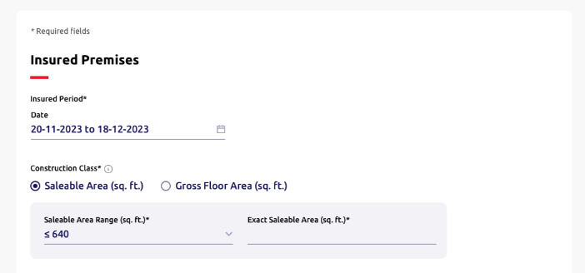

4.9.1 | Step 1 section name | Label | Insured premises | 投保物業 | N.A | N.A | N.A | N.A | N.A | N.A | N.A | N.A
4.9.2 | Sub column name | Label | Contents and Loss of Rent (HKD) | 財物及租金損失（港幣/元） | N.A | N.A | N.A | N.A | [Backend] | N.A | N.A | N.A
4.9.3 | Construction Class info text | Text | • The age of the building does not exceed 40 years | • 投保物業樓齡不超過40年 | N.A | N.A | N.A | N.A | N.A | N.A | N.A | N.A

 |  |  | (All fields are same with 4.8 Home Insurance)

4.9.4 | Step 2 section name | Label | Proposer details | 投保人資料 | N.A | N.A | N.A | N.A | N.A | N.A | N.A | N.A
4.8.23 | Column name | Text input | Surname* | 姓* | Required | Chan | 陳 | 30 | Empty | Mandatory checking | Please enter the {field name} of the proposer
4.8.24 |  |  |  |  |  |  |  |  |  | Maximum length of Surname + Given Name is 40 | Surname and Given Name cannot exceed 40 characters”
4.8.25 | Column name | Text input | Given Name* | 名* | Required | Tai Man | 大文 | 20 | Empty | Mandatory checking | Please enter the {field name} of the proposer. Enter "." if the proposer does not have given name
 |  |  |  |  |  |  |  |  |  | Maximum length of Surname + Given Name is 40 | Surname and Given Name cannot exceed 40 characters”
4.8.26 | Column name | Radio button | Gender | 性別 | Optional | • Male • Female |  | N.A | Empty | N.A | N.A | N.A
4.8.27 | Column name | Date picker | Date of Birth* | 出生日期* | Required | DD-MM-YYYY | DD-MM-YYYY | 10 | Empty | Mandatory checking | Please enter the {field name} of the proposer
 |  |  |  |  |  |  |  |  |  | Format checking | Invalid {field name}
 |  |  |  |  |  |  |  |  |  | Age >= 18 and Age <= 70 | The proposer should be aged between 18 and 70
4.8.28 | Column name | Radio button | ID Type* | 身份證明類別* | Required | • [HK] HKID • [Macau] Macau ID • Passport |  | N.A | • [HK] HKID • [Macau] Macau ID | Mandatory checking | Please select {field name}
4.8.29 | Column name | Text input | ID Number* | 身份證號碼* | Required | A123456(7) | A123456(7) | 14 | Empty | [Backend] | Please enter a valid {ID Type value} number of the insured of the proposer
4.8.30 | Column name | Radio button | Marital Status | 婚姻狀況 | Optional | • Single • Married |  | N.A | Empty | N.A | N.A | N.A
4.8.31 | Column name | Dropdown | Country Code |  | Optional | • 852 • 853 • 86 | 852 853 86 | N.A | 852 | N.A | N.A | N.A
4.8.32 | Column name | Text input | Mobile Number | 手提電話 | Optional | 12345678 | 12345678 | [852] 8 [853] 8 [86] 11 | Empty | Regular expression | Invalid {field name}
4.8.33 | Column name | Text input | Email | 電郵 | Optional | example@mail.com | example@mail.com | 50 | Empty | Regular expression | Invalid {field name}
4.8.34 | Column name | Radio button | Correspondence Address* |  | Required | • Address • Post Office Box |  | N.A | Address | N.A | N.A | N.A
4.8.35 | Description | Label | Building / Estate, Street / Village or Lot is required to fill. |  | N.A. | N.A | N.A | N.A | N.A | N.A | N.A | N.A
4.8.36 | Sub column name | Text input | Search Your Address |  | Optional | Enter a location |  | 100 | Empty | N.A | N.A | N.A
4.8.37 | Sub column name (address only) | Text input | Flat |  | Optional | Empty | Empty | 25 | Empty | N.A | N.A | N.A
4.8.38 | Sub column name (address only) | Text input | Floor/Block |  | Optional | Empty | Empty | 25 | Empty | N.A | N.A | N.A
4.8.39 | Sub column name (address only) | Text input | Building/Estate |  | Required | Empty | Empty | 50 | Empty | Either Building / Estate, Street / Village or Lot is filled. | Please enter the {field name}
4.8.40 | Sub column name (address only) | Text input | Street/Village |  | Required | Empty | Empty | 50 | Empty | Either Building / Estate, Street / Village or Lot is filled. | Please enter the {field name} of the proposer
4.8.41 | Add DD/Lot (address only) | Text button | +DD/Lot |  | N.A. | N.A. | N.A. | N.A. | Empty | N.A. | N.A. | N.A.
4.8.42 | Sub column name (address only) | Text input | DD |  | Optional | Empty | Empty | 50 | Empty | N.A. | N.A. | N.A.
4.8.43 | Sub column name (address only) | Text input | Lot |  | Required | Empty | Empty | 50 | Empty | N.A. | Either Building / Estate, Street / Village or Lot is filled.
4.8.44 | Sub column name (address only) | Dropdown | District* |  | Required | [Dynamic] | [Dynamic] | N.A. | Empty | Mandatory checking | Please select {field name}
4.8.45 | Sub column name (address only) | Dropdown | Area* |  | Required | [Dynamic] | [Dynamic] | N.A. | Empty | Mandatory checking | Please select {field name}
4.8.46 | Sub column name (post office box only) | Text input | P.O. Box Number* |  | Required | Empty | Empty | 50 | Empty | Mandatory checking | Please enter the {field name}


 |  |  | (All fields are same with 4.8 Home Insurance)

4.9.5 | Step 3 section name | Text | Insured details | 受保人資料 | N.A | N.A | N.A | N.A | N.A | N.A | N.A | N.A

 |  |  | (Header, quotation and reference number component same as above) (Display fields please refer to Step 1-3)

 | Step 4 section name | Label | Information review | 資料核對 | N.A. | N.A. | N.A. | N.A. | N.A. | N.A. | N.A. | N.A.
4.9.29 | Sub section name | Label | Clause | 條款 | N.A | N.A | N.A | N.A | N.A | N.A | N.A | N.A
4.9.30 | Description | Label | G111 Sanction Limitation and Exclusion Clause | G111 制裁限制及除外 | N.A | N.A | N.A | N.A | N.A | N.A | N.A | N.A
4.9.31 | Description | Label | P229 Property Cyber and Data Exclusion | P229財產網絡及數據不承保條款 | N.A | N.A | N.A | N.A | N.A | N.A | N.A | N.A
4.9.32 | Description | Label | P226 Communicable Disease Exclusion | P226傳染病不承保條款 | N.A | N.A | N.A | N.A | N.A | N.A | N.A | N.A
4.9.33 | Description | Label | P227 General Exclusion for Cleaning Cost - Communicable Disease | P227與傳染病相關之清潔費用不承保條款 | N.A | N.A | N.A | N.A | N.A | N.A | N.A | N.A
4.9.34 | Description | Label | L132 Communicable Disease Exclusion | L132傳染病不承保條款 | N.A | N.A | N.A | N.A | N.A | N.A | N.A | N.A
4.9.35 | Description | Label | 1008 Limit of Indemnily Under Section 1 | 1008第一部份之賠償限額
4.9.36 | Description | Label | PE1O Date Recognition Exclusion Clause | PE1O 日期辨識除外條款

4.9.37 | Sub section name | Label | Declarations | 聲明 | N.A | N.A | N.A | N.A | N.A | N.A | N.A | N.A
4.9.38 | Description | Label | This Policy is subject to the following declarations made by the proposer: | 本保單是根據投保人作出以下的聲明而受約束： | N.A | N.A | N.A | N.A | N.A | N.A | N.A | N.A
4.9.39 | Description | Label | 1. All insured persons declare that they have no other insurance of a similar kind covering the insured premises and have never been declined insurance, had a renewal refused, been required to pay an additional premium or had special terms and conditions imposed for any home insurance policy. | 1. 所有受保人聲明此投保物業並沒有投保類似此保險保障和從没有被拒絕投保、拒絕續保、需要附加額外保費或於家居保險保單內附加特殊條款。 | N.A | N.A | N.A | N.A | N.A | N.A | N.A | N.A
4.9.40 | Description | Label | 2. All insured persons confirm that the age of the building does not exceed 40 years. | 2. 所有受保人確認投保物業樓齡不超過40年。 | N.A | N.A | N.A | N.A | N.A | N.A | N.A | N.A
4.9.41 | Description | Label | 3. All insured persons confirm that the insured premises are constructed of and roofed with bricks, stone or concrete and do not include structural alternations made of glass, metal, plastic or similar materials. | 3. 所有受保人確認投保物業及其屋頂均以磚瓦、石頭或水泥建造及沒有任何由玻璃、金屬、塑膠或類似物料之結構性改裝。 | N.A | N.A | N.A | N.A | N.A | N.A | N.A | N.A
4.9.42 | Description | Label | 4. All insured persons confirm that the insured premises are not situated on the ground floor nor include any rooftop space. | 4. 所有受保人確認投保物業不是位於底層或沒有包括任何類型的屋頂空間。 | N.A | N.A | N.A | N.A | N.A | N.A | N.A | N.A
4.9.43 | Description | Label | 5. All insured persons confirm that the insured premises are not categorized as a village house, bungalow, duplex house, townhouse, detached house or similar. | 5. 所有受保人確認投保物業不是歸類為村屋、平房、複式屋、聯排屋、獨立屋或相似類型。 | N.A | N.A | N.A | N.A | N.A | N.A | N.A | N.A
4.9.44 | Description | Label | 6. All insured persons confirm that there are no unauthorized building works or illegal structures at the insured premises. | 6. 所有受保人確認投保物業內並無未經批准的建築工程或違例建築物。 | N.A | N.A | N.A | N.A | N.A | N.A | N.A | N.A
4.9.45 | Description | Label | 7. All insured persons confirm that there are no outbuildings at the insured premises. | 7. 所有受保人確認投保物業並無附屬建築物。 | N.A | N.A | N.A | N.A | N.A | N.A | N.A | N.A
4.9.46 | Description | Label | 8. All insured persons confirm that the insured premises are not a sub-divided home or a sub-let property. | 8. 所有受保人須確認投保物業並無分租或轉租。 | N.A | N.A | N.A | N.A | N.A | N.A | N.A | N.A
4.9.47 | Description | Label | 9. All insured persons confirm the insured premises are solely for domestic use and do not serve any commercial purposes. | 9. 所有受保人確認投保物業只作居住用途並未有任何商業用途。 | N.A | N.A | N.A | N.A | N.A | N.A | N.A | N.A
4.9.48 | Description | Label | 10. All insured persons confirm that the total value of valuable property contained within the insured premises does not exceed one-third of the sum insured of Section 1 – Household Contents. | 10. 所有受保人確認投保物業內之貴重物件總值不超過第1節家居財物總額之三分之一。 | N.A | N.A | N.A | N.A | N.A | N.A | N.A | N.A
4.9.49 | Description | Text | 11. All insured persons confirm that they are the legal owner or the tenant of the insured premises on or before the policy effective date, and that the insured premises is their family’s and their principal place of residence. | 11. 所有受保人確認是現時或在保單生效之時是此投保物業的合法業主或住客，以及投保物業是受保人及其家人之主要居住地。 | N.A | N.A | N.A | N.A | N.A | N.A | N.A | N.A
4.9.50 | Description | Text | 12. All insured persons confirm that they have not made a claim under any home insurance policy in the preceding two years. | 12. 所有受保人確認過去兩年內並沒有在家居保險上提出索償。 | N.A | N.A | N.A | N.A | N.A | N.A | N.A | N.A
4.9.51 | Description | Text | 13. All insured persons shall comply with all statutory obligations and take reasonable steps to prevent loss or damage; and to maintain the insured property in good condition and that any repairs carried out are of sound quality. | 13. 所有受保人保證將會遵從所有法定條例，同時採取所有合理措施以預防遺失及損壞；以及保持任何受保財物的狀態良好。 | N.A | N.A | N.A | N.A | N.A | N.A | N.A | N.A
4.9.52 | Description | Text | 14. All insured persons shall comply with relevant fire safety rules and regulations, and fulfill the requirements set out in the deed of mutual covenant related to open kitchen construction within the insured premises. | 14. 如投保物業內建有開放式廚房，所有受保人保證已將遵從相關消防安全守則及規定並確保符合公契及其他有關條例的法定要求。 | N.A | N.A | N.A | N.A | N.A | N.A | N.A | N.A
4.9.53 | Description | Text | 15. All insured persons authorise the proposer to complete the application on their behalf and declare that all information given in the application is true and correct to the best of their knowledge. They declare that all material facts have been disclosed and must not withhold information which is likely to affect underwriting of the policy. | 15. 所有受保人授權投保人代其填寫投保書；並聲明在本申請書內填報的資料是根據所知並全部正確無訛及完整，亦没有隱瞞可能影響本申請書承保的事實。 | N.A | N.A | N.A | N.A | N.A | N.A | N.A | N.A
4.9.54 | Description | Text | 16. All insured persons agree that all information provided in the application and declarations will be the basis of the contract. | 16. 所有受保人同意本申請書、聲明及所提供的其他資料作為合約的基礎。 | N.A | N.A | N.A | N.A | N.A | N.A | N.A | N.A
4.9.55 | Description | Text | 17. All insured persons agree to all of these declarations, terms and conditions and the Personal Information Collection Statement. | 17. 所有受保人同意所有聲明、條件和條款及個人資料收集聲明。 | N.A | N.A | N.A | N.A | N.A | N.A | N.A | N.A
4.9.56 | Proposer option | Checkbox | Proposer does not wish to receive any discount offers and direct marketing materials or message from MSIG Insurance (Hong Kong) Limited in the future. | 投保人不欲收取MSIG提供任何直銷活動、推廣或訊息。 | N.A | N.A | N.A | N.A | N.A | N.A | N.A | N.A

 |  |  | (All fields are same with 4.8 Home Insurance)

4.9.57 | Title | Label | Policy issued | 已發出保單 | N.A | N.A | N.A | N.A | N.A | N.A | N.A | N.A

NB-Appendix
A. New Business- Product- Step 1 Date Logic

Non-yearly plan
Product 4.2, 4.3, 4,4
# | Field | Type | Default | Update Logic | Editable?
1 | Text input | Duration | 5 | Auto update if either 2 or 3 is updated | Yes
2 | Single date picker | Start date | TodayDate | Auto update if either 1 or 3 is updated | Yes
3 | Single date picker | End date | TodayDate + 4 days | Auto update if either 1 or 2 is updated | Yes

Yearly plan (a) -1 year only
Product 4.1, 4.5, 4.7, 4.8, 4.9, 4.10
# | Field | Type | Default | Update Logic | Editable?
2 | Single date picker | Start date | Today | Auto update if 3 is updated | Yes
3 | Text | End date | Default TodayDate + 1 year -1 day | Auto update if 2 is updated | No

Yearly plan (b) -1/2 year
Product 4.6
# | Field | Type | Default | Update Logic | Editable?
1 | Radio button (1 year/2year) | Duration | 1 year |  | Yes
2 | Single date picker | Start date | TodayDate | Auto update if either 1 or 3 is updated | Yes
3 | Text | End date | Default TodayDate + 1 year -1 day or TodayDate + 2 year - 1 day | Auto update if either 1 or 2 is updated | No

B. New Business- Product- Step 2 Correspondence Address
# | Type | EN | TC | Display when select Address/Post Office Box | Required? | Placeholder EN /Option EN | Placeholder TC /Option TC | Max. Length | Default value | Validation | Error message EN | Error message TC
1 | Text | Please fill in at least one of the information: street / village / etate / lot | 請填寫以下其中一項：街道名稱 / 鄉村名稱 / 屋邨名稱 / 地段 | Address | N.A. | N.A | N.A | N.A | N.A | N.A | N.A | N.A
2 | Text input | Search your address | 搜尋您的地址 | Address | Optional | Enter a location | 輸入地點 | 100 | Empty | [Backend to handle the address list for display] | N.A | N.A
3 | Text input | Flat/room/shop/unit/suite/others | 單位/室/店舖/其他 | Address | Optional | Empty | Empty | 25 | Empty | N.A | N.A | N.A
4 | Text input | Floor | 樓層 | Address | Optional | Empty | Empty | 25 | Empty | N.A | N.A | N.A
5 | Text input | Block/tower/house/others | 座數/其他 | Address | Optional | Empty | Empty | 25 | Empty | N.A | N.A | N.A
6 | Text input | Building | 樓宇名稱 | Address | Optional | Empty | Empty | 25 | Empty | Either (6) 'Building' or (7) 'Estate' or (9) 'Street ' or (10) 'village' or (14) 'Lot' is filled. | Please fill in Building / Estate / Street / Village / Lot. | 請輸入樓宇名稱 /屋邨名稱 / 街道名稱 / 鄉村名稱 / 地段
7 | Text input | Estate | 屋邨名稱 | Address | Optional | Empty | Empty | 25 | Empty | Either (6) 'Building' or (7) 'Estate' or (9) 'Street ' or (10) 'village' or (14) 'Lot' is filled. | Please fill in Building / Estate / Street / Village / Lot. | 請輸入樓宇名稱 /屋邨名稱 / 街道名稱 / 鄉村名稱 / 地段
8 | Text input | Estate phase | 屋邨期數 | Address | Optional | Empty | Empty | 25 | Empty | N.A | N.A | N.A
9 | Text input | Street | 街道名稱 | Address | Optional | Empty | Empty | 25 | Empty | N.A | N.A | N.A
10 | Text input | Village | 鄉村名稱 | Address | Optional | Empty | Empty | 25 | Empty | Either (6) 'Building' or (7) 'Estate' or (9) 'Street ' or (10) 'village' or (14) 'Lot' is filled. | Please fill in Building / Estate / Street / Village / Lot. | 請輸入樓宇名稱 /屋邨名稱 / 街道名稱 / 鄉村名稱 / 地段
11 | Text input | Street no./building no. | 街道門牌/建築物編號 | Address | Optional | Empty | Empty | 25 | Empty | N.A | N.A | N.A
12 | Text button | Add DD / lot | 加丈量約份/地段 | Address | Optional | N.A. | N.A. | N.A. | Empty | • Display the fields of (8) 'DD' and (9) 'Lot' after clicked. • Only allow to add one (8) 'DD' and one (9) 'Lot'. • Non-reversible after displayed the (8) 'DD' and (9) 'Lot'. | N.A. | N.A.
13 | Text input | DD | 丈量區 | Address | Optional | Empty | Empty | 25 | Empty | N.A. | N.A. | N.A.
14 | Text input | Lot | 地段 | Address | Optional | Empty | Empty | 25 | Empty | Either (6) 'Building' or (7) 'Estate' or (9) 'Street ' or (10) 'village' or (14) 'Lot' is filled. | Please fill in Building / Estate / Street / Village / Lot. | 請輸入樓宇名稱 /屋邨名稱 / 街道名稱 / 鄉村名稱 / 地段
15 | Dropdown | District* | 地區* | Address | Optional | [Backend] | [Backend] | N.A. | Empty | Mandatory checking | Please select the {field name}. | 請選擇 {field name}。
16 | Dropdown | Area* | 區域* | Address | Optional | [Backend] | [Backend] | N.A. | Empty | Mandatory checking | Please select the {field name}. | 請選擇 {field name}。
17 | Text input | P.O. box number* | 郵政信箱號碼* | Post Office Box | Optional | Empty | Empty | 50 | Empty | Mandatory checking | Please enter the {field name}. | 請輸入 {field name}。
18 | Text input | Post office* | 郵政局* | Post Office Box | Optional | Empty | Empty | 50 | Empty | Mandatory checking | Please enter the {field name}. | 請輸入 {field name}。

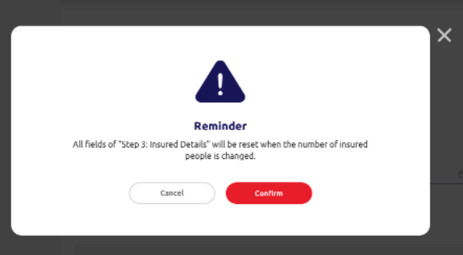
C. New Business- Travel Insurance Products- Step 3 Pop up
# | Type | EN | TC
1 | Text | Confirm to adjust the value? | 確認修改？
2 | Text | All entered information from the step 3 will be cleared. | 步驟三已填寫的所有資料將會被清除。
3 | Action button | Cancel | 取消
4 | Action button | Adjust | 修改

5.1. Policy Renewal
ID | Item | Type | EN | TC | Required input? | Placeholder EN /Option EN | Placeholder TC /Option TC | Max. Length | Default value | Validation | Error message EN | Error message TC | Screenshot (for layout reference only)
5.1.1 | Level 1 | Text button | Home | 主頁 | N.A. | N.A. | N.A. | N.A. | N.A. | N.A. | N.A. | N.A.
5.1.2 | Level 2 | Text button | Policy management | 保單管理 | N.A. | N.A. | N.A. | N.A. | N.A. | N.A. | N.A. | N.A.
5.1.3 | Section name | Text button | Policy renewal | 保單續保 | N.A. | N.A. | N.A. | N.A. | N.A. | N.A. | N.A. | N.A.

5.1.4 | Description | Text | Records of the last and coming 3 months will be shown if you directly click "Search". | 如您直接按「搜尋」，系統將顯示過去及未來三個月的紀錄。 | N.A. | N.A. | N.A. | N.A. | N.A. | N.A. | N.A. | N.A.
5.1.5 | Column name | Text input | Policy number | 保單號碼 | Optional | Empty | Empty | 8 | Empty | Integer Only | N.A. | N.A.
5.1.6 | Column name | Text input | Policyholder | 保單持有人 | Optional | Empty | Empty | 40 | Empty | N.A. | N.A. | N.A.
5.1.7 | Column name | Drop down | Agent number | 代理帳號 | Optional | [Backend] | [Backend] | N.A. | Empty | N.A. | N.A. | N.A.
5.1.8 | Column name | Drop down | Status | 狀況 | Optional | • [Empty] • Pending • Replied • Renewed • Hold cover • Lapsed | • [Empty] • 待辦 • 已回覆 • 已續保 • 按保 • 保單失效 | N.A. | Empty | N.A. | N.A. | N.A.
5.1.9 | Column name | Date picker | Expiry date | 到期日 | Optional | DD-MM-YYYY | DD-MM-YYYY | 10 | Empty | Format checking | Invalid date | 日子無效

5.1.10 | Clear button | Action button | Clear | 清除 | N.A. | N.A. | N.A. | N.A. | N.A. | N.A. | N.A. | N.A.
5.1.11 | Search button | Action button | Search | 搜尋 | N.A. | N.A. | N.A. | N.A. | N.A. | N.A. | N.A. | N.A.

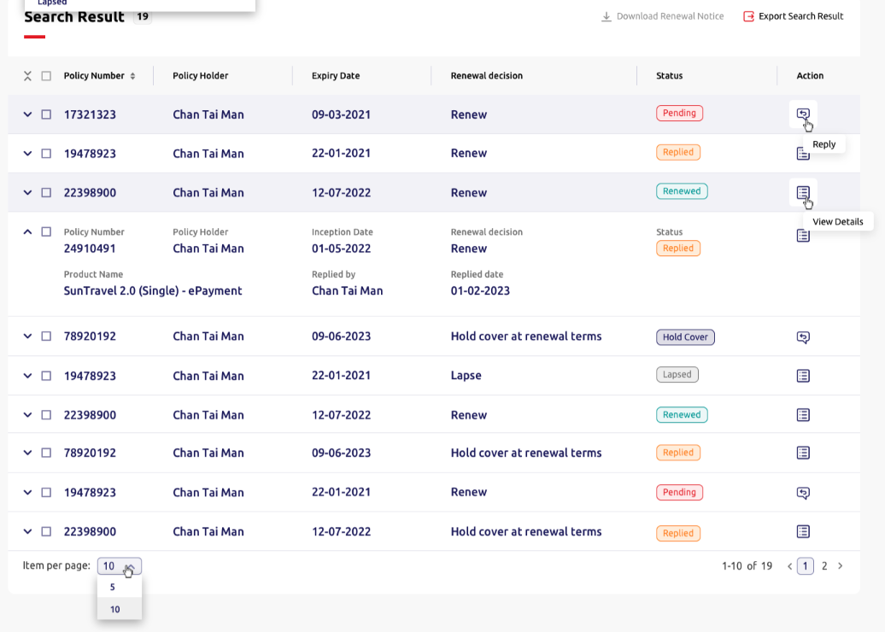
5.1.12 | Section name | Text | Search result | 搜尋結果 | N.A. | N.A. | N.A. | N.A. | N.A. | N.A. | N.A. | N.A.
5.1.13 | No. of result | Text | [Dynamic] | [Dynamic] | N.A. | N.A. | N.A. | N.A. | N.A. | N.A. | N.A. | N.A.
5.1.14 | No. of item selected | Text | [Dynamic] selected *Layout ref. to 5.2.22 | 已選取[Dynamic]項 | N.A. | N.A. | N.A. | N.A. | N.A. | N.A. | N.A. | N.A.
5.1.15 | Download buttin | Text button | Download renewal notice | 下載續保通知書 | N.A. | N.A. | N.A. | N.A. | N.A. | [Selection checking] Dim button | N.A. | N.A.
5.1.16 | Export button | Text button | Export search result | 匯出搜尋結果 | N.A. | N.A. | N.A. | N.A. | N.A. | N.A. | N.A. | N.A.

5.1.16 | Column name | Label | Policy number | 保單號碼 | N.A. | N.A. | N.A. | N.A. | [Backend] | N.A. | N.A. | N.A.
5.1.17 | Column name | Label | Policyholder | 保單持有人 | N.A. | N.A. | N.A. | N.A. | [Backend] | N.A. | N.A. | N.A.
5.1.18 | Column name | Label | Expiry date | 到期日 | N.A. | N.A. | N.A. | N.A. | [Backend] | N.A. | N.A. | N.A.
5.1.19 | Column name | Label | Renewal decision | 續保決定 | N.A. | N.A. | N.A. | N.A. | [Backend] | N.A. | N.A. | N.A.
5.1.20 | Column name | Label | Status | 狀況 | N.A. | • Pending • Replied • Renewed • Hold cover • Lapsed | 待辦 已回覆 已續保 按保 保單失效 | N.A. | [Backend] | N.A. | N.A. | N.A.
5.1.21 | Column name | Button | Action | 行動指示 | N.A. | N.A. | N.A. | N.A. | [Backend] | N.A. | N.A. | N.A.
5.1.22 | Action icon mouse over | Text | Reply | 回覆 | N.A. | N.A. | N.A. | N.A. | N.A. | N.A. | N.A. | N.A.
5.1.23 | Action icon mouse over | Text | View policy details | 查閱詳情 | N.A. | N.A. | N.A. | N.A. | N.A. | N.A. | N.A. | N.A.

5.1.24 | Expand column name | Text button | Policy number | 保單號碼 | N.A. | N.A. | N.A. | N.A. | [Backend] | N.A. | N.A. | N.A.
5.1.25 | Expand column name | Label | Policyholder | 保單持有人 | N.A. | N.A. | N.A. | N.A. | [Backend] | N.A. | N.A. | N.A.
5.1.26 | Expand column name | Label | Inception date | 起保日期 | N.A. | N.A. | N.A. | N.A. | [Backend] | N.A. | N.A. | N.A.
5.1.27 | Expand column name | Label | Renewal decision | 續保決定 | N.A. | N.A. | N.A. | N.A. | [Backend] | N.A. | N.A. | N.A.
5.1.28 | Expand column name | Label | Product name | 產品名稱 | N.A. | N.A. | N.A. | N.A. | [Backend] | N.A. | N.A. | N.A.
5.1.29 | Expand column name | Label | Replied by | 回覆帳戶 | N.A. | N.A. | N.A. | N.A. | [Backend] | N.A. | N.A. | N.A.
5.1.30 | Expand column name | Label | Reply date | 回覆日期 | N.A. | N.A. | N.A. | N.A. | [Backend] | N.A. | N.A. | N.A.

5.1.31 | Footer | Dropdown | Item per page: | 每頁顯示： | N.A. | • 5 • 10 | • 5 • 10 | N.A. | 5 | N.A. | N.A. | N.A.
5.1.32 | 10 items of total items | Label | 1 - {value of item per page} of [Dynamic] | 1 - {value of item per page} of [Dynamic] | N.A. | N.A. | N.A. | N.A. | [Backend] | N.A. | N.A. | N.A.
5.1.33 | Page navigation | Text button | [Dynamic] | [Dynamic] | N.A. | [Backend] | [Backend] | N.A. | 1 | N.A. | N.A. | N.A.

5.1.34 | Level 1 | Text button | Home | 主頁 | N.A. | N.A. | N.A. | N.A. | N.A. | N.A. | N.A. | N.A.
5.1.35 | Level 2 | Text button | Policy management | 管理保單 | N.A. | N.A. | N.A. | N.A. | N.A. | N.A. | N.A. | N.A.
5.1.36 | Level 3 | Text button | Policy renewal | 續保保單 | N.A. | N.A. | N.A. | N.A. | N.A. | N.A. | N.A. | N.A.

5.1.35 | Column name | Label | Policy number | 保單號碼 | N.A. | N.A. | N.A. | N.A. | [Backend] | N.A. | N.A. | N.A.

5.1.36 | Sub section name | Text | Renewal details | 續保資料 | N.A. | N.A. | N.A. | N.A. | N.A. | N.A. | N.A. | N.A.
5.1.37 | Column name | Label | Renewal term | 續保條款 | N.A. | N.A. | N.A. | N.A. | [Backend] | N.A. | N.A. | N.A.
5.1.38 | Column name | Label | Renewal notice | 續保通知書 | N.A. | N.A. | N.A. | N.A. | [Backend] | N.A. | N.A. | N.A.

5.1.39 | Sub section name | Text | Renewal reply | 續保回覆 | N.A. | N.A. | N.A. | N.A. | N.A. | N.A. | N.A.
5.1.40 | Column name | Radio button | Renewal decision | 續保決定 | Required | • Renew • Hold cover at renewal terms • Lapse | • 續保 • 依續保條款按保 • 保單失效 | N.A. | Renew | N.A. | N.A. | N.A.
5.1.41 | Column name (For "Renew") | Dropdown | Renewal instruction | 續保指示 | Required | • Renewed same • Renewed with changes | • 續保（沒有更改） • 續保（有更改） | N.A. | Empty | Mandatory checking | Please select {field name} | 請選擇 {field name}
5.1.42 | Colum name (For "Hold cover at renewal terms") | Text input | Instruction / remarks | 指示／備註 | Required | Type the instruction / remarks here… | 輸入續保指示／備註 | 100 | Empty | Mandatory checking | Please select {field name} | 請選擇 {field name}

5.1.43 | Column name (For "Lapse") | Dropdown | Lapse reason | 保單失效原因 | Required | • Insurance not required • Premium not competitive • Terms not competitive • No respond from customer | • 不需要保險 • 保費不夠競爭力 • 條款不夠競爭力 • 客戶沒有回應 | N.A. | Empty | Mandatory checking | Please enter the {field name} | 請輸入 {field name}
5.1.44 | Column name | Label | Attachment | 附件 | N.A. | N.A. | N.A. | N.A. | N.A. | N.A. | N.A. | N.A.
5.1.45 | Description | Text | You may upload up to 10 files. | 您可上載最多10份文件。 | N.A. | N.A. | N.A. | N.A. | N.A. | N.A. | N.A. | N.A.
5.1.46 | Upload guide | File uploader with text button | Drag & drop your file here or Browse files | 拖曳您的檔案至此 或 瀏覽檔案 | N.A. | N.A. | N.A. | N.A. | Empty | N.A. | N.A. | N.A.
5.1.47 | Description | Text | Files supported: pdf, png, jpg, jpeg, tiff, docx, xlsx, xls, mp4, avi, mov, flv, wmv, msg | 支援檔案：pdf, png, jpg, jpeg, tiff, docx, xlsx, xls, mp4, avi, mov, flv, wmv, msg | N.A. | N.A. | N.A. | N.A. | N.A. | N.A. | N.A. | N.A.
5.1.48 | Description | Text | Max. size: 10MB each | 每個檔案最大10MB | N.A. | N.A. | N.A. | N.A. | N.A. | N.A. | N.A. | N.A.

5.1.49 | Cancel button | Action button | Cancel | 取消 | N.A. | N.A. | N.A. | N.A. | N.A. | N.A. | N.A. | N.A.
5.1.50 | Save button | Action button | Save | 儲存 | N.A. | N.A. | N.A. | N.A. | N.A. | N.A. | N.A. | N.A.



5.1.51 | Sub section name | Text | Renewal reply | 續保回覆 | N.A. | N.A. | N.A. | N.A. | N.A. | N.A. | N.A. | N.A.
5.1.52 | Tab name | Tab button | Latest reply | 最新回覆 | N.A. | N.A. | N.A. | N.A. | N.A. | N.A. | N.A. | N.A.
5.1.53 | Column name | Radio button | Renewal decision | 續保決定 | Required | • Renew • Lapse | • 續保 • 保單失效 | N.A. | Renew | N.A. | N.A. | N.A.
5.1.54 | Column name | Drop down | Renewal instruction | 續保指示 | Required | • Renewed same • Renewed with changes | • 續保（沒有更改） • 續保（有更改） | N.A. | Empty | Mandatory checking | Please select {field name} | 請選擇 {field name}

5.1.55 | Column name | Label | Attachment | 附件 | N.A. | N.A. | N.A. | N.A. | N.A. | N.A. | N.A. | N.A.
5.1.56 | Description | Text | You may upload up to 10 files. | 您可上載最多10份文件。 | N.A. | N.A. | N.A. | N.A. | N.A. | N.A. | N.A. | N.A.
5.1.57 | Upload guide | File uploader with text button | Drag & drop your file here or Browse files | 拖曳您的檔案至此 或 瀏覽檔案 | N.A. | N.A. | N.A. | N.A. | Empty | Type | Do not support this file type | 不支援此文件類別
 |  |  |  |  |  |  |  |  |  | Size limit | File size exceeded limit | 文件大小超出限制
 |  |  |  |  |  |  |  |  |  | Amount limit (up to 10 files) | File amount exceeded limit | 文件數量超出限制
5.1.58 | Description | Text | Files supported: pdf, png, jpg, jpeg, tiff, docx, xlsx, xls, mp4, avi, mov, flv, wmv, msg | 支援檔案：pdf, png, jpg, jpeg, tiff, docx, xlsx, xls, mp4, avi, mov, flv, wmv, msg | N.A. | N.A. | N.A. | N.A. | N.A. | N.A. | N.A. | N.A.
5.1.59 | Description | Text | Max. size: 10MB each | 每個檔案最大10MB | N.A. | N.A. | N.A. | N.A. | N.A. | N.A. | N.A. | N.A.

5.1.60 | Cancel button | Action button | Cancel | 取消 | N.A. | N.A. | N.A. | N.A. | N.A. | N.A. | N.A. | N.A.
5.1.61 | Save button | Action button | Submit | 遞交 | N.A. | N.A. | N.A. | N.A. | N.A. | N.A. | N.A. | N.A.

5.1.62 | Tab name | Tab button | Previous reply | 早前回覆 | N.A. | N.A. | N.A. | N.A. | N.A. | N.A. | N.A. | N.A.
5.1.63 | Column name | Label | Renewal decision | 續保決定 | N.A. | N.A. | N.A. | N.A. | N.A. | N.A. | N.A. | N.A.
5.1.64 | Column name | Label | Reply date | 回覆日期 | N.A. | N.A. | N.A. | N.A. | N.A. | N.A. | N.A. | N.A.
5.1.65 | Column name | Label | Replied by | 回覆帳戶 | N.A. | N.A. | N.A. | N.A. | N.A. | N.A. | N.A. | N.A.
5.1.66 | Column name | Label | Renewal instruction | 續保指示 | N.A. | N.A. | N.A. | N.A. | N.A. | N.A. | N.A. | N.A.
5.1.67 | Column name | Label | Attachments | 附件 | N.A. | N.A. | N.A. | N.A. | N.A. | N.A. | N.A. | N.A.


5.1.68 | Title | Text | Reply has been submitted! | 已遞交回覆！ | N.A. | N.A. | N.A. | N.A. | N.A. | N.A. | N.A. | N.A.
5.1.69 | Description | Action button | View other policy renewal | 查看其他續保保單 | N.A. | N.A. | N.A. | N.A. | N.A. | N.A. | N.A. | N.A.

5.2 Policy Search

ID | Item | Type | EN | TC | Required input? | Placeholder EN /Option EN | Placeholder TC /Option TC | Max. Length | Default value | Validation | Error message EN | Error message TC | Screenshot (for layout reference only)
5.2.1 | Level 1 | Text button | Home | 主頁 | N.A. | N.A. | N.A. | N.A. | N.A. | N.A. | N.A. | N.A.
5.2.2 | Level 2 | Text button | Policy management | 保單管理 | N.A. | N.A. | N.A. | N.A. | N.A. | N.A. | N.A. | N.A.

5.2.3 | Section name | Text | Policy search | 搜尋保單 | v | N.A. | N.A. | N.A. | N.A. | N.A. | N.A. | N.A.
5.2.4 | Description | Text | Policy number, policyholder or date is required for the search. | 須輸入保單號碼、保單持有人或日期以搜尋保單。 | N.A. | N.A. | N.A. | N.A. | N.A. | N.A. | [Pop up reminder] Please enter a policy number, a policyholder or a date to search for policies. | 請輸入保單號碼、保單持有人或日期以搜尋保單。
5.2.5 | Column name | Text input | Policy number | 保單號碼 | Optional | Empty | Empty | 8 | Empty | N.A. | N.A. | N.A.
5.2.6 | Column name | Text input | Policyholder | 保單持有人 | Optional | Empty | Empty | 40 | Empty | N.A. | N.A. | N.A.
5.2.7 | Column name | Drop down | Agent number | 代理帳號 | Optional | [Backend] | [Backend] | 20 | Empty | N.A. | N.A. | N.A.
5.2.8 | Column name | Text input | Product keyword | 產品關鍵字 | Optional | E.g. travel | 如：旅遊 | 10 | Empty
5.2.9 | Column name | Radio button | Date type | 日期類別 | Optional | • Inception date • Upload date • Endorsement effective date • Expiry date | • 起保日期 • 上載日期 • 批單生效日期 • 到期日 | N.A. | Inception Date |  | N.A. | N.A.
 |  |  |  |  |  |  |  |  |  | Format checking | Invalid date. Please select or enter again. | 日子無效，請重新選擇或輸入。
5.2.10 | Description | Text | Policy records since 2020 will be displayed. | 可顯示2020年或之後的保單紀錄。 | N.A. | N.A. | N.A. | N.A. | N.A. | N.A. | N.A. | N.A.
5.2.11 | Column name | Date picker | From date | 日期（由） | Optional | DD-MM-YYYY | DD-MM-YYYY | N.A. | N.A. | N.A. | N.A. | N.A.
5.2.12 | Column name | Date picker | To date | 日期（至） | Optional | DD-MM-YYYY | DD-MM-YYYY | N.A. | N.A. | N.A. | N.A. | N.A.

5.2.13 | Clear button | Action button | Clear | 清除 | N.A. | N.A. | N.A. | N.A. | N.A. | N.A. | N.A. | N.A.
5.2.14 | Search button | Action button | Search | 搜尋 | N.A. | N.A. | N.A. | N.A. | N.A. | N.A. | N.A. | N.A.

5.2.18 | Title | Text | No results | 沒有結果 | N.A. | N.A. | N.A. | N.A. | N.A. | N.A. | N.A. | N.A.
5.2.19 | Description | Text | Unable to find the policy you need? Try searching on Policy Renewal page instead. | 找不到您所需的保單？請到保單續保頁面搜尋。 | N.A. | N.A. | N.A. | N.A. | N.A. | N.A. | N.A. | N.A.


5.2.20 | Section name | Text | Search result | 搜尋結果 | N.A. | N.A. | N.A. | N.A. | N.A. | N.A. | N.A. | N.A.
5.2.21 | No. of result | Text | [Dynamic] | [Dynamic] | N.A. | N.A. | N.A. | N.A. | N.A. | N.A. | N.A. | N.A.

5.2.22 | No. of item selected | Text | [Dynamic] selected | 已選取[Dynamic]項 | N.A. | N.A. | N.A. | N.A. | N.A. | N.A. | N.A. | N.A.
5.2.23 | Download button | Text button | Download document | 下載文件 | N.A. | N.A. | N.A. | N.A. | N.A. | N.A. | N.A. | N.A.
5.2.24 | Email button | Text button | Email me | 以電郵傳送給我 | N.A. | N.A. | N.A. | N.A. | N.A. | N.A. | N.A. | N.A.
5.2.25 | Export button | Text button | Export search result | 匯出搜尋結果 | N.A. | N.A. | N.A. | N.A. | N.A. | N.A. | N.A. | N.A.

5.2.26 | Column name | Label | Policy number | 保單號碼 | N.A. | N.A. | N.A. | N.A. | [Backend] | N.A. | N.A. | N.A.
5.2.27 | Column name | Label | Product | 產品 | N.A. | N.A. | N.A. | N.A. | [Backend] | N.A. | N.A. | N.A.
5.2.28 | Column name | Label | Policyholder | 保單持有人 | N.A. | N.A. | N.A. | N.A. | [Backend] | N.A. | N.A. | N.A.
5.2.29 | Column name | Label | Inception date | 起保日期 | N.A. | N.A. | N.A. | N.A. | [Backend] | N.A. | N.A. | N.A.
5.2.30 | Column name | Button | Action | 行動指示 | N.A. | N.A. | N.A. | N.A. | [Backend] | N.A. | N.A. | N.A.
5.2.31 | Action icon mouse over | Text | View policy details | 查看保單資料 | N.A. | N.A. | N.A. | N.A. | N.A. | N.A. | N.A. | N.A.
5.2.32 | Action icon mouse over | Text | Copy policy details | 複製保單資料 | N.A. | N.A. | N.A. | N.A. | N.A. | N.A. | N.A. | N.A.

5.2.33 | Expand column name | Text button | Policy number | 保單號碼 | N.A. | N.A. | N.A. | N.A. | [Backend] | N.A. | N.A. | N.A.
5.2.34 | Expand column name | Label | Product | 產品 |  | N.A. | N.A. | N.A. | N.A. | N.A. | N.A. | N.A. | N.A.
5.2.35 | Expand column name | Label | Policyholder | 保單持有人 |  | N.A. | N.A. | N.A. | N.A. | N.A. | N.A. | N.A. | N.A.
5.2.36 | Expand column name | Label | Inception date | 起保日期 |  | N.A. | N.A. | N.A. | N.A. | N.A. | N.A. | N.A. | N.A.
5.2.37 | Expand column name | Label | Old policy number | 舊保單號碼 |  | N.A. | N.A. | N.A. | N.A. | N.A. | N.A. | N.A. | N.A.
5.2.38 | Expand column name | Label | First download date | 首次下載日期 |  | N.A. | N.A. | N.A. | N.A. | N.A. | N.A. | N.A. | N.A.
5.2.39 | Expand column name | Label | Downloaded by | 下載帳戶 |  | N.A. | N.A. | N.A. | N.A. | N.A. | N.A. | N.A. | N.A.

5.2.40 | Footer | Dropdown | Item per page: | 每頁顯示： | N.A. | • 10 • 20 • 50 | • 10 • 20 • 50 | N.A. | 10 | N.A. | N.A. | N.A.
5.2.41 | 10 items of total items | Label | 1 - {value of item per page} of [Dynamic] | 1 - {value of item per page} of [Dynamic] | N.A. | N.A. | N.A. | N.A. | [Backend] | N.A. | N.A. | N.A.
5.2.42 | Page navigation | Text button | [Dynamic] | [Dynamic] | N.A. | [Backend] | [Backend] | N.A. | 1 | N.A. | N.A. | N.A.
5.2.43 | Description | Text | Unable to find the policy you need? Try searching on Policy renewal page instead. | 找不到您所需的保單？請到保單續保頁面搜尋。 | N.A. | N.A. | N.A. | N.A. | N.A. | N.A. | N.A. | N.A.


5.2.31 | Title | Text | Email me | 以電郵傳送給我 | N.A. | N.A. | N.A. | N.A. | N.A. | N.A. | N.A. | N.A.
5.2.32 | Opt in description | Checkbox | I'd like to receive debt notes / credit notes as well. | 我想一併收取發票。 | Optional | N.A. | N.A. | N.A. | Untick | N.A. | N.A. | N.A.
5.2.33 | Cancel button | Action button | Cancel | 取消 | N.A. | N.A. | N.A. | N.A. | N.A. | N.A. | N.A. | N.A.
5.2.34 | Send button | Action button | Send | 傳送 | N.A. | N.A. | N.A. | N.A. | N.A. | N.A. | N.A. | N.A.


5.2.35 | Level 1 | Text button | Home | 主頁 | N.A. | N.A. | N.A. | N.A. | N.A. | N.A. | N.A. | N.A.
5.2.36 | Level 2 | Text button | Policy | 保單 | N.A. | N.A. | N.A. | N.A. | N.A. | N.A. | N.A. | N.A.
5.2.37 | Level 3 | Text button | Policy search | 保單搜尋 | N.A. | N.A. | N.A. | N.A. | N.A. | N.A. | N.A. | N.A.
5.2.38 | Column name | Label | Policy number | 保單號碼 | N.A. | N.A. | N.A. | N.A. | [Dynamic] | N.A. | N.A. | N.A.

5.2.40 | Section Name | Tab button | Policy information | 保單資料 | N.A. | N.A. | N.A. | N.A. | N.A. | N.A. | N.A. | N.A.
5.2.41 | Expand button | Text button | Show more / Show less | 展示更多 / 展示更少 | N.A. | N.A. | N.A. | N.A. | N.A. | N.A. | N.A. | N.A.

5.2.42 | Sub section name | Text | Policy details | 保單資料 | N.A. | N.A. | N.A. | N.A. | N.A. | N.A. | N.A. | N.A.
5.2.43 | Column name | Label | Policy number | 保單號碼 | N.A. | N.A. | N.A. | N.A. | [Dynamic] | N.A. | N.A. | N.A.
5.2.44 | Column name | Label | Product | 產品 | N.A. | N.A. | N.A. | N.A. | [Dynamic] | N.A. | N.A. | N.A.
5.2.45 | Column name | Label | Plan | 計劃 | N.A. | N.A. | N.A. | N.A. | [Dynamic] | N.A. | N.A. | N.A.
5.2.46 | Column name | Label | Inception date | 起保日期 | N.A. | N.A. | N.A. | N.A. | [Dynamic] | N.A. | N.A. | N.A.
5.2.47 | Column name | Label | Expiry date | 到期日 | N.A. | N.A. | N.A. | N.A. | [Dynamic] | N.A. | N.A. | N.A.
5.2.48 | Column name | Label | Policy status | 保單狀況 | N.A. | N.A. | N.A. | N.A. | [Dynamic] | N.A. | N.A. | N.A.

5.2.49 | Sub section name | Label | Client details | 客戶資料 | N.A. | N.A. | N.A. | N.A. | N.A. | N.A. | N.A. | N.A.
5.2.50 | Column name (Personal Client) | Label | Client type | 客戶類別 | N.A. | N.A. | N.A. | N.A. | [Dynamic] | N.A. | N.A. | N.A.
5.2.51 | Column name (Personal Client) | Label | Policyholder | 保單持有人 | N.A. | N.A. | N.A. | N.A. | [Dynamic] | N.A. | N.A. | N.A.
5.2.52 | Column name (Personal Client) | Label | Salutation | 稱謂 | N.A. | N.A. | N.A. | N.A. | [Dynamic] | N.A. | N.A. | N.A.
5.2.53 | Column name (Personal Client) | Label | Gender | 性別 | N.A. | N.A. | N.A. | N.A. | [Dynamic] | N.A. | N.A. | N.A.
5.2.54 | Column name (Personal Client) | Label | Date of birth | 出生日期 | N.A. | N.A. | N.A. | N.A. | [Dynamic] | N.A. | N.A. | N.A.
5.2.55 | Column name (Personal Client) | Label | Mobile number | 手提電話 | N.A. | N.A. | N.A. | N.A. | [Dynamic] | N.A. | N.A. | N.A.
5.2.56 | Column name (Personal Client) | Label | Email | 電郵 | N.A. | N.A. | N.A. | N.A. | [Dynamic] | N.A. | N.A. | N.A.
5.2.57 | Column name (Personal Client) | Label | Country of residence | 原居地 | N.A. | N.A. | N.A. | N.A. | [Dynamic] | N.A. | N.A. | N.A.
5.2.58 | Column name (Personal Client) | Label | Correspondence address | 通訊地址 | N.A. | N.A. | N.A. | N.A. | [Dynamic] | N.A. | N.A. | N.A.

 | Column name (Corporate Client) | Label | Client type | 客戶類別 | N.A. | N.A. | N.A. | N.A. | [Dynamic] | N.A. | N.A. | N.A.
 | Column name (Corporate Client) | Label | Company name | 公司名稱 | N.A. | N.A. | N.A. | N.A. | [Dynamic] | N.A. | N.A. | N.A.
 | Column name (Corporate Client) | Label | Contact number | 聯絡電話 | N.A. | N.A. | N.A. | N.A. | [Dynamic] | N.A. | N.A. | N.A.
 | Column name (Corporate Client) | Label | Email | 電郵 | N.A. | N.A. | N.A. | N.A. | [Dynamic] | N.A. | N.A. | N.A.
 | Column name (Corporate Client) | Label | Address | 地址 | N.A. | N.A. | N.A. | N.A. | [Dynamic] | N.A. | N.A. | N.A.

5.2.59 | Sub section name | Label | Insured details | 受保人資料 | N.A. | N.A. | N.A. | N.A. | N.A. | N.A. | N.A. | N.A.
5.2.60 | Column name | Label | [Fields are dynamic according to insurance] | [Fields are dynamic according to insurance] | N.A. | N.A. | N.A. | N.A. | [Dynamic] | N.A. | N.A. | N.A.

5.2.61 | Sub section name | Label | Agent information | 代理資料 | N.A. | N.A. | N.A. | N.A. | N.A. | N.A. | N.A. | N.A.
5.2.62 | Column name | Label | Account number | 代理帳號 | N.A. | N.A. | N.A. | N.A. | [Dynamic] | N.A. | N.A. | N.A.
5.2.63 | Column name | Label | Name | 姓名 | N.A. | N.A. | N.A. | N.A. | [Dynamic] | N.A. | N.A. | N.A.

5.2.64 | Back button | Action button | Back | 上一頁 | N.A. | N.A. | N.A. | N.A. | N.A. | N.A. | N.A. | N.A.
5.2.65 | Duplicate button | Action button | Duplicate to new business | 複製至新業務 | N.A. | N.A. | N.A. | N.A. | N.A. | N.A. | N.A. | N.A.


 |  |  | (Header same as above)

5.2.66 | Section Name | Tab button | Document type | 文件類別 | N.A. | N.A. | N.A. | N.A. | N.A. | N.A. | N.A. | N.A.

5.2.67 | No. of item selected | Text | [Dynamic] selected | 已選取[Dynamic]項 | N.A. | N.A. | N.A. | N.A. | N.A. | N.A. | N.A. | N.A.
5.2.68 | Download button | Text button | Download | 下載 | N.A. | N.A. | N.A. | N.A. | N.A. | [Selection checking] Dim button | N.A. | N.A.
5.2.69 | Email button | Text button | Email me | 以電郵傳送給我 | N.A. | N.A. | N.A. | N.A. | N.A. | [Selection checking] Dim button | N.A. | N.A.

5.2.70 | Column name | Label | Renewal date | 續保日期 | N.A. | N.A. | N.A. | N.A. | [Dynamic] | N.A. | N.A. | N.A.
5.2.71 | Column name | Text button | Document name | 文件名稱 | N.A. | N.A. | N.A. | N.A. | [Dynamic] | N.A. | N.A. | N.A.
5.2.72 | Column name | Label | Action | 行動指示 | N.A. | N.A. | N.A. | N.A. | N.A. | N.A. | N.A. | N.A.
5.2.73 | Action icon mouse over | Text | View policy details | 查看保單詳情 | N.A. | N.A. | N.A. | N.A. | N.A. | N.A. | N.A. | N.A.

5.2.74 | Footer | Dropdown | Item per page: | 每頁顯示： | N.A. | • 10 • 20 • 50 | • 10 • 20 • 50 | N.A. | 10 | N.A. | N.A. | N.A.
5.2.75 | 10 items of total items | Label | 1 - {value of item per page} of [Dynamic] | 第1-{value of item per page}項 / 共 [Dynamic] 項 | N.A. | N.A. | N.A. | N.A. | [Dynamic] | N.A. | N.A. | N.A.
5.2.76 | Page navigation | Text button | [Dynamic] | [Dynamic] | N.A. | [Dynamic] | [Dynamic] | N.A. | 1 | N.A. | N.A. | N.A.

5.3. Document Search
ID | Item | Type | EN | TC | Required input? | Placeholder EN /Option EN | Placeholder TC /Option TC | Max. Length | Default value | Validation | Error message EN | Error message TC | Screenshot (for layout reference only)
5.3.1 | Level 1 | Text button | Home | 主頁 | N.A. | N.A. | N.A. | N.A. | N.A. | N.A. | N.A. | N.A.
5.3.2 | Level 2 | Text button | Policy management | 保單管理 | N.A. | N.A. | N.A. | N.A. | N.A. | N.A. | N.A. | N.A.
5.3.3 | Section name | Text | Document search | 搜尋文件 | N.A. | N.A. | N.A. | N.A. | N.A. | N.A. | N.A. | N.A.

5.3.4 | Description | Text | Agent number or date is required for the search. | 須輸入代理帳號或日期以搜尋文件。 | N.A. | N.A. | N.A. | N.A. | N.A. | [Backend] Mandatory checking - Either "agent number" or "date" | [Pop up reminder] Unable to search Please enter either an agent number or a date to search for documents. Confirm | 未能搜尋。 請輸入代理帳號或日期以搜尋文件。 確認
5.3.5 | Column name | Drop down | Document type | 文件類別 | Optional | • Cover note • Notice of insurance • Schedule • Policy wording • Client debit / Credit note • Agent debit / Credit note • Certificate of insurance • Third party card • Renewal notice • Marine cover • Letter • Leaflet • Appendix | • 臨時保險單 • 保險通知 • 承保表 • 保單條約 • 客戶發票 • 代理發票 • 保險證明書 • 民事責任保險卡 • 續保通知書 • 水險保單 • 信件 • 傳單 • 附件 | N.A. | Empty | N.A. | N.A. | N.A. |  
5.3.6 | Column name | Drop down | Agent number | 代理帳號 | Optional | [Backend] | [Backend] | 20 | Empty | N.A. | N.A. | N.A.
5.3.7 | Column name | Radio button | Date type | 日期類別 | Optional | • Inception date • Upload date • Endorsement effective date • Expiry date | • 起保日期 • 上載日期 • 批單生效日期 • 到期日 | N.A. | Inception date | Format checking | Invalid date. Please select or enter again. | 日子無效，請重新選擇或輸入。
5.3.8 | Date Type Description | Text | Policy records since 2020 will be displayed. | 可顯示2020年或之後所發出的保單 | N.A. | N.A. | N.A. | N.A. | N.A. | N.A. | N.A. | N.A.

5.3.9 | Clear cutton | Action button | Clear | 清除 | N.A. | N.A. | N.A. | N.A. | N.A. | N.A. | N.A. | N.A.
5.3.10 | Search button | Action button | Search | 搜尋 | N.A. | N.A. | N.A. | N.A. | N.A. | N.A. | N.A. | N.A.


5.3.11 | Section name | Text | Search result | 搜尋結果 | N.A. | N.A. | N.A. | N.A. | N.A. | N.A. | N.A. | N.A.
5.3.12 | No. of result | Text | [Dynamic] | [Dynamic] | N.A. | N.A. | N.A. | N.A. | N.A. | N.A. | N.A. | N.A.

5.3.13 | No. of item selected | Text | [Dynamic] selected | 已選取[Dynamic]項 | N.A. | N.A. | N.A. | N.A. | N.A. | N.A. | N.A. | N.A.
5.3.14 | Download button | Text button | Download document | 文件下載 | N.A. | N.A. | N.A. | N.A. | N.A. | [Selection checking] Dim button | N.A. | N.A.

5.3.15 | Column name | Text button | Policy number | 保單號碼 | N.A. | N.A. | N.A. | N.A. | [Backend] | N.A. | N.A. | N.A.
5.3.16 | Column name | Label | Document type | 文件類別 | N.A. | N.A. | N.A. | N.A. | [Backend] | N.A. | N.A. | N.A.
5.3.17 | Column name | Text button | File | 檔案 | N.A. | N.A. | N.A. | N.A. | [Backend] | N.A. | N.A. | N.A.
5.3.18 | Column name | Label | Action | 行動指示 | N.A. | N.A. | N.A. | N.A. | N.A. | N.A. | N.A. | N.A.
5.3.19 | Action icon mouse over | Text | View | 查看保單資料 | N.A. | N.A. | N.A. | N.A. | N.A. | N.A. | N.A. | N.A.

5.3.20 | Footer | Dropdown | Item per page: | 每頁顯示： | N.A. | • 10 • 20 • 50 | • 10 • 20 • 50 | N.A. | 10 | N.A. | N.A. | N.A.
5.3.21 | 10 items of total items | Label | 1 - {value of item per page} of [Dynamic] | 第1-{value of item per page}項 / 共 [Dynamic] 項 | N.A. | N.A. | N.A. | N.A. | [Backend] | N.A. | N.A. | N.A.
5.3.22 | Page navigation | Text button | [Dynamic] | [Dynamic] | N.A. | [Backend] | [Backend] | N.A. | 1 | N.A. | N.A. | N.A.

6.1. Claim Search
ID | Item | Type | EN | TC | Required input? | Placeholder EN /Option EN | Placeholder TC /Option TC | Max. Length | Default value | Validation | Error message EN | Error message TC | Screenshot (for layout reference only)
6.1.1 | Level 1 | Text button | Home | 主頁 | N.A. | N.A. | N.A. | N.A. | N.A. | N.A. | N.A. | N.A.
6.1.2 | Level 2 | Text button | Claim management | 索償管理 | N.A. | N.A. | N.A. | N.A. | N.A. | N.A. | N.A. | N.A.
6.1.3 | Section name | Text | Claim search | 搜尋索償 | N.A. | N.A. | N.A. | N.A. | N.A. | N.A. | N.A. | N.A.

6.1.4 | Description | Text | Please enter any one of the fields for the search. | 請輸入以下任何一項資料以搜尋索償。 | N.A. | N.A. | N.A. | N.A. | N.A. | [Backend]Mandatory checking - Any one field [layout ref. to 5.3.4] | [Pop up reminder] Unable to search Please enter any one of the fields to search for users. Confirm | 未能搜尋。 請輸入以下任何一項資料以搜尋索償。 確定
6.1.5 | Column name | Text input | Policy number | 保單號碼 | Optional | Empty | Empty | 8 | Empty | N.A. | N.A. | N.A.
6.1.6 | Column name | Text input | Claim number | 索償號碼 | Optional | Empty | Empty | 8 | Empty | N.A. | N.A. | N.A.
6.1.7 | Column name | Text input | Claimant name | 索償人姓名 | Optional | Empty | Empty | 40 | Empty | N.A. | N.A. | N.A.
6.1.8 | Column name | Text input | Personal ID number | 個人身份證號碼 | Optional | A123456(7) | A123456(7) | 14 | Empty | N.A. | Please enter a valid Personal ID number. | 請輸入有效身份證明文件號碼
6.1.9 | Column name | Text input | Vehicle number | 車牌登記號碼 | Optional | Empty | Empty | 10 | Empty | N.A. | N.A. | N.A.

6.1.10 | Clear button | Action button | Clear | 清除 | N.A. | N.A. | N.A. | N.A. | N.A. | N.A. | N.A. | N.A.
6.1.11 | Search button | Action button | Search | 搜尋 | N.A. | N.A. | N.A. | N.A. | N.A. | N.A. | N.A. | N.A.

6.1.12 | Section name | Text | Search result | 搜尋結果 | N.A. | N.A. | N.A. | N.A. | N.A. | N.A. | N.A. | N.A.
6.1.13 | No. of result | Text | [Dynamic] | [Dynamic] | N.A. | N.A. | N.A. | N.A. | N.A. | N.A. | N.A. | N.A.

6.1.14 | Column name | Text button | Claim number | 索償號碼 | N.A. | N.A. | N.A. | N.A. | [Backend] | N.A. | N.A. | N.A.
6.1.15 | Column name | Label | Policy number | 保單號碼 | N.A. | N.A. | N.A. | N.A. | [Backend] | N.A. | N.A. | N.A.
6.1.16 | Column name | Text button | Contract type | 保單類別 | N.A. | N.A. | N.A. | N.A. | [Backend] | N.A. | N.A. | N.A.
6.1.17 | Column name | Label | Claimant name | 索償人姓名 | N.A. | N.A. | N.A. | N.A. | [Backend] | N.A. | N.A. | N.A.
6.1.18 | Column name | Text | Claim status | 索償狀況 | N.A. | N.A. | N.A. | N.A. | [Backend] | N.A. | N.A. | N.A.
6.1.19 | Column name | Label | Action | 行動指示 | N.A. | N.A. | N.A. | N.A. | N.A. | N.A. | N.A. | N.A.
6.1.20 | Action icon mouse over | Text | View claim details | 查看索償詳情 | N.A. | N.A. | N.A. | N.A. | N.A. | N.A. | N.A. | N.A.

6.1.21 | Expand column name | Label | Claim number | 索償號碼 | N.A. | N.A. | N.A. | N.A. | [Backend] | N.A. | N.A. | N.A.
6.1.22 | Expand column name | Label | Policy number | 保單號碼 | N.A. | N.A. | N.A. | N.A. | [Backend] | N.A. | N.A. | N.A.
6.1.23 | Expand column name | Label | Contract type | 保單類別 | N.A. | N.A. | N.A. | N.A. | [Backend] | N.A. | N.A. | N.A.
6.1.24 | Expand column name | Label | Claimant name | 索償人姓名 | N.A. | N.A. | N.A. | N.A. | [Backend] | N.A. | N.A. | N.A.
6.1.25 | Expand column name | Label | Status | 狀況 | N.A. | N.A. | N.A. | N.A. | [Backend] | N.A. | N.A. | N.A.
6.1.26 | Expand column name | Label | Vehicle number | 車牌登記號碼 | N.A. | N.A. | N.A. | N.A. | [Backend] | N.A. | N.A. | N.A.
6.1.27 | Expand column name | Label | Loss date | 事件發生日期 | N.A. | N.A. | N.A. | N.A. | [Backend] | N.A. | N.A. | N.A.
6.1.28 | Expand column name | Label | Loss description | 事件發生詳情 | N.A. | N.A. | N.A. | N.A. | [Backend] | N.A. | N.A. | N.A.

6.1.29 | Footer | Dropdown | Item per page: | 每頁顯示： | N.A. | • 10 • 20 • 50 | • 10 • 20 • 50 | N.A. | 10 | N.A. | N.A. | N.A.
6.1.30 | 10 items of total items | Label | 1 - {value of item per page} of [Dynamic] | 第1-{value of item per page}項 / 共 [Dynamic] 項 | N.A. | N.A. | N.A. | N.A. | [Backend] | N.A. | N.A. | N.A.
6.1.31 | Page navigation | Text button | [Dynamic] | [Dynamic] | N.A. | [Backend] | [Backend] | N.A. | 1 | N.A. | N.A. | N.A.


6.1.32 | Level 1 | Text button | Home | 主頁
6.1.33 | Level 2 | Text button | Claim | 索償
6.1.34 | Level 3 | Text button | Claim search | 搜尋索償
6.1.35 | Column name | Label | Claim number | 索償號碼 | N.A. | N.A. | N.A. | N.A. | [Backend] | N.A. | N.A. | N.A.

6.1.36 | Section Name | Tab button | Claim information | 索償資料 | N.A. | N.A. | N.A. | N.A. | N.A. | N.A. | N.A. | N.A.
6.1.37 | Expand button | Text button | Show more / Show less | 顯示更多 / 顯示更少 | N.A. | N.A. | N.A. | N.A. | N.A. | N.A. | N.A. | N.A.

6.1.38 | Sub section name | Text | Policy details | 保單資料 | N.A. | N.A. | N.A. | N.A. | N.A. | N.A. | N.A. | N.A.
6.1.39 | Column name | Label | Policy number | 保單號碼 | N.A. | N.A. | N.A. | N.A. | [Backend] | N.A. | N.A. | N.A.
6.1.40 | Column name | Label | Risk number | 風險序號 | N.A. | N.A. | N.A. | N.A. | [Backend] | N.A. | N.A. | N.A.
6.1.41 | Column name | Label | Inception date | 起保日期 | N.A. | N.A. | N.A. | N.A. | [Backend] | N.A. | N.A. | N.A.
6.1.42 | Column name | Label | Expiry date | 到期日 | N.A. | N.A. | N.A. | N.A. | [Backend] | N.A. | N.A. | N.A.
6.1.43 | Column name | Label | Insured name | 受保人姓名 | N.A. | N.A. | N.A. | N.A. | [Backend] | N.A. | N.A. | N.A.
6.1.44 | Column name | Label | Agent number | 代理帳號 | N.A. | N.A. | N.A. | N.A. | [Backend] | N.A. | N.A. | N.A.
6.1.45 | Column name | Label | Agent name | 代理名稱 | N.A. | N.A. | N.A. | N.A. | [Backend] | N.A. | N.A. | N.A.

6.1.46 | Sub section name | Text | Claim information | 索償資料 | N.A. | N.A. | N.A. | N.A. | N.A. | N.A. | N.A. | N.A.
6.1.47 | Column name | Label | Product type | 產品類別 | N.A. | N.A. | N.A. | N.A. | [Backend] | N.A. | N.A. | N.A.
6.1.48 | Column name | Label | Claimant name | 索償人姓名 | N.A. | N.A. | N.A. | N.A. | [Backend] | N.A. | N.A. | N.A.
6.1.49 | Column name | Label | Loss date | 事件發生日期 | N.A. | N.A. | N.A. | N.A. | [Backend] | N.A. | N.A. | N.A.
6.1.50 | Column name | Label | Claim status | 索償狀況 | N.A. | N.A. | N.A. | N.A. | [Backend] | N.A. | N.A. | N.A.
6.1.51 | Column name | Label | Gross incurred | 索賠總額 | N.A. | N.A. | N.A. | N.A. | [Backend] | N.A. | N.A. | N.A.
6.1.52 | Column name | Label | Gross paid | 已付總額 | N.A. | N.A. | N.A. | N.A. | [Backend] | N.A. | N.A. | N.A.
6.1.53 | Column name | Label | Gross outstanding claim | 尚未索償總額 | N.A. | N.A. | N.A. | N.A. | [Backend] | N.A. | N.A. | N.A.
6.1.54.1 | Column name | Label | Recovery activity | 追償 | N.A. | N.A. | N.A. | N.A. | [Backend] | N.A. | N.A. | N.A.
6.1.54 | Column name | Label | Litigation activity | 訴訟活動 | N.A. | N.A. | N.A. | N.A. | [Backend] | N.A. | N.A. | N.A.
6.1.55 | Column name | Label | Claim specialist | 理賠專員 | N.A. | N.A. | N.A. | N.A. | [Backend] | N.A. | N.A. | N.A.
6.1.56 | Column name | Label | Accident details | 意外詳情 | N.A. | N.A. | N.A. | N.A. | [Backend] | N.A. | N.A. | N.A.

6.1.57 | Sub section name | Text | Additional information | 額外資料 | N.A. | N.A. | N.A. | N.A. | N.A. | N.A. | N.A. | N.A.
6.1.58 | Column name | Label | Loss Description | 事件發生詳情 | N.A. | N.A. | N.A. | N.A. | [Backend] | N.A. | N.A. | N.A.
6.1.58.1 | Column name | Label | Marine cover no. | 開口保單號碼 | N.A. | N.A. | N.A. | N.A. | [Backend] | N.A. | N.A. | N.A.
6.1.58.2 | Column name | Label | Vessel / flight / truck | 船名/ 航班編號/ 貨車號碼 | N.A. | N.A. | N.A. | N.A. | [Backend] | N.A. | N.A. | N.A.
6.1.58.3 | Column name | Label | Billing of lading / Air way bill no. | 提單 / 航空運單號碼 | N.A. | N.A. | N.A. | N.A. | [Backend] | N.A. | N.A. | N.A.

 |  |  | (Header same as above)

6.1.59 | Section name | Tab Button | Document | 文件 | N.A. | N.A. | N.A. | N.A. | N.A. | N.A. | N.A. | N.A.
6.1.60 | Section name | Tab Button | Correspondence | 信函 | N.A. | N.A. | N.A. | N.A. | N.A. | N.A. | N.A. | N.A.

6.1.61 | No. of item selected | Text | [Dynamic] selected | 已選取[Dynamic]項 | N.A. | N.A. | N.A. | N.A. | N.A. | N.A. | N.A. | N.A.
6.1.62 | Download button | Text button | Download | 下載 | N.A. | N.A. | N.A. | N.A. | N.A. | [Selection checking] Dim button | N.A. | N.A.
6.1.63 | Column name | Text button | Document name | 文件名稱 | N.A. | N.A. | N.A. | N.A. | [Backend] | N.A. | N.A. | N.A.
6.1.64 | Column name | Text | Upload date | 上載日期 | N.A. | N.A. | N.A. | N.A. | [Backend] | N.A. | N.A. | N.A.

6.1.65 | Footer | Dropdown | Item per page: | 每頁顯示： | N.A. | • 10 • 20 • 50 | • 10 • 20 • 50 | N.A. | 10 | N.A. | N.A. | N.A.
6.1.66 | 10 items of total items | Label | 1 - {value of item per page} of [Dynamic] | 第1-{value of item per page}項 / 共 [Dynamic] 項 | N.A. | N.A. | N.A. | N.A. | [Backend] | N.A. | N.A. | N.A.
6.1.67 | Page navigation | Text button | [Dynamic] | [Dynamic] | N.A. | [Backend] | [Backend] | N.A. | 1 | N.A. | N.A. | N.A.


6.1.68 | No result message | Text | No document available. /No correspondence available. | 暫無文件/暫無信函。 | N.A. | N.A. | N.A. | N.A. | N.A. | N.A. | N.A. | N.A.

6.2. Claim Report

ID | Item | Type | EN | TC | Required input? | Placeholder EN /Option EN | Placeholder TC /Option TC | Max. Length | Default value | Validation | Error message EN | Error message TC | Screenshot (for layout reference only)
6.2.1 | Level 1 | Text button | Home | 主頁 | N.A. | N.A. | N.A. | N.A. | N.A. | N.A. | N.A. | N.A.
6.2.2 | Level 2 | Text button | Claim management | 索償管理 | N.A. | N.A. | N.A. | N.A. | N.A. | N.A. | N.A. | N.A.
6.2.3 | Section name | Text | Claim report | 索償報告 | N.A. | N.A. | N.A. | N.A. | N.A. | N.A. | N.A. | N.A.

6.2.4 | Sub section name | Tab Button | Claim summary | 索償概要 | N.A. | N.A. | N.A. | N.A. | N.A. | N.A. | N.A. | N.A.
6.2.6 | Description | Text | *Required | *必須填寫 | N.A. | N.A. | N.A. | N.A. | N.A. | N.A. | N.A. | N.A.
6.2.7 | Column name | Text input | Policy number | 保單號碼 | Optional | Empty | Empty | 8 | Empty | N.A. | N.A. | N.A.
6.2.8 | Column name | Text input | Insured name | 受保人姓名 | Optional | Empty | Empty | 40 | Empty | N.A. | N.A. | N.A.
6.2.9 | Column name | Dropdown | Product type | 產品類別 | Optional | [Backend] | [Backend] | 30 | Empty | N.A. | N.A. | N.A.
6.2.10 | Column name | Dropdown | Agent number | 代理帳號 | Optional | [Backend] | [Backend] | 20 | Empty | N.A. | N.A. | N.A.
6.2.11 | Column name | Text input | Agent name | 代理名稱 | Optional | Empty | Empty | 40 | Empty | N.A. | N.A. | N.A.
6.2.12 | Column name | Radio button | Date* | 日期* | Required | • Loss date • Report date | • 事件發生日期 • 申報日期 | N.A. | Loss date | N.A. | N.A. | N.A.
6.2.13 | Date option | Date picker |  |  |  | Empty | Empty | 40 | Empty | Mandatory checking | Please select the {field name}. | 請選擇 {field name}。

6.2.14 | Description | Text | Policy records since 2020 will be displayed. | 可顯示2020年或之後的保單紀錄。 | N.A. | N.A. | N.A. | N.A. | N.A. | N.A. | N.A. | N.A.

6.2.15 | Sub section name | Tab Button | Outstanding claim | 未付索償 | N.A. | N.A. | N.A. | N.A. | N.A. | N.A. | N.A. | N.A.
6.2.16 | Description | Text | Please enter any one of the fields for the search. | 請輸入以下任何一項資料以搜尋報告。 | N.A. | N.A. | N.A. | N.A. | N.A. | Mandatory checking - any one field [layout ref. to 5.3.4] | Unable to search Please enter any one of the fields to search for reports. Confirm | 未能搜尋。請輸入任何一項以搜尋報告。 確定
6.2.17 | Column name | Text input | Policy number | 保單號碼 | Optional | Empty | Empty | 8 | Empty | N.A. | N.A. | N.A.
6.2.18 | Column name | Text input | Insured name | 受保人姓名 | Optional | Empty | Empty | 40 | Empty | N.A. | N.A. | N.A.
6.2.19 | Column name | Dropdown | Product type | 產品類別 | Optional | [Backend] | [Backend] | 30 | Empty | N.A. | N.A. | N.A.
6.2.20 | Column name | Dropdown | Agent number | 代理帳號 | Optional | [Backend] | [Backend] | 20 | Empty | N.A. | N.A. | N.A.
6.2.21 | Column name | Text input | Agent name | 代理名稱 | Optional | Empty | Empty | 40 | Empty | N.A. | N.A. | N.A.

6.2.22 | Clear button | Action button | Clear | 清除 | N.A. | N.A. | N.A. | N.A. | N.A. | N.A. | N.A. | N.A.
6.2.23 | Search button | Action button | Search | 搜尋 | N.A. | N.A. | N.A. | N.A. | N.A. | N.A. | N.A. | N.A.


6.2.18 | Section name | Text | Search result | 搜尋結果 | N.A. | N.A. | N.A. | N.A. | N.A. | N.A. | N.A. | N.A.
6.2.19 | No. of result | Text | [Dynamic] | [Dynamic] | N.A. | N.A. | N.A. | N.A. | N.A. | N.A. | N.A. | N.A.

6.2.20 | No. of item selected | Text | [Dynamic] selected | 已選取[Dynamic]項 | N.A. | N.A. | N.A. | N.A. | N.A. | N.A. | N.A. | N.A.
6.2.21 | Download button | Text button | Download document | 下載文件 | N.A. | N.A. | N.A. | N.A. | N.A. | [Selection checking] Dim button | N.A. | N.A.
6.2.22 | Export button | Text button | Export search result | 匯出搜尋結果 | N.A. | N.A. | N.A. | N.A. | [Backend] | N.A. | N.A. | N.A.

6.2.23 | Column name | Text button | Claim number | 索償號碼 | N.A. | N.A. | N.A. | N.A. | [Backend] | N.A. | N.A. | N.A.
6.2.24 | Column name | Label | Policy number | 保單號碼 | N.A. | N.A. | N.A. | N.A. | [Backend] | N.A. | N.A. | N.A.
6.2.25 | Column name | Text button | Contract type | 合同類別 | N.A. | N.A. | N.A. | N.A. | [Backend] | N.A. | N.A. | N.A.
6.2.26 | Column name | Label | Claimant name | 索償人姓名 | N.A. | N.A. | N.A. | N.A. | [Backend] | N.A. | N.A. | N.A.
6.2.27 | Column name | Text | Claim status | 狀況 | N.A. | N.A. | N.A. | N.A. | [Backend] | N.A. | N.A. | N.A.
6.2.28 | Column name | Label | Action | 行動指示 | N.A. | N.A. | N.A. | N.A. | N.A. | N.A. | N.A. | N.A.
6.2.29 | Action icon mouse over | Text | View claim details | 查看索償詳情 | N.A. | N.A. | N.A. | N.A. | N.A. | N.A. | N.A. | N.A.

6.2.30 | Expand column name | Label | Claim number | 索償號碼 | N.A. | N.A. | N.A. | N.A. | N.A. | N.A. | N.A. | N.A.
6.2.31 | Expand column name | Label | Policy number | 保單號碼 | N.A. | N.A. | N.A. | N.A. | N.A. | N.A. | N.A. | N.A.
6.2.32 | Expand column name | Label | Contract type | 保單類別 | N.A. | N.A. | N.A. | N.A. | N.A. | N.A. | N.A. | N.A.
6.2.33 | Expand column name | Label | Claimant name | 索償人姓名 | N.A. | N.A. | N.A. | N.A. | N.A. | N.A. | N.A. | N.A.
6.2.34 | Expand column name | Label | Status | 狀況 | N.A. | N.A. | N.A. | N.A. | N.A. | N.A. | N.A. | N.A.
6.2.35 | Expand column name | Label | Loss date | 事件發生日期 | N.A. | N.A. | N.A. | N.A. | N.A. | N.A. | N.A. | N.A.
6.2.36 | Expand column name | Label | Gross claim incurred | 索償總額 | N.A. | N.A. | N.A. | N.A. | N.A. | N.A. | N.A. | N.A.

6.2.37 | Footer | Dropdown | Item per page: | 每頁顯示： | N.A. | • 10 • 20 • 50 | • 10 • 20 • 50 | N.A. | 10 | N.A. | N.A. | N.A.
6.2.38 | 10 items of total items | Label | 1 - {value of item per page} of [Dynamic] | 第1-{value of item per page}項 / 共 [Dynamic] 項 | N.A. | N.A. | N.A. | N.A. | [Backend] | N.A. | N.A. | N.A.
6.2.39 | Page navigation | Text button | [Dynamic] | [Dynamic] | N.A. | [Backend] | [Backend] | N.A. | 1 | N.A. | N.A. | N.A.

7.1 User Enquiry
ID | Item | Type | EN | TC | Required input? | Placeholder EN /Option EN | Placeholder TC /Option TC | Max. Length | Default value | Validation | Error message EN | Error message TC | Screenshot (for layout reference only)
7.1.1 | Level 1 | Text button | Home | 主頁 | N.A. | N.A. | N.A. | N.A. | N.A. | N.A. | N.A. | N.A.
7.1.2 | Level 2 | Text button | Account management | 帳戶管理 | N.A. | N.A. | N.A. | N.A. | N.A. | N.A. | N.A. | N.A.
7.1.3 | Section name | Text | User Enquiry | 查詢用戶 | N.A. | N.A. | N.A. | N.A. | N.A. | N.A. | N.A. | N.A.

7.1.4 | Desciption | Text | Please enter any one of the fields for the search. | 請輸入以下任何一項資料以搜尋用戶。 | N.A. | N.A. | N.A. | N.A. | N.A. | [Backend] Mandatory checking - Any one field [layout ref. to 5.3.4] | [Pop up reminder] Unable to Search Please enter any one of the fields to search for users. Confirm | 未能搜尋。請輸入其中一項以搜尋用戶。 確定
7.1.5 | Column name | Text input | Name | Name | Optional | Empty | Empty | 40 | Empty | N.A. | N.A. | N.A.
7.1.6 | Column name | Text input | Email | 電郵 | Optional | Empty | Empty | 50 | Empty | Regular expression | Invalid {field name}. Please enter again. | {field name} 無效，請重新輸入。
7.1.7 | Column name | Dropdown | Agent number | 代理帳號 | Optional | [Backend] | [Backend] | 20 | Empty | N.A. | N.A. | N.A.

7.1.8 | Clear button | Action button | Clear | 清除 | N.A. | N.A. | N.A. | N.A. | N.A. | N.A. | N.A. | N.A.
7.1.9 | Search button | Action button | Search | 搜尋 | N.A. | N.A. | N.A. | N.A. | N.A. | N.A. | N.A. | N.A.

7.1.10 | Section name | Text | Search result | 搜尋結果 | N.A. | N.A. | N.A. | N.A. | N.A. | N.A. | N.A. | N.A.
7.1.11 | No. of result | Text | [Dynamic] | [Dynamic] | N.A. | N.A. | N.A. | N.A. | N.A. | N.A. | N.A. | N.A.

7.1.12 | Column name | Lable | Name | 姓名 | N.A. | N.A. | N.A. | N.A. | [Backend] | N.A. | N.A. | N.A.
7.1.13 | Column name | Lable | Email | 電郵 | N.A. | N.A. | N.A. | N.A. | [Backend] | N.A. | N.A. | N.A.
7.1.14 | Column name | Lable | Role | 身份 | N.A. | N.A. | N.A. | N.A. | [Backend] | N.A. | N.A. | N.A.
7.1.15 | Column name | Lable | Agent number | 代理帳號 | N.A. | N.A. | N.A. | N.A. | [Backend] +[Dynamic] more [Backend] +[Dynamic] 個更多 | N.A. | N.A. | N.A.
7.1.16 | Column name | Lable | Action | 動作 | N.A. | N.A. | N.A. | N.A. | [Backend] | N.A. | N.A. | N.A.
7.1.17 | Action icon mouse over | Text | Delete user | 刪除用戶 | N.A. | N.A. | N.A. | N.A. | N.A. | N.A. | N.A. | N.A.

7.1.18 | Footer | Dropdown | Item per page: | 每頁顯示： | N.A. | • 10 • 20 • 50 | • 10 • 20 • 50 | N.A. | 10 | N.A. | N.A. | N.A.
7.1.19 | 10 items of total items | Label | 1 - {value of item per page} of [Dynamic] | 1 - {value of item per page} of [Dynamic] | N.A. | N.A. | N.A. | N.A. | [Backend] | N.A. | N.A. | N.A.
7.1.20 | Page navigation | Text button | [Dynamic] | [Dynamic] | N.A. | [Backend] | [Backend] | N.A. | 1 | N.A. | N.A. | N.A.


7.1.21 | Level 1 | Text button | Home | 主頁 | N.A. | N.A. | N.A. | N.A. | N.A. | N.A. | N.A. | N.A.
7.1.22 | Level 2 | Text button | Account management | 帳戶管理 | N.A. | N.A. | N.A. | N.A. | N.A. | N.A. | N.A. | N.A.
7.1.23 | Level 3 | Text button | User enquiry | 用戶查詢 | N.A. | N.A. | N.A. | N.A. | N.A. | N.A. | N.A. | N.A.
7.1.24 | Section name | Text | Edit user | 編輯用戶 | N.A. | N.A. | N.A. | N.A. | N.A. | N.A. | N.A. | N.A.

7.1.25 | Sub section name | Text | General information | 一般資料 | N.A. | N.A. | N.A. | N.A. | N.A. | N.A. | N.A. | N.A.
7.1.26 | Column name | Label | Email | 電郵 | N.A. | N.A. | N.A. | N.A. | [Backend] | N.A. | N.A. | N.A.
7.1.27 | Resend button | Text button | Resend activation link | 重發啟動連結 | N.A. | N.A. | N.A. | N.A. | N.A. | After click "Resend Activiation Link": [Backend] | [Pop up reminder] Successfully Sent Please check your email and follow the instruction to activate your account. Confirm | 已成功發送。 請根據電郵指示重新啟動您的帳戶。 確定
 |  |  |  |  |  |  |  |  |  |  | [Pop up reminder] Failed to Send Error occurred. Please try again. Cancel Retry | 發送失敗。 發生錯誤，請重試。 取消重試
7.1.29 | Column name | Radio button | Salutation | 稱謂 | Required | • Mr • Ms | • 先生 • 女士 | N.A. | [Backend] | N.A. | N.A. | N.A.
7.1.30 | Column name | Text input | Text input | 姓名 | Required | Empty | Empty | 40 | [Backend] | N.A. | N.A. | N.A.
7.1.31 | Column name | Radio button | Role | 身份 | Required | • Standard User • Administrator | • 一般用戶 • 管理員 | N.A. | [Backend] | N.A. | N.A. | N.A.
7.1.32.1 | Role Info text | Text | Users with administrator role are able to manage all standard users, including other administrator(s) except the organisation owner. | 管理員可管理所有標準用戶，包括其他管理員，機構負責人除外。 | N.A. | N.A. | N.A. | N.A. | N.A. | N.A. | N.A. | N.A.
7.1.32.1 | Role Info text | Text | Users with Standard role does not have user management privilege |  | N.A. | N.A. | N.A. | N.A. | N.A. | N.A. | N.A. | N.A.
7.1.33 | Column name | Checkbox | Permission | 功能權限 | Optional | • Claim Management • Policy Management • My Business Dashboard | • 管理索償 • 管理保單 • 新業務數據表 | N.A. | [Backend] | N.A. | N.A. | N.A.

7.1.34 | Sub section name | Text | Agent account | 代理帳戶 | N.A. | N.A. | N.A. | N.A. | N.A. | N.A. | N.A. | N.A.
7.1.35 | No. of agent | Text | [Dynamic] | [Dynamic] | N.A. | N.A. | N.A. | N.A. | N.A. | N.A. | N.A. | N.A.
7.1.36 | Add agent button | Text button | Add agent number | 新增代理帳號 | N.A. | N.A. | N.A. | N.A. | N.A. | N.A. | N.A. | N.A.
7.1.37 | Column name | Label | Agent number | 代理帳號 | N.A. | N.A. | N.A. | N.A. | N.A. | N.A. | N.A. | N.A.
7.1.38 | Column name | Label | Company | 公司 | N.A. | N.A. | N.A. | N.A. | N.A. | N.A. | N.A. | N.A.
7.1.39 | Column name | Button | Action | 行動指示 | N.A. | N.A. | N.A. | N.A. | [Backend] | N.A. | N.A. | N.A.
7.1.40 | Action icon mouse over | Text | Remove agent account | 移除代理帳戶 | N.A. | N.A. | N.A. | N.A. | N.A. | N.A. | N.A. | N.A.

7.1.41 | Cancel button | Action button | Cancel | 取消 | N.A. | N.A. | N.A. | N.A. | N.A. | N.A. | N.A. | N.A.
7.1.42 | Save button | Action button | Save | 儲存 | N.A. | N.A. | N.A. | N.A. | N.A. | N.A. | N.A. | N.A.


7.1.43 | Title | Text | Add agent number | 新增代理帳號 | N.A. | N.A. | N.A. | N.A. | N.A. | N.A. | N.A. | N.A.
7.1.44 | Search | Search bar | N.A. | N.A. | Optional | Enter agent number or company | 輸入代理帳號或公司 | N.A. | N.A. | N.A. | N.A. | N.A.
7.1.45 | No. of agent selected | Text | [Dynamic] selected | 已選取[Dynamic]項 | N.A. | N.A. | N.A. | N.A. | N.A. | N.A. | N.A. | N.A.
7.1.46 | Column name | Text | Agent number | 代理帳號 | N.A. | N.A. | N.A. | N.A. | [Backend] | N.A. | N.A. | N.A.
7.1.47 | Column name | Text | Company | 公司 | N.A. | N.A. | N.A. | N.A. | [Backend] | N.A. | N.A. | N.A.

7.1.48 | Cancel button | Action button | Cancel | 取消 | N.A. | N.A. | N.A. | N.A. | N.A. | N.A. | N.A. | N.A.
7.1.49 | Add button | Action button | Add | 新增 | N.A. | N.A. | N.A. | N.A. | N.A. | [Selection checking] Dim button | [Frontend layout to cater] | [Frontend layout to cater]


7.1.50 | Title | Text | Terminate the Account? | 終止帳戶？ | N.A. | N.A. | N.A. | N.A. | N.A. | N.A. | N.A. | N.A.
7.1.51 | Description | Text input | Please enter the user's email [Dynamic] below for confirmation. | 請輸入用戶電郵 [Dynamic] 以作確認。 | Required | Empty | Empty | 50 | Empty | [Backend] | Your entry does not match the record. Please enter again. | 您的輸入與紀錄不符，請重新輸入。
7.1.52 | Cancel button | Text | Cancel | 取消 | N.A. | N.A. | N.A. | N.A. | N.A. | N.A. | N.A. | N.A.
7.1.53 | Terminate button | Text | Terminate | 終止 | N.A. | N.A. | N.A. | N.A. | N.A. | [Mandatory checking] Dim button | [Frontend layout to cater] | [Frontend layout to cater]

7.2 Add User

ID | Item | Type | EN | TC | Required input? | Placeholder EN /Option EN | Placeholder TC /Option TC | Max. Length | Default value | Validation | Error message EN | Error message TC | Screenshot (for layout reference only)
7.2.1 | Level 1 | Text button | Home | 主頁 | N.A. | N.A. | N.A. | N.A. | N.A. | N.A. | N.A. | N.A.
7.2.2 | Level 2 | Text button | Account management | 帳戶管理 | Optional | Enter agent number or company | 輸入代理帳號或公司 | N.A. | N.A. | N.A. | N.A. | N.A.
7.2.3 | Section name | Text | Add user | 新增用戶 | N.A. | N.A. | N.A. | N.A. | N.A. | N.A. | N.A. | N.A.
 |  |  |  |  | N.A. | N.A. | N.A. | N.A. | [Backend] | N.A. | N.A. | N.A.
7.2.4 | Sub section name | Text | General information | 一般資料 | N.A. | N.A. | N.A. | N.A. | [Backend] | N.A. | N.A. | N.A.
7.2.5 | Column name | Text input | Email | 電郵 | Required | Empty | Empty | 50 | Empty | Mandatory checking | Please enter the {field name}. | 請輸入 {field name}。
 |  |  |  |  |  |  |  |  |  | Regular expression | Invalid {field name}. Please enter again. | {field name} 無效，請重新輸入。
7.2.6 | Column name | Radio button | Salutation | 稱謂 | Required | • Male • Female | • 先生 • 女士 | N.A. | Male | Mandatory checking | Please select the {field name}. | 請選擇 {field name}。
7.2.7 | Column name | Text input | Name | 姓名 | Required | Empty | Empty | 40 | Empty | Mandatory checking | Please enter the {field name}. | 請輸入 {field name}。
7.2.8 | Column name | Radio button | Role | 身份 | Required | • Standard User • Administrator | • 一般用戶 • 管理員 | N.A. | [Backend] | N.A. | N.A. | N.A.
7.2.9 | Column name | Checkbox | Permission | 功能權限 | Optional | • Claim Management • Policy Management • My Business Dashboard | • 索償管理 • 保單管理 • 新業務數據表 | N.A. | [Backend] | N.A. | N.A. | N.A.

7.2.10 | Sub section name | Text | Agent account | 代理帳號 | Required | N.A. | N.A. | N.A. | N.A. | N.A. | Please add the {field name}. | 請新增 {field name}。
7.2.11 | No. of agent | Text | [Dynamic] | [Dynamic] | N.A. | N.A. | N.A. | N.A. | N.A. | N.A. | N.A. | N.A.
7.2.12 | Column name | Label | Agent number | 代理帳號 | N.A. | N.A. | N.A. | N.A. | [Backend] | N.A. | N.A. | N.A.
7.2.13 | Column name | Checkbox | NB permission | 新業務功能權限 | N.A. | N.A. | N.A. | N.A. | [Backend] | N.A. | N.A. | N.A.
7.2.14 | Column name | Label | Company | 公司 | N.A. | N.A. | N.A. | N.A. | [Backend] | N.A. | N.A. | N.A.
7.2.15 | Column name | Button | Action | 動作 | N.A. | N.A. | N.A. | N.A. | N.A. | N.A. | N.A. | N.A.
7.2.16 | Action icon mouse over | Text | Delete partner | 刪除合作夥伴 | N.A. | N.A. | N.A. | N.A. | N.A. | N.A. | N.A. | N.A.
7.2.17 | No result message | Text | No account available. | 尚無帳號。 | N.A. | N.A. | N.A. | N.A. | N.A. | N.A. | N.A. | N.A.
7.2.18 | No result action button | Action button | Add account | 新增帳號 | N.A. | N.A. | N.A. | N.A. | N.A. | N.A. | N.A. | N.A.
 |  |  |  |  |  |  |  | N.A. | N.A.
7.2.19 | Cancel button | Action button | Cancel | 取消 | N.A. | N.A. | N.A. | N.A. | N.A. | N.A. | N.A. | N.A.
7.2.20 | Save button | Action button | Save | 儲存 | N.A. | N.A. | N.A. | N.A. | N.A. | N.A. | N.A. | N.A.

7.3 Partner Enquiry


ID | Item | Type | EN | TC | Required input? | Placeholder EN /Option EN | Placeholder TC /Option TC | Max. Length | Default value | Validation | Error message EN | Error message TC | Screenshot (for layout reference only)
7.3.1 | Level 1 | Text button | Home | 主頁 | N.A. | N.A. | N.A. | N.A. | N.A. | N.A. | N.A. | N.A.
7.3.2 | Level 2 | Text button | Account management | 帳戶管理 | N.A. | N.A. | N.A. | N.A. | N.A. | N.A. | N.A. | N.A.
7.3.3 | Section name | Text | Partner enquiry | 合作夥伴查詢 | N.A. | N.A. | N.A. | N.A. | N.A. | N.A. | N.A. | N.A.

7.3.4 | Desciption | Text | Please enter any one of the fields for the search. | 請輸入以下任何一項資料以搜尋合作夥伴。 | N.A. | N.A. | N.A. | N.A. | N.A. | Mandatory checking - Any one field [layout ref. to 5.3.4] | Unable to Search Please enter any one of the fields to search for partners. Confirm | 未能搜尋。 請輸入以下任何一項資料以搜尋合作夥伴。 確認
7.3.5 | Column name | Radio button (single option allowed only) | User status | 合作夥伴狀態 | Optional | • Active • Terminated • All | • 活躍 • 已終止 • 所有 | 40 | Empty | N.A. | N.A. | N.A.
7.3.6 | Column name | Text input | Partner name | 合作夥伴姓名 | Optional | Empty | 清空 | 40 | Empty | N.A. | N.A. | N.A.
7.3.7 | Column name | Dropdown | Agent number | 代理帳號 | Optional | [Backend] | [Backend] | 20 | Empty | N.A. | N.A. | N.A.

7.3.8 | Clear button | Action button | Clear | 清除 | N.A. | N.A. | N.A. | N.A. | N.A. | N.A. | N.A. | N.A.
7.3.9 | Search button | Action button | Search | 搜尋 | N.A. | N.A. | N.A. | N.A. | N.A. | N.A. | N.A. | N.A.


7.3.10 | Section name | Text | Search result | 搜尋結果 | N.A. | N.A. | N.A. | N.A. | N.A. | N.A. | N.A. | N.A.
7.3.11 | No. of result | Text | [Dynamic] | [Dynamic] | N.A. | N.A. | N.A. | N.A. | N.A. | N.A. | N.A. | N.A.

7.3.12 | Column name | Lable | Partner name | 合作夥伴姓名 | N.A. | N.A. | N.A. | N.A. | [Backend] | N.A. | N.A. | N.A.
7.3.13 | Column name | Lable | Email | 電郵 | N.A. | N.A. | N.A. | N.A. | [Backend] | N.A. | N.A. | N.A.
7.3.14 | Column name | Lable | Source | 來源 | N.A. | N.A. | N.A. | N.A. | [Backend] | N.A. | N.A. | N.A.
7.3.15 | Column name | Lable | Agent number | 代理帳號 | N.A. | N.A. | N.A. | N.A. | [Backend] +[Dynamic] more [Backend] +[Dynamic] 個更多 | N.A. | N.A. | N.A.
7.3.16 | Column name | Lable | Action | 行動指示 | N.A. | N.A. | N.A. | N.A. | [Backend] | N.A. | N.A. | N.A.
7.3.17 | Action icon mouse over | Text | Edit | 編輯 | N.A. | N.A. | N.A. | N.A. | N.A. | N.A. | N.A. | N.A.

7.3.18 | Footer | Dropdown | Item per page: | 每頁顯示： | N.A. | • 10 • 20 • 50 | • 10 • 20 • 50 | N.A. | 10 | N.A. | N.A. | N.A.
7.3.19 | 10 items of total items | Label | 1 - {value of item per page} of [Dynamic] | 1 - {value of item per page} of [Dynamic] | N.A. | N.A. | N.A. | N.A. | [Backend] | N.A. | N.A. | N.A.
7.3.20 | Page navigation | Text button | [Dynamic] | [Dynamic] | N.A. | [Backend] | [Backend] | N.A. | 1 | N.A. | N.A. | N.A.


7.3.21 | Level 1 | Text button | Home | 主頁 | N.A. | N.A. | N.A. | N.A. | N.A. | N.A. | N.A. | N.A.
7.3.22 | Level 2 | Text button | Account management | 管理帳戶 | N.A. | N.A. | N.A. | N.A. | N.A. | N.A. | N.A. | N.A.
7.3.23 | Section name | Text | Edit partner | 編輯合作夥伴 | N.A. | N.A. | N.A. | N.A. | N.A. | N.A. | N.A. | N.A.

7.3.24 | Sub section name | Text | General information | 一般資料 | N.A. | N.A. | N.A. | N.A. | N.A. | N.A. | N.A. | N.A.
7.3.25 | Column name | Text | Partner name | 合作夥伴姓名 | N.A. | N.A. | N.A. | N.A. | [Backend] | N.A. | N.A. | N.A.
7.3.26 | Column name | Text input | Email | 負責人電郵 | Required | Empty | Empty | 50 | [Backend] | Mandatory checking | Please enter the {field name}. | 請輸入 {field name}。
 |  |  |  |  |  |  |  |  |  | Regular expression | Invalid {field name}. Please enter again. | {field name} 無效，請重新輸入。
7.3.27 | Column name | Radio button | Salutation | 稱謂 | Required | • Male • Female | • 先生 • 女士 | Male | [Backend] | N.A. | N.A. | N.A.
7.3.28 | Column name | Text input | Display name | 姓名 | Required | N.A. | N.A. | 40 | [Backend] | N.A. | N.A. | N.A.
7.3.29 | Column name | Text input | Source | 來源 | Required | N.A. | N.A. | 20 | [Backend] | N.A. | N.A. | N.A.

7.3.30 | Sub section name | Text | Agent account | 代理帳號 | N.A. | N.A. | N.A. | N.A. | N.A. | N.A. | N.A. | N.A.
7.3.31 | No. of agent | Text | [Dynamic] | [Dynamic] | N.A. | N.A. | N.A. | N.A. | N.A. | N.A. | N.A. | N.A.
7.3.32 | Column name | Label | Agent number | 代理帳號 | N.A. | N.A. | N.A. | N.A. | [Backend] | N.A. | N.A. | N.A.
7.3.33 | Column name | Label | Company | 公司 | N.A. | N.A. | N.A. | N.A. | [Backend] | N.A. | N.A. | N.A.
7.3.34 | Column name | Label | New business permission | 新業務功能權限 | N.A. | N.A. | N.A. | N.A. | [Backend] | N.A. | N.A. | N.A.
7.3.35 | Column name | Button | Action | 行動指示 | N.A. | N.A. | N.A. | N.A. | N.A. | N.A. | N.A. | N.A.
7.3.36 | Action icon mouse over | Text | Remove agent account | 移除代理帳戶 | N.A. | N.A. | N.A. | N.A. | N.A. | N.A. | N.A. | N.A.

7.3.37 | Sub section name | Text | Product | 產品 | N.A. | N.A. | N.A. | N.A. | N.A. | N.A. | N.A. | N.A.
7.3.40 | Column name | Checkbox | Insurance products | 保險產品 | N.A. | • TravelSurance 7.0 • TravelSurance 7.0-Macau • Annual TravelSurance 4.0 • Annual TravelSurance 4.0-Macau • HelperSurance 4.0 • HelperSurance 4.0-Macau • Personal Protector 3.0 • Personal Protector 3.0-Macau • Home Insurance • Home Insurance-Macau • Landlord Protector • Landlord Protector-Macau • Tenant Protector • Tenant Protector-Macau | • 逍遙遊7.0 • 逍遙遊7.0（澳門） • 全年旅遊保險4.0 • 全年旅遊保險4.0（澳門） • 家傭寶4.0 • 家傭寶4.0（澳門） • 平安寶3.0 • 平安寶3.0（澳門） • 家居保險 • 家居保險（澳門） • 住宅出租保障計劃 • 住宅出租保障計劃（澳門） • 租客家居保障計劃 • 租客家居保障計劃（澳門） | N.A. | N.A. | N.A. | N.A. | N.A. | 
7.3.41 | Column name | Checkbox | Channel specific | 指定渠道 | N.A. | • SunTravel2.0 (Single) • SunTravel2.0 (Single) - ePayment • SunTravel2.0 (Annual) • Personal Protector (Kwiksure) | TBC | N.A. | N.A. | N.A. | N.A. | N.A.

7.3.42 | Sub section name | Text | Change history of owner email | 負責人電郵更改紀錄 | N.A. | N.A. | N.A. | N.A. | N.A. | N.A. | N.A. | N.A.
7.3.43 | Column name | Label | Email | 電郵 | N.A. | N.A. | N.A. | N.A. | [Backend] | N.A. | N.A. | N.A.
7.3.44 | Column name | Label | Effective date (HKT) | 生效日期（香港時間） | N.A. | N.A. | N.A. | N.A. | [Backend] | N.A. | N.A. | N.A.

7.3.45 | Cancel button | Action button | Cancel | 取消 | N.A. | N.A. | N.A. | N.A. | N.A. | N.A. | N.A. | N.A.
7.3.46 | Save button | Action button | Save | 儲存 | N.A. | N.A. | N.A. | N.A. | N.A. | N.A. | N.A. | N.A.

7.3.47 | Title | Text | Terminate the account? | 終止帳戶？ | N.A. | N.A. | N.A. | N.A. | N.A. | N.A. | N.A. | N.A.
7.3.48 | Description | Text input | Please enter the user's email [Dynamic] below for confirmation. | 請輸入用戶電郵 [Dynamic] 以作確認。 | Required | Empty | Empty | 40 | Empty | [Backend] | Your entry does not match the record. Please enter again. | 您的輸入與紀錄不符，請重新輸入。
7.3.49 | Cancel button | Text | Cancel | 取消 | N.A. | N.A. | N.A. | N.A. | N.A. | N.A. | N.A. | N.A.
7.3.50 | Terminate button | Text | Terminate | 終止 | N.A. | N.A. | N.A. | N.A. | N.A. | [Mandatory checking] Dim button | [Frontend layout to cater] | [Frontend layout to cater]

7.4 Add Partner

ID | Item | Type | EN | TC | Required input? | Placeholder EN /Option EN | Placeholder TC /Option TC | Max. Length | Default value | Validation | Error message EN | Error message TC | Screenshot (for layout reference only)
7.4.1 | Level 1 | Text button | Home | 主頁 | N.A. | N.A. | N.A. | N.A. | N.A. | N.A. | N.A. | N.A.
7.4.2 | Level 2 | Text button | Account management | 帳戶管理 | Optional | Enter agent number or company | 輸入代理帳號或公司 | N.A. | N.A. | N.A. | N.A. | N.A.
7.4.3 | Section name | Text | Add partner | 新增合作夥伴 | N.A. | N.A. | N.A. | N.A. | N.A. | N.A. | N.A. | N.A.
 |  |  |  |  | N.A. | N.A. | N.A. | N.A. | [Backend] | N.A. | N.A. | N.A.
7.4.4 | Sub section name | Text | General information | 一般資料 | N.A. | N.A. | N.A. | N.A. | [Backend] | N.A. | N.A. | N.A.
7.4.5 | Column name | Text | Partner name | 合作夥伴姓名 | Required | Empty | Empty | 40 | N.A. | Mandatory checking | Please enter the {field name}. | 請輸入 {field name}。
7.4.6 | Column name | Text input | Email | 負責人電郵 | Required | Empty | Empty | 50 | N.A. | Mandatory checking | Please enter the {field name}. | 請輸入 {field name}。
 |  |  |  |  |  |  |  |  |  | Regular expression | Invalid {field name}. Please enter again. | {field name} 無效，請重新輸入。
7.4.7 | Column name | Radio button | Salutation | 稱謂 | Required | Empty | Empty | N.A. | Empty | Mandatory checking | Please select the {field name}. | 請選擇 {field name}。
7.4.8 | Column name | Text input | Display name | 姓名 | Required | Empty | Empty | 40 | Empty | Mandatory checking | Please enter the {field name}. | 請輸入 {field name}。
7.4.9 | Column name | Text input | Source | 來源 | Required | Empty | Empty | 20 | Empty | Mandatory checking | Please enter the {field name}. | 請輸入 {field name}。

7.4.10 | Sub section name | Text | Agent account | 代理帳號 | N.A. | N.A. | N.A. | N.A. | N.A. | N.A. | Please add the {field name}. | 請新增 {field name}。
7.4.11 | No. of agent | Text | [Dynamic] | [Dynamic] | N.A. | N.A. | N.A. | N.A. | N.A. | N.A. | N.A. | N.A.
7.4.12 | Column name | Label | Agent number | 代理帳號 | N.A. | N.A. | N.A. | N.A. | [Backend] | N.A. | N.A. | N.A.
7.4.13 | Column name | Checkbox | New business permission | 新業務功能權限 | N.A. | N.A. | N.A. | N.A. | [Backend] | N.A. | N.A. | N.A.
7.4.14 | Column name | Label | Company | 公司 | N.A. | N.A. | N.A. | N.A. | [Backend] | N.A. | N.A. | N.A.
7.4.15 | Column name | Button | Action | 行動指示 | N.A. | N.A. | N.A. | N.A. | N.A. | N.A. | N.A. | N.A.
7.4.16 | Action icon mouse over | Text | Delete partner | 刪除合作夥伴 | N.A. | N.A. | N.A. | N.A. | N.A. | N.A. | N.A. | N.A.
7.4.17 | No result message | Text | No account available. | 尚無帳號。 | N.A. | N.A. | N.A. | N.A. | N.A. | N.A. | N.A. | N.A.
7.4.18 | No result action button | Action button | Add Account | 新增帳號 | N.A. | N.A. | N.A. | N.A. | N.A. | N.A. | N.A. | N.A.

7.4.19 | Sub section name | Text | Product | 產品 | N.A. | N.A. | N.A. | N.A. | N.A. | N.A. | N.A. | N.A.
7.4.20 | Column name | Checkbox | Insurance products | 保險產品 | Required | • TravelSurance 7.0 • TravelSurance 7.0-Macau • Annual TravelSurance 4.0 • Annual TravelSurance 4.0-Macau • HelperSurance 4.0 • HelperSurance 4.0-Macau • Personal Protector 3.0 • Personal Protector 3.0-Macau • Home Insurance • Home Insurance-Macau • Landlord Protector • Landlord Protector-Macau • Tenant Protector • Tenant Protector-Macau | • 逍遙遊7.0 • 逍遙遊7.0（澳門） • 全年旅遊保險4.0 • 全年旅遊保險4.0（澳門） • 家傭寶4.0 • 家傭寶4.0（澳門） • 平安寶3.0 • 平安寶3.0（澳門） • 家居保險 • 家居保險（澳門） • 住宅出租保障計劃 • 住宅出租保障計劃（澳門） • 租客家居保障計劃 • 租客家居保障計劃（澳門） | Empty | Empty | Minimum no. of product to be choosen as 1 | Please select at least one product. | 請選擇最少一個產品。
7.4.21 | Column name | Checkbox | Channel specific | 指定渠道 |  | • SunTravel2.0 (Single) • SunTravel2.0 (Single) - ePayment • SunTravel2.0 (Annual) • Personal Protector (Kwiksure) | TBC | Empty | Empty
 |  |  |  |  |  |  |  | N.A. | N.A.
7.4.22 | Cancel button | Action button | Cancel | 取消 | N.A. | N.A. | N.A. | N.A. | N.A. | N.A. | N.A. | N.A.
7.4.23 | Save button | Action button | Save | 儲存 | N.A. | N.A. | N.A. | N.A. | N.A. | N.A. | N.A. | N.A.

8. Useful Information

ID | Item | Type | EN | TC | Required input? | Placeholder EN /Option EN | Placeholder TC /Option TC | Max. Length | Default value | Validation | Error message EN | Error message TC | Screenshot (for layout reference only)
8.1 | Level 1 | Text button | Home | 主頁 | N.A. | N.A. | N.A. | N.A. | N.A. | N.A. | N.A. | N.A.
8.2 | Level 2 | Text button | Useful information | 實用資訊 | N.A. | N.A. | N.A. | N.A. | N.A. | N.A. | N.A. | N.A.
8.3 | Section name | Text button | User Guide | 用戶指南 | N.A. | N.A. | N.A. | N.A. | N.A. | N.A. | N.A. | N.A.

8.4 | Sub section name | Text | Recent download | 最近下載 | N.A. | N.A. | N.A. | N.A. | N.A. | N.A. | N.A. | N.A.
8.5 | Recent file | Text button | [Dynamic] | [Dynamic] | N.A. | N.A. | N.A. | N.A. | N.A. | N.A. | N.A. | N.A.

8.6 | Sub section name | Text | All files | 所有檔案 | N.A. | N.A. | N.A. | N.A. | N.A. | N.A. | N.A. | N.A.
8.7 | No. of files | Text | [Dynamic] | [Dynamic] | N.A. | N.A. | N.A. | N.A. | N.A. | N.A. | N.A. | N.A.
8.8 | No. of item selected | Text | [Dynamic] selected | 已選取[Dynamic]項 | N.A. | N.A. | N.A. | N.A. | N.A. | N.A. | N.A. | N.A.
8.9 | Download button | Text button | Download | 下載 | N.A. | N.A. | N.A. | N.A. | N.A. | [Selection checking] Dim button | N.A. | N.A.
8.10 | Column name | Text button | File name | 檔案名稱 | N.A. | N.A. | N.A. | N.A. | [Backend] | N.A. | N.A. | N.A.
8.11 | Column name | Lable | Type | 類別 | N.A. | N.A. | N.A. | N.A. | [Backend] | N.A. | N.A. | N.A.
8.12 | Column name | Label | Upload date | 上載日期 | N.A. | N.A. | N.A. | N.A. | [Backend] | N.A. | N.A. | N.A.
8.13 | Column name | Label | Size | 檔案大小 | N.A. | N.A. | N.A. | N.A. | [Backend] | N.A. | N.A. | N.A.
8.14 | Column name | Button | Action | 動作 | N.A. | N.A. | N.A. | N.A. | N.A. | N.A. | N.A. | N.A.
8.15 | Action icon mouse over | Text | View file | 查看檔案 | N.A. | N.A. | N.A. | N.A. | N.A. | N.A. | N.A. | N.A.

8.16 | Footer | Dropdown | Item per page: | 每頁顯示： | N.A. | • 10 • 20 • 50 | • 10 • 20 • 50 | N.A. | 10 | N.A. | N.A. | N.A.
8.17 | 10 items of total items | Label | 1 - {value of item per page} of [Dynamic] | 1 - {value of item per page} of [Dynamic] | N.A. | N.A. | N.A. | N.A. | [Dynamic] | N.A. | N.A. | N.A.
8.18 | Page navigation | Text button | [Dynamic] | [Dynamic] | N.A. | [Dynamic] | [Dynamic] | N.A. | 1 | N.A. | N.A. | N.A.


8.19 | Level 1 | Text button | Home | 主頁 | N.A. | N.A. | N.A. | N.A. | N.A. | N.A. | N.A. | N.A.
8.20 | Level 2 | Text button | Useful information | 實用資訊 | N.A. | N.A. | N.A. | N.A. | N.A. | N.A. | N.A. | N.A.
8.21 | Section name | Text button | Product brochure | 產品資料 | N.A. | N.A. | N.A. | N.A. | N.A. | N.A. | N.A. | N.A.

8.22 | Sub section name | Text | All files | 所有檔案 | N.A. | N.A. | N.A. | N.A. | N.A. | N.A. | N.A. | N.A.
8.23 | No. of files | Text | [Dynamic] | [Dynamic] | N.A. | N.A. | N.A. | N.A. | N.A. | N.A. | N.A. | N.A.
8.24 | No. of item selected | Text | [Dynamic] selected | 已選取[Dynamic]項 | N.A. | N.A. | N.A. | N.A. | N.A. | N.A. | N.A. | N.A.
8.25 | Download button | Text button | Download | 下載 | N.A. | N.A. | N.A. | N.A. | N.A. | [Selection checking] Dim button | N.A. | N.A.
8.26 | Email button | Text button | Email me | 以電郵傳送給我 |  | N.A. | N.A. | N.A. | N.A. | [Selection checking] Dim button | N.A. | N.A.
8.27 | Column name | Text button | Name | 檔案名稱 | N.A. | N.A. | N.A. | N.A. | [Backend] | N.A. | N.A. | N.A.
8.27 | Column name | Lable | Category | 類別 | N.A. | N.A. | N.A. | N.A. | [Backend] | N.A. | N.A. | N.A.
8.28 | Column name | Label | Upload date | 上載日期 | N.A. | N.A. | N.A. | N.A. | [Backend] | N.A. | N.A. | N.A.
8.29 | Column name | Label | Size | 檔案大小 | N.A. | N.A. | N.A. | N.A. | [Backend] | N.A. | N.A. | N.A.
8.29 | Column name | Button | Action | 動作 | N.A. | N.A. | N.A. | N.A. | N.A. | N.A. | N.A. | N.A.
8.30 | Action icon mouse over | Text | View File | 查看檔案 | N.A. | N.A. | N.A. | N.A. | N.A. | N.A. | N.A. | N.A.

9. Profile

ID | Item | Type | EN | TC | Required input? | Placeholder EN /Option EN | Placeholder TC /Option TC | Max. Length | Default value | Validation | Error message EN | Error message TC | Screenshot (for layout reference only)
9.1 | Level 1 | Text button | Home | 主頁 | N.A. | N.A. | N.A. | N.A. | N.A. | N.A. | N.A. | N.A.
9.2 | Section name | Text | Profile | 個人資料 | N.A. | N.A. | N.A. | N.A. | N.A. | N.A. | N.A. | N.A.

9.3 | Sub section name | Text | User profile | 用戶資料 | N.A. | N.A. | N.A. | N.A. | N.A. | N.A. | N.A. | N.A.
9.4 | Column name | Radio button | Salutation | 稱謂 | Required | • Mr • Ms | • 先生 • 女士 | N.A. | [Backend] | N.A. | N.A. | N.A.
9.5 | Column name | Text input | Name | 姓名 | Required | N.A. | N.A. | 40 | [Backend] | Mandatory checking | Please enter the {field name}. | 請輸入 {field name}。
9.6 | Column name | Text input | Company | 公司 | Required | N.A. | N.A. | 50 | [Backend] | Mandatory checking | Please enter the {field name}. | 請輸入 {field name}。
9.7 | Column name | Text input | Email | 電郵 | Required | N.A. | N.A. | 50 | [Backend] | Regular expression | Invalid {field name}. Please enter again. | {field name} 無效，請重新輸入。
 |  |  |  |  |  |  |  |  |  | Mandatory checking | Please enter the {field name}. | 請輸入 {field name}。

9.8 | Sub section name | Text | Customisation option | 自訂選擇 | N.A. | N.A. | N.A. | N.A. | N.A. | N.A. | N.A. | N.A.
9.9 | Column name | Label | Receive email notification | 收取電郵通知 | N.A. | N.A. | N.A. | N.A. | N.A. | N.A. | N.A. | N.A.
9.10 | Column field | Checkbox | Renewal reply | 續保回覆 | Optional | N.A. | N.A. | N.A. | [Backend] | N.A. | N.A. | N.A.

9.11 | Cancel button | Action button | Cancel | 取消 | N.A. | N.A. | N.A. | N.A. | N.A. | N.A. | N.A. | N.A.
9.12 | Save button | Action button | Save | 儲存 | N.A. | N.A. | N.A. | N.A. | N.A. | N.A. | N.A. | N.A.

10. Security

ID | Item | Type | EN | TC | Required input? | Placeholder EN /Option EN | Placeholder TC /Option TC | Max. Length | Default value | Validation | Error message EN | Error message TC | Screenshot (for layout reference only)
10.1 | Level 1 | Text button | Home | 主頁 | N.A. | N.A. | N.A. | N.A. | N.A. | N.A. | N.A. | N.A.
10.2 | Section name | Text | Security | 安全設定 | N.A. | N.A. | N.A. | N.A. | N.A. | N.A. | N.A. | N.A.

10.3 | Sub section name | Text | Basic authentication | 基本認證 | N.A. | N.A. | N.A. | N.A. | N.A. | N.A. | N.A. | N.A.
10.4 | Description | Text | Password last update: [Dynamic] | 上一次更新密碼 [Dynamic] | N.A. | N.A. | N.A. | N.A. | N.A. | N.A. | N.A. | N.A.
10.5 | Update button | Action button | Update password | 更新密碼 | N.A. | N.A. | N.A. | N.A. | N.A. | N.A. | N.A. | N.A.

10.6 | Sub section name | Text | Two-factor authentication | 雙重認證 | N.A. | N.A. | N.A. | N.A. | N.A. | N.A. | N.A. | N.A.
10.7 | Description | Text | Enter a verification code from authenticator application. |  | N.A. | N.A. | N.A. | N.A. | N.A. | N.A. | N.A. | N.A.

10.8 | Column name | Text button | Set up authentication device | 設置認證裝置 | N.A. | N.A. | N.A. | N.A. | N.A. | N.A. | N.A. | N.A.
10.9 | Column name | Label | Device | 裝置 | N.A. | N.A. | N.A. | N.A. | [Dynamic] | N.A. | N.A. | N.A.
10.10 | Column name | Label | Added on | 設置日期 | N.A. | N.A. | N.A. | N.A. | [Dynamic] | N.A. | N.A. | N.A.
10.11 | Column name | Button | Action | 行動指示 | N.A. | N.A. | N.A. | N.A. | N.A. | N.A. | N.A. | N.A.
10.12 | Action icon mouse over | Text | Remove authentication device | 移除認證裝置 | N.A. | N.A. | N.A. | N.A. | N.A. | N.A. | N.A. | N.A.

10.13 | Pop up header | Text | Update password |  | N.A. | N.A. | N.A. | N.A. | N.A. | N.A. | N.A. | N.A.
10.14 | Column name | Text input | New Password | 新密碼 | Required | N.A. | N.A. | 25 | N.A. | [Backend] | Invalid password. Please enter again. | 密碼無效，請重新輸入。
10.15 | New password description | Text | The password should contain: • A minimum of 8 characters • 1 lowercase letter, 1 uppercase letter, 1 number and 1 special character | 密碼要求： • 最少8個字元 • 1個小楷英文字母、1個大楷英文字母、1個數字及1個符號 | N.A. | N.A. | N.A. | N.A. | N.A. | N.A. | N.A. | N.A.
10.16 | Column name | Text input | Confirm new password | 確認新密碼 | Required | N.A. | N.A. | 25 | N.A. | [Backend] | The passwords do not match. Please enter again. | 密碼不一致，請重新輸入。

10.17 | Pop up header | Text | Success! | 成功！ | N.A. | N.A. | N.A. | N.A. | N.A. | N.A. | N.A. | N.A.
10.18 | Pop up description | Text | Your password has been changed! | 您的密碼已更改！ | N.A. | N.A. | N.A. | N.A. | N.A. | N.A. | N.A. | N.A.
10.19 | Done button | Action button | Done | 完成 | N.A. | N.A. | N.A. | N.A. | N.A. | N.A. | N.A. | N.A.


10.20 | Pop up header | Text | Mobile authenticator setup | 設置手機認證 | N.A. | N.A. | N.A. | N.A. | N.A. | N.A. | N.A. | N.A.
10.21 | Step | Text | 1. Install one of the following applications on your mobile: FreeOTP Microsoft Authenticator Google Authenticator | 1. 安裝以下其中一個應用程式： - FreeOTP - Microsoft Authenticator - Google Authenticator | N.A. | N.A. | N.A. | N.A. | N.A. | N.A. | N.A. | N.A.
10.22 | Step | Text | 2. Open the application and scan the QR code: [Code] Unable to Scan? | 2. 打開應用程式及掃瞄二維碼： [Code] 未能掃瞄？ | N.A. | N.A. | N.A. | N.A. | N.A. | N.A. | N.A. | N.A.
10.23 | Step | Text | 3. Enter the one-time code shown on the application and click "Submit" to complete the setup. | 3. 輸入應用程式提供的一次性密碼，按「遞交」以完成設置。 | N.A. | N.A. | N.A. | N.A. | N.A. | N.A. | N.A. | N.A.
10.24 | Step | Text | You may also provide a device name to help you manage your OTP devices. | 您可以提供裝置名稱以助管理一次性密碼。 | N.A. | N.A. | N.A. | N.A. | N.A. | N.A. | N.A. | N.A.
10.25 | Column name | Text input | One-time code* | 一次性密碼* | Required | Empty | Empty | 6 | Empty | Mandatory checking | Please enter the {field name}. | 請重新輸入 {field name}。
 |  |  |  |  |  |  |  |  |  | [Backend] | Invalid code. Please enter again. | 密碼無效，請重新輸入。
10.26 | Column name | Text input | Device name | 裝置名稱 | Required | Empty | Empty | 20 | Empty | N.A. | Please enter the {field name}. | 請重新輸入 {field name}。
10.27 | Sign out option | Checkbox | Sign out from other devices | 登出其他裝置 | Optional | N.A. | N.A. | N.A. | Tick | N.A. | N.A. | N.A.
10.28 | Cancel button | Action button | Cancel | 取消 | N.A. | N.A. | N.A. | N.A. | N.A. | N.A. | N.A. | N.A.
10.29 | Submit button | Action button | Submit | 遞交 | N.A. | N.A. | N.A. | N.A. | N.A. | N.A. | N.A. | N.A.

